2025 Hitlsit
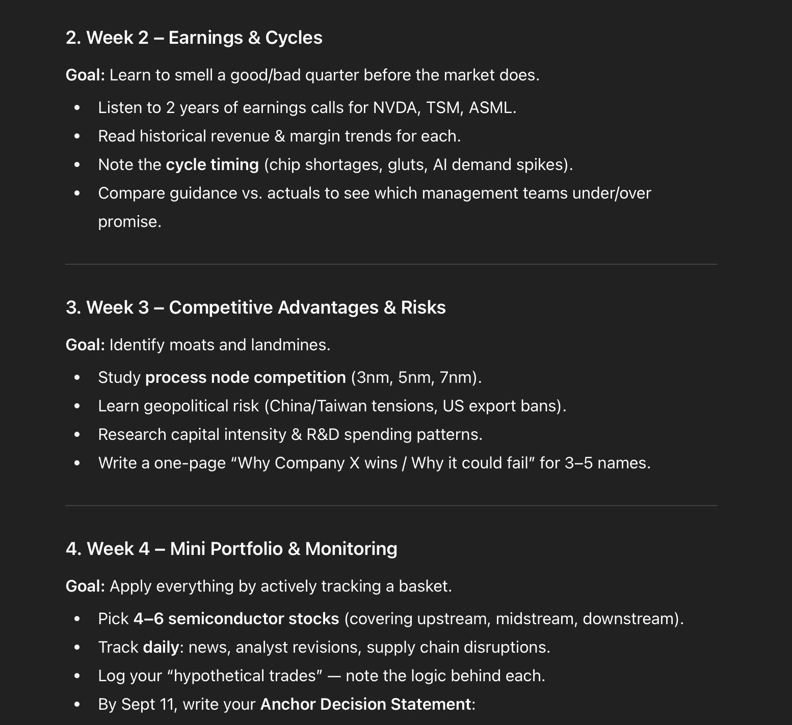
Starting 8/9/25
 | Company | Ticker | Price | S | MC | C | D | EV | About
 | NVIDIA Corp | NVDA | 182 | 24,400 | 4,440,800 | 53,691 | 8,464 | 4,395,573
 | Advanced Micro Devices Inc | AMD | 173 | 1,623 | 280,779 | 5,867 | 3,218 | 278,130
 | AMAT | AMAT | 0
 | Micron Technology Inc | MU | 0
 | Broadcom Inc | AVGO | 225
 | Marvell Technology Inc | MRVL | 123
 | Intel Corp | INTC | 25
 | Taiwan | TSM | 0
 | ASML Holding | ASML | 0
 | Lam Research | LRCX | 0

 | Capex | Ticker | Q123 | Q223 | Q323 | Q423 | Q124 | Q224 | Q324 | Q424 | Q125 | Q225 | Q325 | Q425
 | Microsoft | MSFT |  |  |  |  |  |  | -10,952 | -13,873 |  |  | -16,745 | -17,079
 | Amazon | AMZN
 | Google | GOOG
 | Meta | META | -6,823 | -6,134 | -6,496 | -7,592 | -6,400 | -8,173 | -8,258 | -14,425 | -12,941 | -16,538
 | Oracle | ORCL
 | Apple | AAPL

