Invoice
CALIFOR UPHOLSTERY MATERIALS CO., LTD.
XIN BAVET SEZ, Road No. 316A, Trapeang Bon and Prey Kokir Villages, Prey Kokir Commune, Chantrea District,
Svay Rieng Province, Kingdom of Cambodia.
VAT:L001-901903209
Tel: +855 975910636
INVOICE
 |  |  |  |  | Ref No.: | CLF2025-291
EXPORTER: | CALIFOR UPHOLSTERY MATERIALS CO., LTD. |  |  |  | INVOICE NO : | CLW250037
 | XIN BAVET SEZ, Road No. 316A, Trapeang Bon and Prey Kokir Villages, |  |  |  | Date: | 18/09/2025
 | Prey Kokir Commune, Chantrea District,Svay Rieng Province, Kingdom of Cambodia . |  |  |  | DAP: | HCM
 | Tel: +855 975910636 |  |  |  | ETD：
 |  |  |  |  | ETA:
CONSIGNEE : | Wanek Furniture Co., LTD.
 | Lot D_5A_CN, D_5C_CN, D_5E_CN, My Phuoc 3 Industrial Park, Thoi Hoa Ward, Ho Chi Minh City, Vietnam.
 | P+84 650 3655 200 EXT:7074 MS EMILY(C&L)/MS DOROTHY(CR) EXT:7036 MS JANE (PURCHASING)
SHIP: | BY TRUCK FROM BAVET, SVAY RIENG, CAMBODIA TO HO CHI MINH, VIETNAM.

Mark & Nº | P.O. Nº | Description | ITEM Nº | Quantity (SF) | Unit price (USD) | Amount(USD)
VENDOR#: | PT1ZX64 | L DAHLMOORE ALMOND U13200 | 140499 | 78,515.10 | 1.27
Des: LEATHER | PT26792 | L ModMax (Buffalo) Black 74305 | 140519 | 128,368.80 | 0.93
MADE IN CAMBODIA | PT26F87 | L MOSSANO CANYON 72907 | 140522 | 13,248.70 | 1.42
 | PT27781 | L LEESWORTH BUFFALO OCEAN U43809 | 140491 | 6,024.90 | 0.92
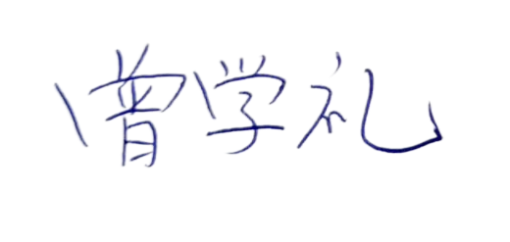
 | PT27779 | L LEESWORTH BUFFALO OCEAN U43809 | 140491 | 16,494.50 | 0.92
 | PT27784 | L LEESWORTH BUFFALO OCEAN U43809 | 140491 | 21,133.90 | 0.92
 | PT27T94 | L LEESWORTH BUFFALO DARK BROWN | 140478 | 51,191.80 | 0.90

 | PT28714 | L GENOA COCONUT 47704 | 140467 | 12,242.60 | 1.02
 | TOTAL OF: | 35 PALLETS

Country of Original Cambodia
Manufacture: | CALIFOR UPHOLSTERY MATERIALS CO., LTD. XIN BAVET SEZ, Road No. 316A, Trapeang Bon and Prey Kokir Villages, Prey Kokir Commune, Chantrea District,Svay Rieng Province, Kingdom of Cambodia, Tel: +855 975910636
BENEFICIARY BANK：BANK OF CHINA(HONG KONG)LIMITED PHNOM PENH BRANCH /BANK OF CHINA PHNOM PENH BRANCH
A/C NO:100001100764430
SWIFT CODE ：BKCHKHPPXXX
 |  |  |  |  | CALIFOR UPHOLSTERY MATERIALS CO., LTD.
 |  |  |  |  | Sign & Stamp

 |  |  |  |  | ZENG XUELI

