Contract
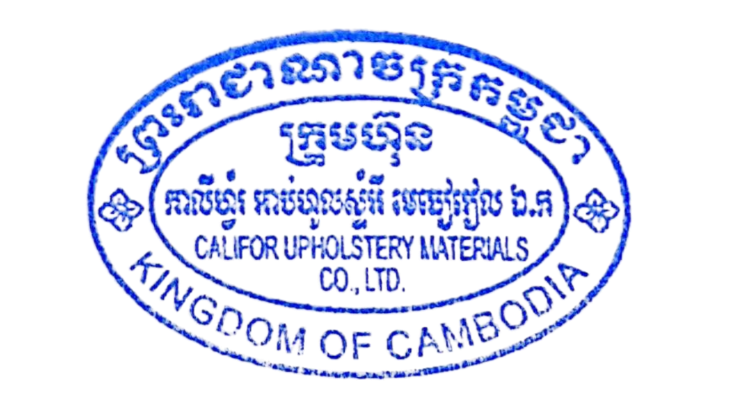
SALES CONTRACT

 |  |  |  | DATE: | JFTIME
 |  |  | CONTRACT NO.: |  | JFINV
The Seller: | CALIFOR UPHOLSTERY MATERIALS CO.,LTD.
 | XIN BAVET SEZ, ROAD NO. 316A, TRAPEANG BON AND PREY KOKIR VILLAGES, PREY KOKIR COMMUNE, CHANTREA DISTRICT,
 | SVAY RIENG PROVINCE, KINGDOM OF CAMBODIA.
 | TEL: +855 975910636
The Buyer: | TRAYTON FURNITURE VIETNAM COMPANY LIMITED
 | FACTORIES D7, D8, LOT C-7-CN, N17 ROAD, BAU BANG EXPANSION INDUSTRIAL PARK,
 | BAU BANG COMMUNE, HO CHI MINH CITY, VIETNAM
 | TEL: 0326968614, TAX: 3703275589
 | CONTACT: TRÚC LAN, EMAIL: diemnhu@trayton.com
After discussion, the both parties agree to sell and purchase the commodities on the following terms and conditions:
1.NAME OF COMMODITY AND SPECIFICATION:
The seller guaranteed the correct color delivery, Commodity, Dimension and quantity as follow:

FCA: | SVAY RIENG
Term of Payment: 100% TT after shipment
Transaction method: FCA(USD)
Beneficiary bank information: |  | CALIFOR UPHOLSTERY MATERIALS CO.,LTD.
Beneficiary Bank' s Name: |  | BANK OF CHINA(HONG KONG)LIMITED PHNOM PENH BRANCH /BANK OF CHINA PHNOM PENH BRANCH
Bank Address: |  | 1st AND 2nd FLOOR,CANADIA TOWER,No.315 ANDDUONG ST.,PHNOM PEMH,CAMBODIA.
Bank account : |  | 100001100764430
SWIFT CODE ： |  | BKCHKHPPXXX

 | The Buyer: |  |  | The Seller:
TRAYTON FURNITURE VIETNAM COMPANY LIMITED |  |  | CALIFOR UPHOLSTERY MATERIALS CO.,LTD.

Invoice
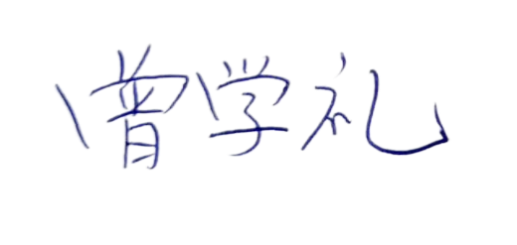
CALIFOR UPHOLSTERY MATERIALS CO., LTD.
XIN BAVET SEZ, Road No. 316A, Trapeang Bon and Prey Kokir Villages, Prey Kokir Commune, Chantrea District,
Svay Rieng Province, Kingdom of Cambodia.
VAT:L001-901903209
Tel: +855 975910636
INVOICE
 |  | Ref No.: | JFREF
EXPORTER: | CALIFOR UPHOLSTERY MATERIALS CO., LTD. | INVOICE NO : | JFINV
 | XIN BAVET SEZ, Road No. 316A, Trapeang Bon and Prey Kokir Villages, | Date: | JFTIME
 | Prey Kokir Commune, Chantrea District,Svay Rieng Province, Kingdom of Cambodia | FCA : | SVAY RIENG
 | Tel: +855 975910636

CONSIGNEE : | TRAYTON FURNITURE VIETNAM COMPANY LIMITED
 | FACTORIES D7, D8, LOT C-7-CN, N17 ROAD, BAU BANG EXPANSION INDUSTRIAL PARK,
 | BAU BANG COMMUNE, HO CHI MINH CITY, VIETNAM
 | TEL: 0326968614, TAX: 3703275589
 | CONTACT: TRÚC LAN, EMAIL: diemnhu@trayton.com
SHIP: | BY TRUCK FROM BAVET, SVAY RIENG, CAMBODIA TO BINH DUONG PROVINCE, VIETNAM.

Country of Original Cambodia
Manufacture: | CALIFOR UPHOLSTERY MATERIALS CO., LTD. XIN BAVET SEZ, Road No. 316A, Trapeang Bon and Prey Kokir Villages, Prey Kokir Commune, Chantrea District,Svay Rieng Province, Kingdom of Cambodia, Tel: +855 975910636
BENEFICIARY BANK：BANK OF CHINA(HONG KONG)LIMITED PHNOM PENH BRANCH /BANK OF CHINA PHNOM PENH BRANCH
A/C NO:100001100764430
SWIFT CODE ：BKCHKHPPXXX
 |  | CALIFOR UPHOLSTERY MATERIALS CO., LTD.
 |  | Sign & Stamp

