Contract
SALES CONTRACT

 |  |  |  | DATE: | 06/09/2025
 |  |  | CONTRACT NO.: |  | OJY25010
The Seller: | CALIFOR UPHOLSTERY MATERIALS CO.,LTD.
 | XIN BAVET SEZ, Road No. 316A, Trapeang Bon and Prey Kokir Villages, Prey Kokir Commune, Chantrea District,
 | Svay Rieng Province, Kingdom of Cambodia.
TEL: | +855 975910636
The Buyer: | MOTO INNOVATION VIETNAM LIMITED COMPANY
 | Factory C-1B-B1-B and C-1B-B2, Lot C-1B-CN, DE4 Street, My Phuoc 3 Industrial Park, Thoi Hoa Ward, Ho Chi Minh City, Vietnam
 | Contact Person : XU MEIJUN Tel: 0274 3803833
After discussion, the both parties agree to sell and purchase the commodities on the following terms and conditions:
1.NAME OF COMMODITY AND SPECIFICATION:
The seller guaranteed the correct color delivery, Commodity, Dimension and quantity as follow:
No. | P.O. Nº | Description | Quantity (SF) | Unit Price (USD) | Total value (USD)
1 | YNGY25022 | LEATHER | 10,045.40 | 1.14 | 11,451.76
2 | YNGY25028 |  | 40,074.30 | 1.14 | 45,684.70
3 | YNGY25028 |  | 475.00 | 0.91 | 432.25
4 | GYOJY_M25371 |  | 136,378.10 | 1.15 | 156,834.82
5 | GYOJY_M25371 |  | 113.70 | 0.92 | 104.60
6 | GYOJY_M25374 |  | 38,430.00 | 1.15 | 44,194.50
7 | GYOJY_M25374 |  | 411.30 | 0.92 | 378.40
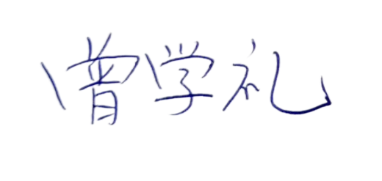
TOTAL OF: |  |  | 225,927.80 |  | 259,081.03
DAP: | HCM
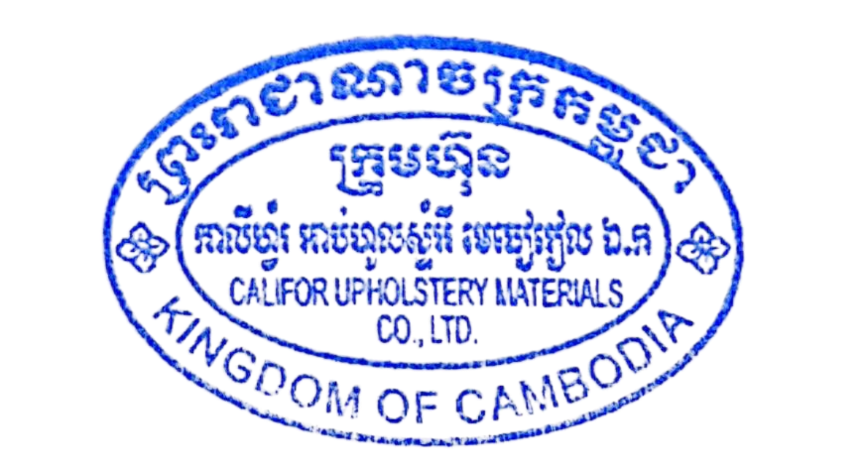
Term of Payment: 100% TT after shipment
Transaction method: DAP(USD)
Beneficiary bank information: |  |  | CALIFOR UPHOLSTERY MATERIALS CO.,LTD.
Beneficiary Bank' s Name: |  |  | BANK OF CHINA(HONG KONG)LIMITED PHNOM PENH BRANCH /BANK OF CHINA PHNOM PENH BRANCH
Bank Address: |  |  | 1st AND 2nd FLOOR,CANADIA TOWER,No.315 ANDDUONG ST.,PHNOM PEMH,CAMBODIA.
Bank account : |  |  | 100001100764430
SWIFT CODE ： |  |  | BKCHKHPPXXX

 | The Buyer: |  |  | The Seller:
MOTO INNOVATION VIETNAM LIMITED COMPANY |  |  | CALIFOR UPHOLSTERY MATERIALS CO.,LTD.

