Contract
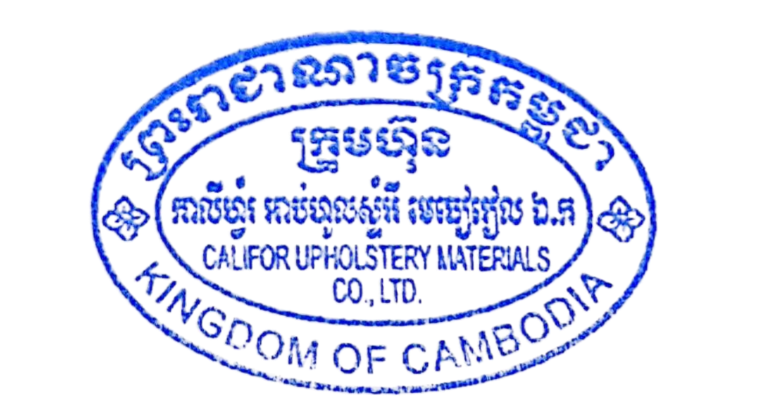
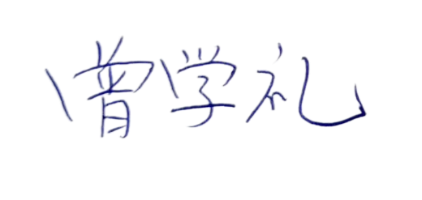
SALES CONTRACT

 |  |  | DATE: | JFTIME
 |  | CONTRACT NO.: |  | JFINV
The Seller: | CALIFOR UPHOLSTERY MATERIALS CO.,LTD.
 | XIN BAVET SEZ, ROAD NO. 316A, TRAPEANG BON AND PREY KOKIR VILLAGES, PREY KOKIR COMMUNE, CHANTREA DISTRICT,
 | SVAY RIENG PROVINCE, KINGDOM OF CAMBODIA.
 | TEL: +855 975910636
The Buyer: | TRAYTON FURNITURE VIETNAM COMPANY LIMITED
 | Factories D7, D8, Lot C-7-CN, N17 Road,
 | BAU BANG EXPANSION INDUSTRIAL PARK, LAI UYEN TOWN, BAU BANG DISTRICT, BINH DUONG PROVINCE, VIETNAM
 | TEL: 0326968614, TAX: 3703275589
 | CONTACT: TRÚC LAN, EMAIL: diemnhu@trayton.com
After discussion, the both parties agree to sell and purchase the commodities on the following terms and conditions:
1.NAME OF COMMODITY AND SPECIFICATION:
The seller guaranteed the correct color delivery, Commodity, Dimension and quantity as follow:

FCA: | SVAY RIENG
Term of Payment: 100% TT after shipment
Transaction method: FCA(USD)
Beneficiary bank information: |  | CALIFOR UPHOLSTERY MATERIALS CO.,LTD.
Beneficiary Bank' s Name: |  | BANK OF CHINA(HONG KONG)LIMITED PHNOM PENH BRANCH /BANK OF CHINA PHNOM PENH BRANCH
Bank Address: |  | 1st AND 2nd FLOOR,CANADIA TOWER,No.315 ANDDUONG ST.,PHNOM PEMH,CAMBODIA.
Bank account : |  | 100001100764430
SWIFT CODE ： |  | BKCHKHPPXXX

 | The Buyer: |  | The Seller:
TRAYTON FURNITURE VIETNAM COMPANY LIMITED |  | CALIFOR UPHOLSTERY MATERIALS CO.,LTD.

