1
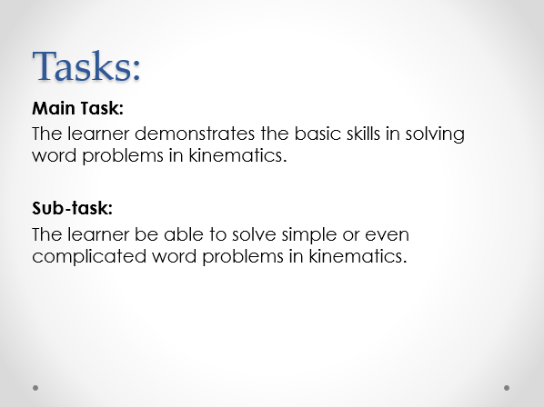

CLICK HERE TO PROCEED TO THE NEXT PAGE

2
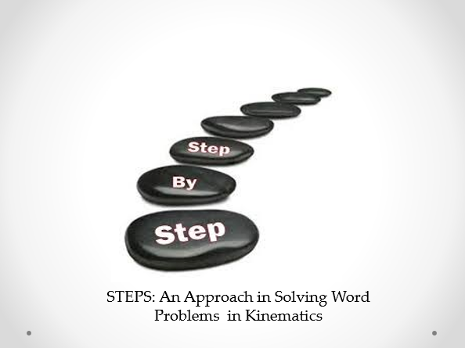

CLICK HERE TO PROCEED TO THE NEXT PAGE

3
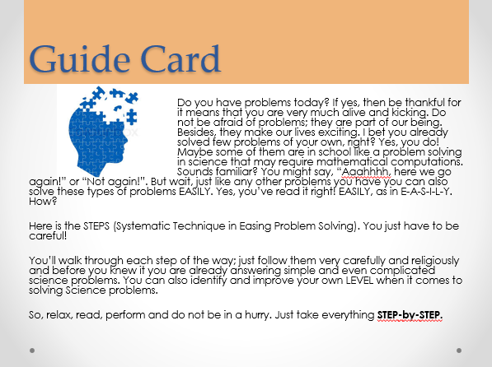

CLICK HERE TO PROCEED TO THE NEXT PAGE

4
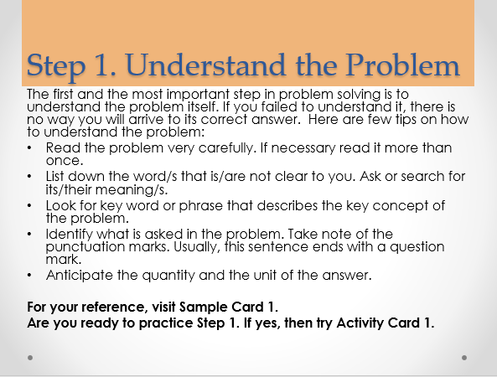

CLICK HERE TO PROCEED TO THE NEXT PAGE

6
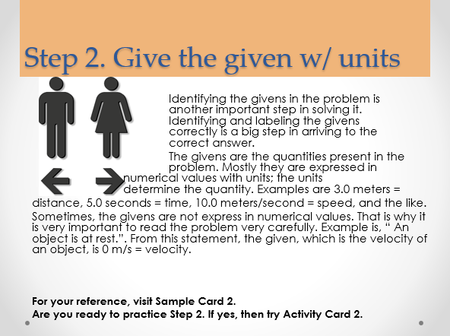

CLICK HERE TO PROCEED TO THE NEXT PAGE

8
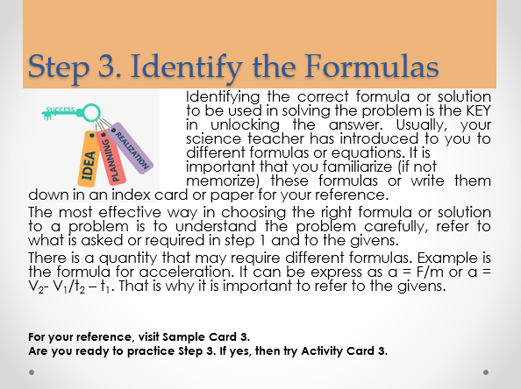

CLICK HERE TO PROCEED TO THE NEXT PAGE

10
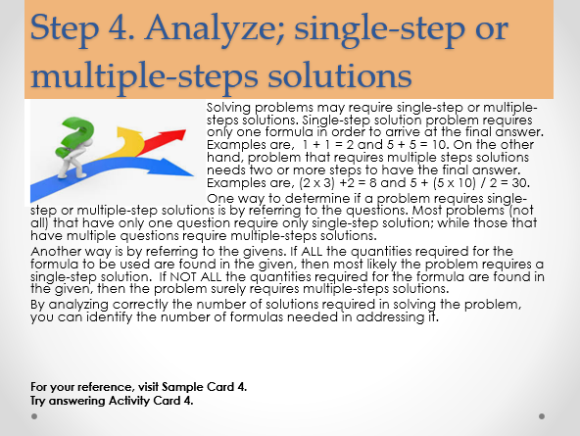

CLICK HERE TO PROCEED TO THE NEXT PAGE

12
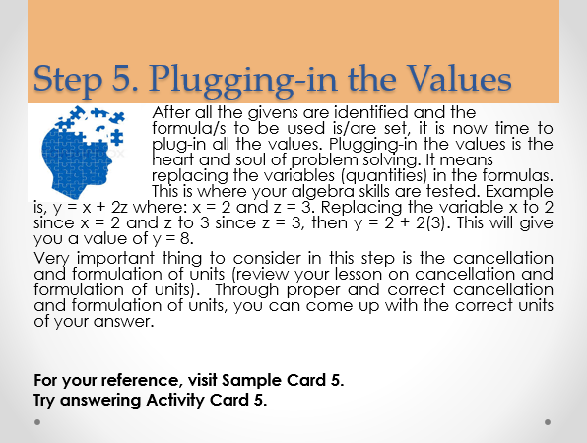

CLICK HERE TO PROCEED TO THE NEXT PAGE

14
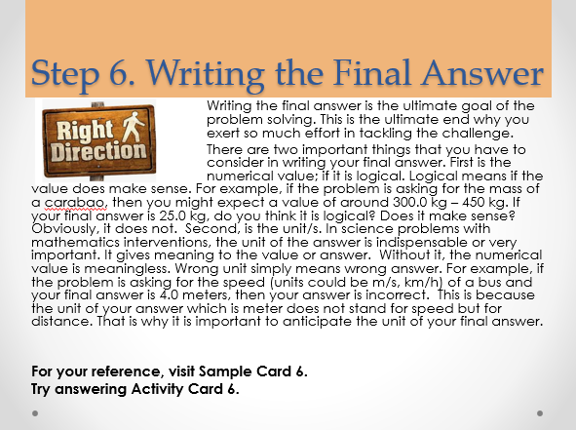

CLICK HERE TO PROCEED TO THE NEXT PAGE

