Gold Pie Chart
The Top Gold Hoarders

 | United States | 33%
 | Germany | 15%
 | IMF | 10%
 | Italy | 10%
 | France | 10%
 | China | 7%
 | Russia | 6%
 | Switzerland | 4%
 | Japan | 3%
 | Netherlands | 2%
 |  | 100%
Insert a Pie Chart that more accurately displays the data here.
The Corrected Graphic |  |  | The Original Graphic
Top Gold Hoarders
 |  |  | 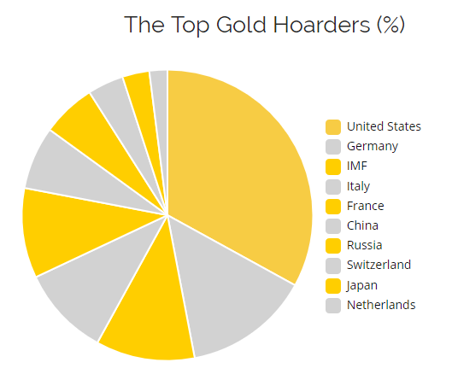

http://imgur.com/r/dataisugly/j2FvPE5

Beach Ball Bar Chart
Bob's Beach Emporium
Hint: The corrected graph/chart is NOT a bar graph.

 | Weekend in August | Temp | BB's Sold
 | First Weekend | 81 | 19
 | Second Weekend | 86 | 22
 | Third Weekend | 71 | 8
 | Fourth Weekend | 62 | 2
 | Fifth Weekend | 95 | 28
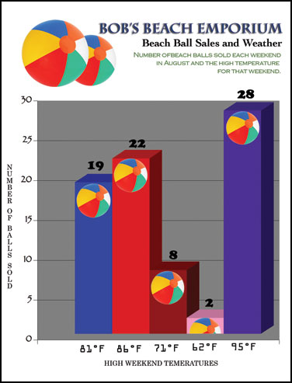
The Corrected Graphic |  |  | The Original Graphic
Insert a Chart that more accurately displays the data here.

Gun Deaths
Gun deaths in Florida

 | Year | Deaths |  | http://www.fdle.state.fl.us/cms/FSAC/Data-Statistics/UCR-Offense-Data.aspx
 | 1990 | 873
 | 1991 | 805
 | 1992 | 795
 | 1993 | 799
 | 1994 | 740
 | 1995 | 687
 | 1996 | 668
 | 1997 | 634
 | 1998 | 589
 | 1999 | 460
 | 2000 | 499
 | 2001 | 502
 | 2002 | 552
 | 2003 | 586
 | 2004 | 555
 | 2005 | 521
 | 2006 | 740
 | 2007 | 825
 | 2008 | 780
 | 2009 | 695
 | 2010 | 669
 | 2011 | 691
 | 2012 | 721
Gun Deaths in Florida
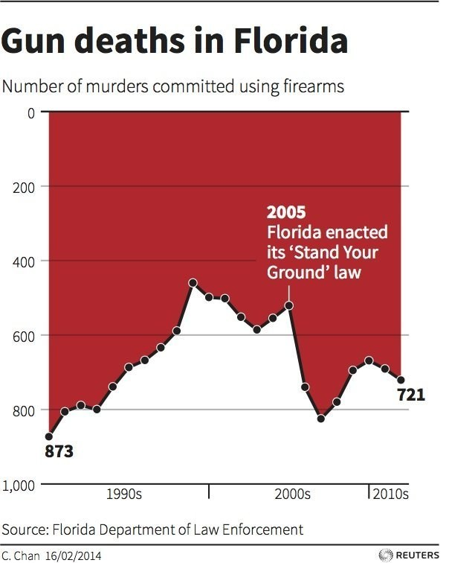
The Corrected Graphic |  |  | The Original Graphic
Insert a Time Series Chart that more accurately displays the data here.

Voteline
Voteline

 | Can Julia Gillard win?
 | Yes | 53
 | No | 517
 |  | 570
The Corrected Graphic |  |  | The Original Graphic
Win rate of Julia Gillard
Insert a Chart that more accurately displays the data here.
 |  |  | 