Diversidade
 | case |  | ctr+ |  | ctr- | 0.13321 | 0.06592 | 0.21090
case |  | ctr+ |  | ctr- |  | 0.04626 | 0.04788 | 0.10557 | case031 | 0.32664 | ctr042+ | 0.18769 | ctr015- | 0.31566
case009 | 0.13321 | ctr064+ | 0.06592 | ctr065- | 0.21090 | 0.06904 | 0.06592 | 0.10557 | case021 | 0.20716 | ctr039+ | 0.36449 | ctr014- | 0.29555
case023 | 0.04626 | ctr054+ | 0.04788 | ctr070- | 0.10557 | 0.04693 | 0.04708 | 0.10947 | case025 | 0.26716 | ctr049+ | 0.29912 | ctr025- | 0.43281
case001 | 0.06904 | ctr001+ | 0.06592 | ctr069- | 0.10557 | 0.01443 | 0.08733 | 0.15582 | case030 | 0.18580 | ctr043+ | 0.18169
case010 | 0.04693 | ctr059+ | 0.04708 | ctr006- | 0.10947 | 0.01443 | 0.04788 | 0.10657
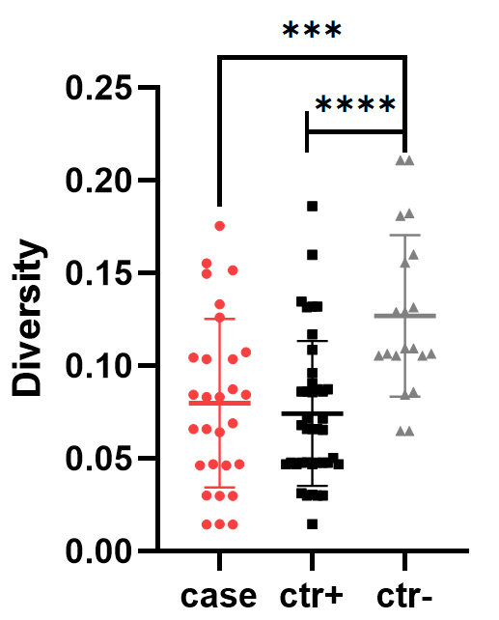
case032 | 0.01443 | ctr056+ | 0.08733 | ctr010- | 0.15582 | 0.06431 | 0.08605 | 0.21090
case029 | 0.01443 | ctr040+ | 0.04788 | ctr062- | 0.10657 | 0.06599 | 0.08605 | 0.08445
case016 | 0.06431 | ctr022+ | 0.08605 | ctr008- | 0.21090 | 0.04693 | 0.03018 | 0.10657 |  |  |  |  |  |  | *** = 0,0007
case035 | 0.06599 | ctr011+ | 0.08605 | ctr050- | 0.08445 | 0.08446 | 0.05023 | 0.13163 |  |  |  |  |  |  | **** = <0,0001
case012 | 0.04693 | ctr005+ | 0.03018 | ctr063- | 0.10657 | 0.08731 | 0.13149 | 0.06487
case003 | 0.08446 | ctr058+ | 0.05023 | ctr028- | 0.13163 | 0.10738 | 0.06562 | 0.06487
case017 | 0.08731 | ctr021+ | 0.13149 | ctr036- | 0.06487 | 0.10444 | 0.13190 | 0.12910
case020 | 0.10738 | ctr007+ | 0.06562 | ctr018- | 0.06487 | 0.06599 | 0.03018 | 0.16014
case028 | 0.10444 | ctr067+ | 0.13190 | ctr047- | 0.12910 | 0.08313 | 0.04782 | 0.10557
case011 | 0.06599 | ctr002+ | 0.03018 | ctr071- | 0.16014 | 0.04626 | 0.04708 | 0.18094
case018 | 0.08313 | ctr044+ | 0.04782 | ctr029- | 0.10557 | 0.08446 | 0.10857 | 0.10947
case033 | 0.04626 | ctr041+ | 0.04708 | ctr009- | 0.18094 | 0.02983 | 0.04792 | 0.12910
case004 | 0.08446 | ctr024+ | 0.10857 | ctr012- | 0.10947 | 0.01462 | 0.04788 | 0.08594
case024 | 0.02983 | ctr030+ | 0.04792 | ctr026- | 0.12910 | 0.02983 | 0.09608 | 0.18238
case026 | 0.01462 | ctr066+ | 0.04788 | ctr038- | 0.08594 | 0.10356 | 0.04708
case027 | 0.02983 | ctr048+ | 0.09608 | ctr004- | 0.18238 | 0.10356 | 0.11698
case007 | 0.10356 | ctr046+ | 0.04708 |  |  | 0.03004 | 0.07164
case002 | 0.10356 | ctr023+ | 0.11698 |  |  | 0.14973 | 0.06796
case008 | 0.03004 | ctr045+ | 0.07164 |  |  | 0.15151 | 0.08605
case013 | 0.14973 | ctr057+ | 0.06796 |  |  | 0.17549 | 0.08733
case022 | 0.15151 | ctr020+ | 0.08605 |  |  | 0.15532 | 0.01475
case006 | 0.17549 | ctr068+ | 0.08733 |  |  | 0.12613 | 0.03044
case015 | 0.15532 | ctr055+ | 0.01475 |  |  | 0.08313 | 0.06592
case034 | 0.12613 | ctr027+ | 0.03044 |  |  |  | 0.03018
case036 | 0.08313 | ctr061+ | 0.06592 |  |  |  | 0.04788
 |  | ctr051+ | 0.03018 |  |  |  | 0.07164
 |  | ctr034+ | 0.04788 |  |  |  | 0.03138
 |  | ctr013+ | 0.07164 |  |  |  | 0.04708
 |  | ctr052+ | 0.03138 |  |  |  | 0.13472
 |  | ctr016+ | 0.04708 |  |  |  | 0.09083
 |  | ctr053+ | 0.13472 |  |  |  | 0.08570
 |  | ctr060+ | 0.09083 |  |  |  | 0.15992
 |  | ctr035+ | 0.08570 |  |  |  | 0.18615
 |  | ctr019+ | 0.15992 |  |  |  | 0.13190
 |  | ctr032+ | 0.18615
 |  | ctr017+ | 0.13190

