Sheet1
X | Y | Slope function | Yes or No | Row number | First occurrence x for + | First occurrence y for + | First occurece x for - | First occurece y for - | Second occurrence x for + | Second occurrence y for +
0 | 0 |  | 0 | 1 | 3 | 2 | 7 | -2 | 11 | 2
1 | 1 | 1 | 0 | 2
3 | 2 | 1 | 1 | 3
4 | 1 | -1 | 0 | 4
5 | 0 | -1 | 0 | 5
Example
6 | -1 | -1 | 0 | 6
7 | -2 | -1 | -1 | 7
8 | -1 | 1 | 0 | 8
9 | 0 | 1 | 0 | 9
10 | 1 | 1 | 0 | 10
11 | 2 | 1 | 1 | 11
12 | 1 | -1 | 0 | 12
13 | 0 | -1 | 0 | 13

90.0067 | 9.244022 | #DIV/0! | #DIV/0! | 27029

Fit
Position | Time | Slope Function | Yes or No | Row Number | First occurece x for + | First occurrence y for + | First occurece x for - | First occurece y for - | Second occurece x for + | Second occurece y for + | Second occurece x for - | Second occurece y for - | Third occurrence x for + | Third occurrence y for +
0.0033 | 0.111979 |  | 0 | 1 | 10.01 | 10.19225 | 30.2433 | -10.1918 | 50.48 | 10.19169 | 70.7133 | -10.1924 | 90.0067 | 9.244022
0.0067 | 0.115405 | 1 | 0 | 2
0.01 | 0.118729 | 1 | 0 | 3
0.0133 | 0.122054 | 1 | 0 | 4
0.0167 | 0.125479 | 1 | 0 | 5
0.02 | 0.128804 | 1 | 0 | 6
0.0233 | 0.132128 | 1 | 0 | 7
SP
 | Time
0.0033 | 0.111979
0.0067 | 0.115405
0.01 | 0.118729
0.0133 | 0.122054
0.0167 | 0.125479
0.02 | 0.128804
0.0233 | 0.132128
0.0267 | 0.135554
0.03 | 0.138878
0.0333 | 0.142203
0.0367 | 0.145628
0.04 | 0.148953
0.0433 | 0.152277
0.0467 | 0.155703
0.05 | 0.159027
0.0533 | 0.162352
0.0567 | 0.165777
0.06 | 0.169102
0.0633 | 0.172426
0.0667 | 0.175852
0.07 | 0.179176
0.0733 | 0.182501
0.0767 | 0.185926
0.08 | 0.189251
0.0833 | 0.192575
0.0867 | 0.196001
0.09 | 0.199325
0.0933 | 0.20265
0.0967 | 0.206075
0.1 | 0.2094
0.1033 | 0.212724
0.1067 | 0.21615
0.11 | 0.219474
0.1133 | 0.222799
0.1167 | 0.226224
0.12 | 0.229549
0.1233 | 0.232873
0.1267 | 0.236299
0.13 | 0.239623
0.1333 | 0.242948
0.1367 | 0.246373
0.14 | 0.249698
0.1433 | 0.253022
0.1467 | 0.256448
0.15 | 0.259772
0.1533 | 0.263097
0.1567 | 0.266522
0.16 | 0.269847
0.1633 | 0.273171
0.1667 | 0.276597
...
0.0267 | 0.135554 | 1 | 0 | 8
0.03 | 0.138878 | 1 | 0 | 9
0.0333 | 0.142203 | 1 | 0 | 10
0.0367 | 0.145628 | 1 | 0 | 11
0.04 | 0.148953 | 1 | 0 | 12
0.0433 | 0.152277 | 1 | 0 | 13
0.0467 | 0.155703 | 1 | 0 | 14
0.05 | 0.159027 | 1 | 0 | 15
0.0533 | 0.162352 | 1 | 0 | 16
0.0567 | 0.165777 | 1 | 0 | 17
0.06 | 0.169102 | 1 | 0 | 18
0.0633 | 0.172426 | 1 | 0 | 19
0.0667 | 0.175852 | 1 | 0 | 20
0.07 | 0.179176 | 1 | 0 | 21
0.0733 | 0.182501 | 1 | 0 | 22
0.0767 | 0.185926 | 1 | 0 | 23
0.08 | 0.189251 | 1 | 0 | 24
0.0833 | 0.192575 | 1 | 0 | 25
0.0867 | 0.196001 | 1 | 0 | 26
0.09 | 0.199325 | 1 | 0 | 27
0.0933 | 0.20265 | 1 | 0 | 28
0.0967 | 0.206075 | 1 | 0 | 29
0.1 | 0.2094 | 1 | 0 | 30
0.1033 | 0.212724 | 1 | 0 | 31
0.1067 | 0.21615 | 1 | 0 | 32
0.11 | 0.219474 | 1 | 0 | 33
0.1133 | 0.222799 | 1 | 0 | 34
0.1167 | 0.226224 | 1 | 0 | 35
0.12 | 0.229549 | 1 | 0 | 36
0.1233 | 0.232873 | 1 | 0 | 37
0.1267 | 0.236299 | 1 | 0 | 38
0.13 | 0.239623 | 1 | 0 | 39
0.1333 | 0.242948 | 1 | 0 | 40
0.1367 | 0.246373 | 1 | 0 | 41
0.14 | 0.249698 | 1 | 0 | 42
0.1433 | 0.253022 | 1 | 0 | 43
0.1467 | 0.256448 | 1 | 0 | 44
0.15 | 0.259772 | 1 | 0 | 45
0.1533 | 0.263097 | 1 | 0 | 46
0.1567 | 0.266522 | 1 | 0 | 47
0.16 | 0.269847 | 1 | 0 | 48
0.1633 | 0.273171 | 1 | 0 | 49
0.1667 | 0.276597 | 1 | 0 | 50
0.17 | 0.279921 | 1 | 0 | 51
0.1733 | 0.283246 | 1 | 0 | 52
0.1767 | 0.286671 | 1 | 0 | 53
0.18 | 0.289996 | 1 | 0 | 54
0.1833 | 0.29332 | 1 | 0 | 55
0.1867 | 0.296746 | 1 | 0 | 56
0.19 | 0.30007 | 1 | 0 | 57
0.1933 | 0.303395 | 1 | 0 | 58
0.1967 | 0.30682 | 1 | 0 | 59
0.2 | 0.310145 | 1 | 0 | 60
0.2033 | 0.313469 | 1 | 0 | 61
0.2067 | 0.316895 | 1 | 0 | 62
0.21 | 0.320219 | 1 | 0 | 63
0.2133 | 0.323544 | 1 | 0 | 64
0.2167 | 0.326969 | 1 | 0 | 65
0.22 | 0.330294 | 1 | 0 | 66
0.2233 | 0.333618 | 1 | 0 | 67
0.2267 | 0.337044 | 1 | 0 | 68
0.23 | 0.340368 | 1 | 0 | 69
0.2333 | 0.343693 | 1 | 0 | 70
0.2367 | 0.347118 | 1 | 0 | 71
0.24 | 0.350443 | 1 | 0 | 72
0.2433 | 0.353767 | 1 | 0 | 73
0.2467 | 0.357193 | 1 | 0 | 74
0.25 | 0.360517 | 1 | 0 | 75
0.2533 | 0.363842 | 1 | 0 | 76
0.2567 | 0.367267 | 1 | 0 | 77
0.26 | 0.370592 | 1 | 0 | 78
0.2633 | 0.373916 | 1 | 0 | 79
0.2667 | 0.377342 | 1 | 0 | 80
0.27 | 0.380666 | 1 | 0 | 81
0.2733 | 0.383991 | 1 | 0 | 82
0.2767 | 0.387416 | 1 | 0 | 83
0.28 | 0.390741 | 1 | 0 | 84
0.2833 | 0.394065 | 1 | 0 | 85
0.2867 | 0.397491 | 1 | 0 | 86
0.29 | 0.400815 | 1 | 0 | 87
0.2933 | 0.40414 | 1 | 0 | 88
0.2967 | 0.407565 | 1 | 0 | 89
0.3 | 0.41089 | 1 | 0 | 90
0.3033 | 0.414214 | 1 | 0 | 91
0.3067 | 0.41764 | 1 | 0 | 92
0.31 | 0.420964 | 1 | 0 | 93
0.3133 | 0.424289 | 1 | 0 | 94
0.3167 | 0.427714 | 1 | 0 | 95
0.32 | 0.431039 | 1 | 0 | 96
0.3233 | 0.434363 | 1 | 0 | 97
0.3267 | 0.437789 | 1 | 0 | 98
0.33 | 0.441113 | 1 | 0 | 99
0.3333 | 0.444438 | 1 | 0 | 100
0.3367 | 0.447863 | 1 | 0 | 101
0.34 | 0.451188 | 1 | 0 | 102
0.3433 | 0.454512 | 1 | 0 | 103
0.3467 | 0.457938 | 1 | 0 | 104
0.35 | 0.461262 | 1 | 0 | 105
0.3533 | 0.464587 | 1 | 0 | 106
0.3567 | 0.468012 | 1 | 0 | 107
0.36 | 0.471337 | 1 | 0 | 108
0.3633 | 0.474661 | 1 | 0 | 109
0.3667 | 0.478087 | 1 | 0 | 110
0.37 | 0.481411 | 1 | 0 | 111
0.3733 | 0.484736 | 1 | 0 | 112
0.3767 | 0.488161 | 1 | 0 | 113
0.38 | 0.491486 | 1 | 0 | 114
0.3833 | 0.49481 | 1 | 0 | 115
0.3867 | 0.498236 | 1 | 0 | 116
0.39 | 0.50156 | 1 | 0 | 117
0.3933 | 0.504885 | 1 | 0 | 118
0.3967 | 0.50831 | 1 | 0 | 119
0.4 | 0.511635 | 1 | 0 | 120
0.4033 | 0.514959 | 1 | 0 | 121
0.4067 | 0.518385 | 1 | 0 | 122
0.41 | 0.521709 | 1 | 0 | 123
0.4133 | 0.525034 | 1 | 0 | 124
0.4167 | 0.528459 | 1 | 0 | 125
0.42 | 0.531784 | 1 | 0 | 126
0.4233 | 0.535108 | 1 | 0 | 127
0.4267 | 0.538534 | 1 | 0 | 128
0.43 | 0.541858 | 1 | 0 | 129
0.4333 | 0.545183 | 1 | 0 | 130
0.4367 | 0.548608 | 1 | 0 | 131
0.44 | 0.551933 | 1 | 0 | 132
0.4433 | 0.555257 | 1 | 0 | 133
0.4467 | 0.558683 | 1 | 0 | 134
0.45 | 0.562007 | 1 | 0 | 135
0.4533 | 0.565332 | 1 | 0 | 136
0.4567 | 0.568757 | 1 | 0 | 137
0.46 | 0.572082 | 1 | 0 | 138
0.4633 | 0.575406 | 1 | 0 | 139
0.4667 | 0.578832 | 1 | 0 | 140
0.47 | 0.582156 | 1 | 0 | 141
0.4733 | 0.585481 | 1 | 0 | 142
0.4767 | 0.588906 | 1 | 0 | 143
0.48 | 0.592231 | 1 | 0 | 144
0.4833 | 0.595555 | 1 | 0 | 145
0.4867 | 0.598981 | 1 | 0 | 146
0.49 | 0.602305 | 1 | 0 | 147
0.4933 | 0.60563 | 1 | 0 | 148
0.4967 | 0.609055 | 1 | 0 | 149
0.5 | 0.61238 | 1 | 0 | 150
0.5033 | 0.615704 | 1 | 0 | 151
0.5067 | 0.61913 | 1 | 0 | 152
0.51 | 0.622454 | 1 | 0 | 153
0.5133 | 0.625779 | 1 | 0 | 154
0.5167 | 0.629204 | 1 | 0 | 155
0.52 | 0.632529 | 1 | 0 | 156
0.5233 | 0.635853 | 1 | 0 | 157
0.5267 | 0.639279 | 1 | 0 | 158
0.53 | 0.642603 | 1 | 0 | 159
0.5333 | 0.645928 | 1 | 0 | 160
0.5367 | 0.649353 | 1 | 0 | 161
0.54 | 0.652678 | 1 | 0 | 162
0.5433 | 0.656002 | 1 | 0 | 163
0.5467 | 0.659428 | 1 | 0 | 164
0.55 | 0.662752 | 1 | 0 | 165
0.5533 | 0.666077 | 1 | 0 | 166
0.5567 | 0.669502 | 1 | 0 | 167
0.56 | 0.672827 | 1 | 0 | 168
0.5633 | 0.676151 | 1 | 0 | 169
0.5667 | 0.679577 | 1 | 0 | 170
0.57 | 0.682901 | 1 | 0 | 171
0.5733 | 0.686226 | 1 | 0 | 172
0.5767 | 0.689651 | 1 | 0 | 173
0.58 | 0.692976 | 1 | 0 | 174
0.5833 | 0.6963 | 1 | 0 | 175
0.5867 | 0.699726 | 1 | 0 | 176
0.59 | 0.70305 | 1 | 0 | 177
0.5933 | 0.706375 | 1 | 0 | 178
0.5967 | 0.7098 | 1 | 0 | 179
0.6 | 0.713125 | 1 | 0 | 180
0.6033 | 0.716449 | 1 | 0 | 181
0.6067 | 0.719875 | 1 | 0 | 182
0.61 | 0.723199 | 1 | 0 | 183
0.6133 | 0.726524 | 1 | 0 | 184
0.6167 | 0.729949 | 1 | 0 | 185
0.62 | 0.733274 | 1 | 0 | 186
0.6233 | 0.736598 | 1 | 0 | 187
0.6267 | 0.740024 | 1 | 0 | 188
0.63 | 0.743348 | 1 | 0 | 189
0.6333 | 0.746673 | 1 | 0 | 190
0.6367 | 0.750098 | 1 | 0 | 191
0.64 | 0.753423 | 1 | 0 | 192
0.6433 | 0.756747 | 1 | 0 | 193
0.6467 | 0.760173 | 1 | 0 | 194
0.65 | 0.763497 | 1 | 0 | 195
0.6533 | 0.766822 | 1 | 0 | 196
0.6567 | 0.770247 | 1 | 0 | 197
0.66 | 0.773572 | 1 | 0 | 198
0.6633 | 0.776896 | 1 | 0 | 199
0.6667 | 0.780322 | 1 | 0 | 200
0.67 | 0.783646 | 1 | 0 | 201
0.6733 | 0.786971 | 1 | 0 | 202
0.6767 | 0.790396 | 1 | 0 | 203
0.68 | 0.793721 | 1 | 0 | 204
0.6833 | 0.797045 | 1 | 0 | 205
0.6867 | 0.800471 | 1 | 0 | 206
0.69 | 0.803795 | 1 | 0 | 207
0.6933 | 0.80712 | 1 | 0 | 208
0.6967 | 0.810545 | 1 | 0 | 209
0.7 | 0.81387 | 1 | 0 | 210
0.7033 | 0.817194 | 1 | 0 | 211
0.7067 | 0.82062 | 1 | 0 | 212
0.71 | 0.823944 | 1 | 0 | 213
0.7133 | 0.827269 | 1 | 0 | 214
0.7167 | 0.830694 | 1 | 0 | 215
0.72 | 0.834019 | 1 | 0 | 216
0.7233 | 0.837343 | 1 | 0 | 217
...

SP
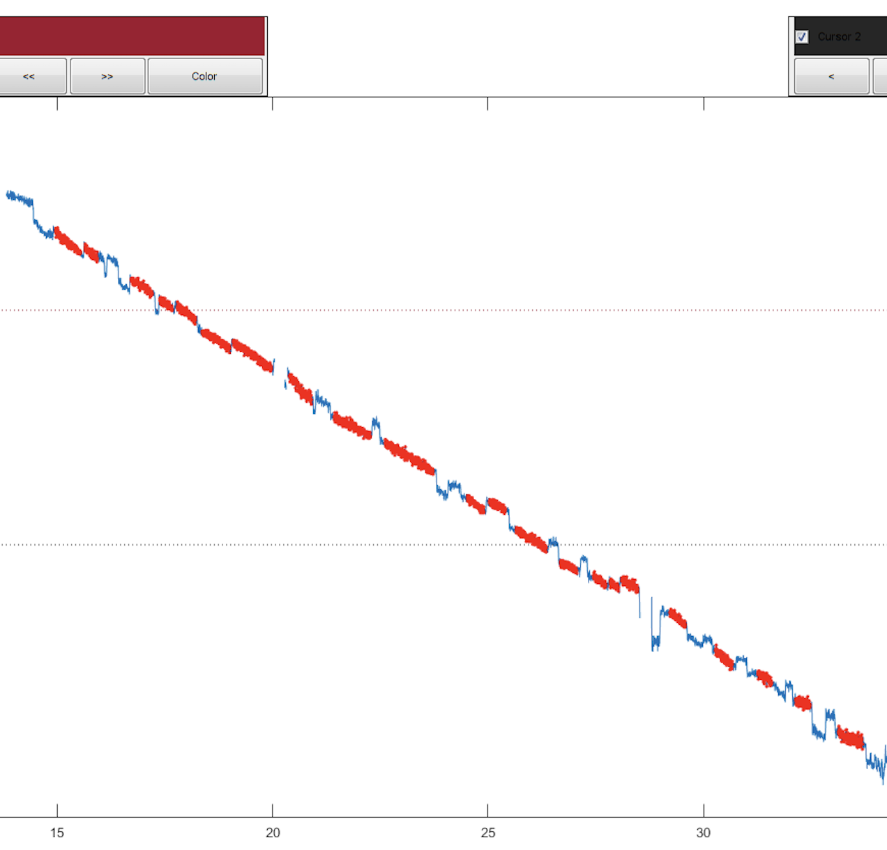
Position | Time | Position_segs | Time_segs | Postion | Smooth Residual | Gain | Auto_gain | Cal_gain
0.0033 | -0.121 | 10.0133 | 9.9271 | 10.0133 | 9.9275
0.0067 | -0.1008 | 10.0167 | 9.9457 | 10.0167 | 9.9643 | 0.70573139435 | 1.8037153064 | 0.97
0.01 | -0.1815 | 10.02 | 9.9643 | 10.02 | 9.955 | 0.79250720461
0.0133 | -0.2419 | 10.0233 | 9.9829 | 10.0233 | 9.96432 | 0.75722808628
0.0167 | -0.2016 | 10.0267 | 10.0016 | 10.0267 | 9.98294 | 0.75862068966
0.02 | -0.1613 | 10.03 | 10.0202 | 10.03 | 10.01396 | 0.81673060265
0.0233 | -0.0605 | 10.0333 | 10.1008 | 10.0333 | 10.0332 | 0.69649641199
0.0267 | -0.121 | 10.0367 | 10.0605 | 10.0367 | 10.06484 | 0.59518441699
SP
 | Time
0.0033 | -0.121
0.0067 | -0.1008
0.01 | -0.1815
0.0133 | -0.2419
0.0167 | -0.2016
0.02 | -0.1613
0.0233 | -0.0605
0.0267 | -0.121
0.03 | -0.0806
0.0333 | -0.2218
0.0367 | -0.2218
0.04 | -0.1411
0.0433 | -0.2218
0.0467 | -0.1815
0.05 | -0.2016
0.0533 | -0.0806
0.0567 | -0.0806
0.06 | -0.2016
0.0633 | -0.1411
0.0667 | -0.1411
0.07 | -0.2419
0.0733 | -0.2218
0.0767 | -0.1613
0.08 | -0.1008
0.0833 | 0.0403
0.0867 | 0.1411
0.09 | 0.4234
0.0933 | 0.3226
0.0967 | 0.3629
0.1 | 0.2823
0.1033 | 0.2621
0.1067 | 0.2621
0.11 | 0.2419
0.1133 | 0.3629
0.1167 | 0.1613
0.12 | 0.2823
0.1233 | 0.1613
0.1267 | 0.3831
0.13 | 0.2419
0.1333 | 0.2823
0.1367 | 0.2823
0.14 | 0.2823
0.1433 | 0.3024
0.1467 | 0.2218
0.15 | 0.2218
0.1533 | 0.3226
0.1567 | 0.4435
0.16 | 0.2218
0.1633 | 0.2016
0.1667 | 0.3427
...
0.03 | -0.0806 | 10.04 | 10.1411 | 10.04 | 10.06856 | 0.61763054464
0.0333 | -0.2218 | 10.0433 | 10.0202 | 10.0433 | 10.06048 | 0.61768834815
0.0367 | -0.2218 | 10.0467 | 9.9798 | 10.0467 | 10.05242 | 0.76124567474
0.04 | -0.1411 | 10.05 | 10.0605 | 10.05 | 10.04838 | 0.76133348714
0.0433 | -0.2218 | 10.0533 | 10.0403 | 10.0533 | 10.03628 | 0.69649641199
0.0467 | -0.1815 | 10.0567 | 10.0806 | 10.0567 | 10.0766 | 0.68202955461
0.05 | -0.2016 | 10.06 | 10.2218 | 10.06 | 10.0766 | 0.72751322751
0.0533 | -0.0806 | 10.0633 | 9.9798 | 10.0633 | 10.05644 | 0.5643919959
0.0567 | -0.0806 | 10.0667 | 9.9597 | 10.0667 | 10.02822 | 0.79845148802
0.06 | -0.2016 | 10.07 | 9.8992 | 10.07 | 10.03226 | 0.69649641199
0.0633 | -0.1411 | 10.0733 | 10.1008 | 10.0733 | 10.00402 | 0.81835089895
0.0667 | -0.1411 | 10.0767 | 10.0806 | 10.0767 | 10.00806 | 0.58458813109
0.07 | -0.2419 | 10.08 | 10.0000 | 10.08 | 10.01612 | 0.55485498108
0.0733 | -0.2218 | 10.0833 | 10 | 10.0833 | 10.0524 | 0.77940481814
0.0767 | -0.1613 | 10.0867 | 10.0806 | 10.0867 | 10.0524 | 0.72743304309
0.08 | -0.1008 | 10.09 | 10.1008 | 10.09 | 10.02418 | 0.68202955461
0.0833 | 0.0403 | 10.0933 | 9.9395 | 10.0933 | 10.00402 | 0.56444026341
Seg
10.0267 | 10.0016
10.03 | 10.0202
10.0333 | 10.1008
10.0367 | 10.0605
10.04 | 10.1411
10.0433 | 10.0202
10.0467 | 9.9798
10.05 | 10.0605
10.0533 | 10.0403
10.0567 | 10.0806
10.06 | 10.2218
10.0633 | 9.9798
10.0667 | 9.9597
10.07 | 9.8992
10.0733 | 10.1008
10.0767 | 10.0806
10.08 | 10
10.0833 | 10
10.0867 | 10.0806
10.09 | 10.1008
10.0933 | 9.9395
10.0967 | 9.8992
10.1 | 9.9597
10.1033 | 9.9798
10.1067 | 10
10.11 | 9.9798
10.1133 | 10
10.1167 | 10.2218
10.12 | 10.1815
10.1233 | 10.0605
10.1267 | 10.1815
10.13 | 10.2016
10.1333 | 10.1815
10.1367 | 9.8992
10.14 | 9.9395
10.1433 | 9.8992
10.1467 | 9.9194
10.15 | 10.1008
10.1533 | 9.8387
10.1567 | 10.0806
10.16 | 10.1815
10.1633 | 10
10.1667 | 10.0202
10.17 | 9.9597
10.1733 | 9.9597
10.1767 | 9.8992
10.18 | 10.0403
10.1833 | 10.1815
10.1867 | 9.879
10.19 | 9.9798
...
0.0867 | 0.1411 | 10.0967 | 9.8992 | 10.0967 | 9.99596 | 0.71166702609
0.09 | 0.4234 | 10.1 | 9.9597 | 10.1 | 9.9758 | 0.81835089895
0.0933 | 0.3226 | 10.1033 | 9.9798 | 10.1033 | 9.95564 | 0.57431256526
0.0967 | 0.3629 | 10.1067 | 10 | 10.1067 | 9.9637 | 0.69656992084
0.1 | 0.2823 | 10.11 | 9.9798 | 10.11 | 9.98386 | 0.59518441699
0.1033 | 0.2621 | 10.1133 | 10 | 10.1133 | 10.03628 | 0.60622761091
0.1067 | 0.2621 | 10.1167 | 10.2218 | 10.1167 | 10.07662 | 0.57431256526
0.11 | 0.2419 | 10.12 | 10.1815 | 10.12 | 10.08872 | 0.50362457077
0.1133 | 0.3629 | 10.1233 | 10.0605 | 10.1233 | 10.12906 | 0.50362457077
0.1167 | 0.1613 | 10.1267 | 10.1815 | 10.1267 | 10.16938 | 0.58458813109
0.12 | 0.2823 | 10.13 | 10.2016 | 10.13 | 10.16132 | 0.51146931184
0.1233 | 0.1613 | 10.1333 | 10.1815 | 10.1333 | 10.10486 | 0.51150895141
0.1267 | 0.3831 | 10.1367 | 9.8992 | 10.1367 | 10.08066 | 0.51960321209
0.13 | 0.2419 | 10.14 | 9.9395 | 10.14 | 10.0242 | 0.65469695467
0.1333 | 0.2823 | 10.1433 | 9.8992 | 10.1433 | 9.96776 | 0.69649641199
0.1367 | 0.2823 | 10.1467 | 9.9194 | 10.1467 | 9.95162 | 0.55485498108
0.14 | 0.2823 | 10.15 | 10.1008 | 10.15 | 9.93952 | 0.55480833894
0.1433 | 0.3024 | 10.1533 | 9.8387 | 10.1533 | 9.96774 | 0.56444026341
0.1467 | 0.2218 | 10.1567 | 10.0806 | 10.1567 | 10.0242 | 0.58458813109
0.15 | 0.2218 | 10.16 | 10.1815 | 10.16 | 10.04032 | 0.5743625446
0.1533 | 0.3226 | 10.1633 | 10 | 10.1633 | 10.0242 | 0.44235924933
0.1567 | 0.4435 | 10.1667 | 10.0202 | 10.1667 | 10.0484 | 0.57431256526
0.16 | 0.2218 | 10.17 | 9.9597 | 10.17 | 10.02422 | 0.54558981566
0.1633 | 0.2016 | 10.1733 | 9.9597 | 10.1733 | 9.96776 | 0.51960321209
0.1667 | 0.3427 | 10.1767 | 9.8992 | 10.1767 | 9.97582 | 0.54558981566
...

