DNAsp
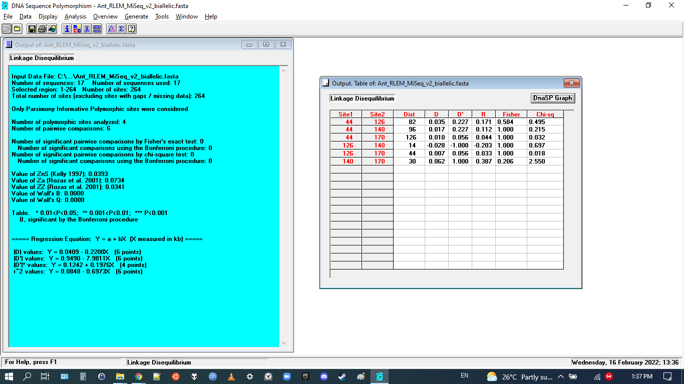
No significant correlations between SNPs (significant results will be marked *)

