DataNotes
Patient Cohort: | These data pulls for every module use a somewhat novel method of building a patient cohort. In order to capture the very long engagement times of some MH patients, we decided we need to be able to look backwards as far as possible to find patients' first visits. Therefore, the patient cohort for each model is built by capturing all the unique patients who had a visit with the given team (from the user-supplied list of clinics/grids) within the correct encounter bin (see cell B3 below) between 18 and 6 months ago. From that set of clinics, patients, and CPT codes, the query then fetches all visits, no matter how long ago or how recent. Then, in order to capture parameters that should be time-bound, such as new patients per week, the query can use that single year (e.g. from the patient cohort, how many were new to the team in the year that was used to build the cohort? Because that patient count captures all new patients over the year, we can just divide by 52 to get an average new patients per week). For parameters that should not be time-bound, all the visits can be considered, so that some patients will correctly be fed into the model with many visits over years of engagement. The fact that some parameters here are time-bound and some are not is very unusual, and can be counter-intuitive when looking at the data tables. However, the parameters and their uses should be much clearer once you've had a facilitated modeling session.

Encounter bins: | The encounter types used in the models come from the following CPT codes: | case when cpt.CPTCode in ('90791','90792','99201','99202','99203','99204','99205') then 'Evaluation'
 |  |  | when cpt.CPTCode in ('90834','90837') then 'Psychotherapy 60-minute'
 |  |  | when cpt.CPTCode in ('90833','90836') then 'Psychotherapy with med mgmt'
 |  |  | when cpt.CPTCode in ('90853') then 'Group therapy'
 |  |  | when cpt.CPTCode in ('90847') then 'Family therapy'
 |  |  | when cpt.CPTCode in ('99212','99213','99214','99215') then 'Med mgmt'
 |  |  | when cpt.CPTCode in ('t1016','90832','90839') then 'Care or support'
 |  |  | when cpt.CPTCode in ('h0005') then 'Addiction'
 |  |  | when cpt.CPTCode in ('99441','99442','99443','98966','98967','98968') then 'Telephone'
 |  |  | when cpt.cptcode in ('97533','97150') then 'art/rec'
 |  |  | else 'adjunct' end as 'Encounter Type'

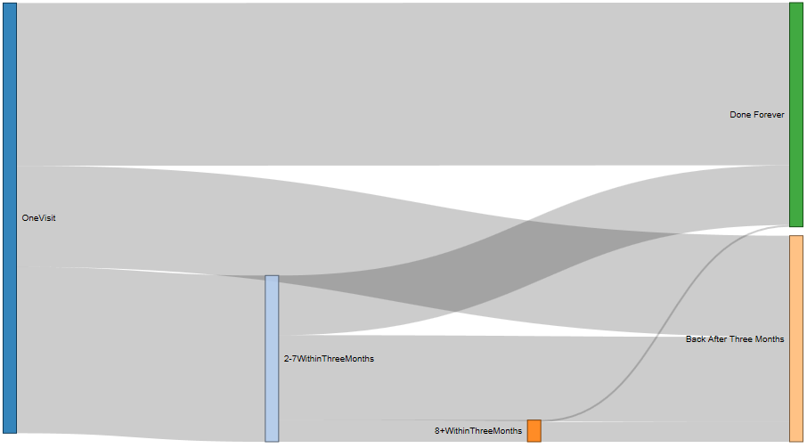
0.4
Psy model patient engagement patterns: | There are eight flows by patient engagement pattern, as shown in the Sankey diagram on the right. Note that there are three flows from the one visit node on the far left, three flows from the 2-7 node, and two flows from the 8+ node. The model takes proportional flow widths as inputs. I.e. proportional heights in the diagram shown, since the flows go horizontally. For example, the top flow, which connects the [OneVisit] node to the [Done Forever] node would be passed to the model as approximately 0.4, because the flow height is about 40% of the height of the [OneVisit] node. With that system, only 5 quantities need to be passed to the model, and the other three (one from each non-ending node) can be calculated. For example, if the flow from [OneVisit] to [2-7WithinThreeMonths] is also 0.4, then the model can calculate that the remaining flow, from [OneVisit] to [Back After Three Months], is 0.2, because 1-0.4-0.4 =0.2. Note that this Sankey shows visit patterns over time but is not itself time-based. Each patient's first visit is represented in the one visit node, regardless of when the visit occurred. Then, each patient's visits 2-7 happen after each patient's first visit, but again those visits could have happened at any time. This way, a pattern of engagement that happened over the course of 2017 is aggregated right along with a different patient who engaged with the team in 2018.

0.2

0.4

SP Model Cohort: | As in the other models' data pulls, a patient cohort is built from the patients seen in the users' team between 18 and 6 months ago. This means that all data for the SP model involves patients seen in the users' team. This is especially important for SP, because there are patient care pathways in the model that bypass the users' team. Data exist for cases like that, but we expect it to be sparse, because we're only including patients who at some point were seen in the users' team. |  | Step up/down categorization: | Identify a (potential) step up/down by detecting a visit in one of the other sets of locations, either user-supplied or pc/pcmhi by stopcode and diagnosis.
SP Model step up/down detection and categorization algorithm: | A detection/categorization algorithm is necessary in order to fill the model step up/down parameters. "Clean" step up/downs are when a patient step up/downs from one location to another. Note that patients can continue to receive services in the old location even after a clean step up/down, as long as they get care slowly (RVI > 12 weeks). See the steps in the table to the right. "Concurrent" is for when a patient receives services in both locations concurrently without a step up/down, which the model treats as a new care episode starting in the second location. A "bounce" is when a patient gets only one visit in the new location. In each case, the user's gap threshold is used to determine when a care episode is over and a new one starts. For example, if a patient has a string of visits, but then a gap in treatment longer than the threshold, and then more visits in that same setting, those visits after the gap will be treated as a new care episode. Similarly, if a patient leaves care in one setting and starts care in another setting but much later, then as long as that gap was greater than the threshold in the new setting, it will be counted as ending in the old setting and a new care episode in the new setting (rather than a clean step up/down with a very long wait time). |  | step 2: | Check how many visits occur in the new location, unless the new location is PCMH or inpatient (in which case skip this step). If it's only 1 visit, then it is not a real step up/down, and the algorithm stops.
 | Note that this step up/down detection algorithm is recursive: A given patient might have any number of stops and starts depending on the gap threshold, with each new start counted as the start of a new care episode. Similarly, a patient could cleanly step up/down between clinics any number of times. |  | step 3: | Check for 2 visits with the old team after the first new team visit. If only 1 or 0 visits with the old team, then the step up/down is clean, and the algorithm stops.
Inpatient stays are included for the following codes: | SpecialtyCDR in (1711 --PRRTP |  | step 4: | If there are at least 2 visits with the old team after the first new team visit, then calculate rvi in the old team, using the number of visits and the datediff from the first new team visit until the last old team visit. If rvi > 12 weeks, then the tranfer is clean. Otherwise, it is concurrent.
 | ,1712 --PTSD-RRTP
 | ,1713 --SARRTP
 | ,1513 --DCHV
 | ,1717 --General CWT-TR
 | ,1510 --General Dom
 | ,1511 --Dom SA
 | ,1512 --Dom PTSD
 | ,1715) --SA CWT/TR

