Instructions
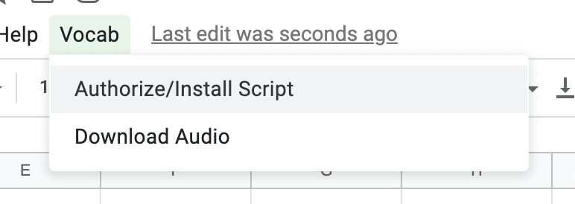
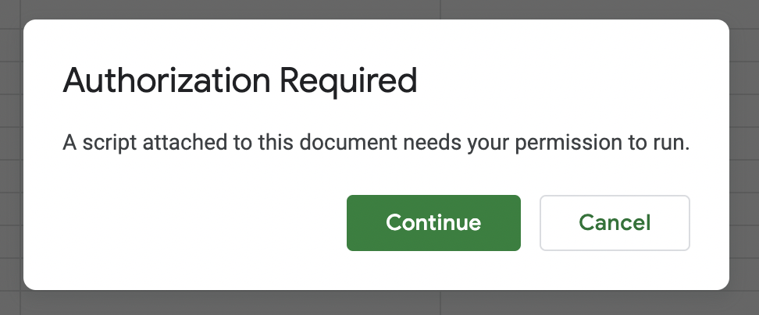
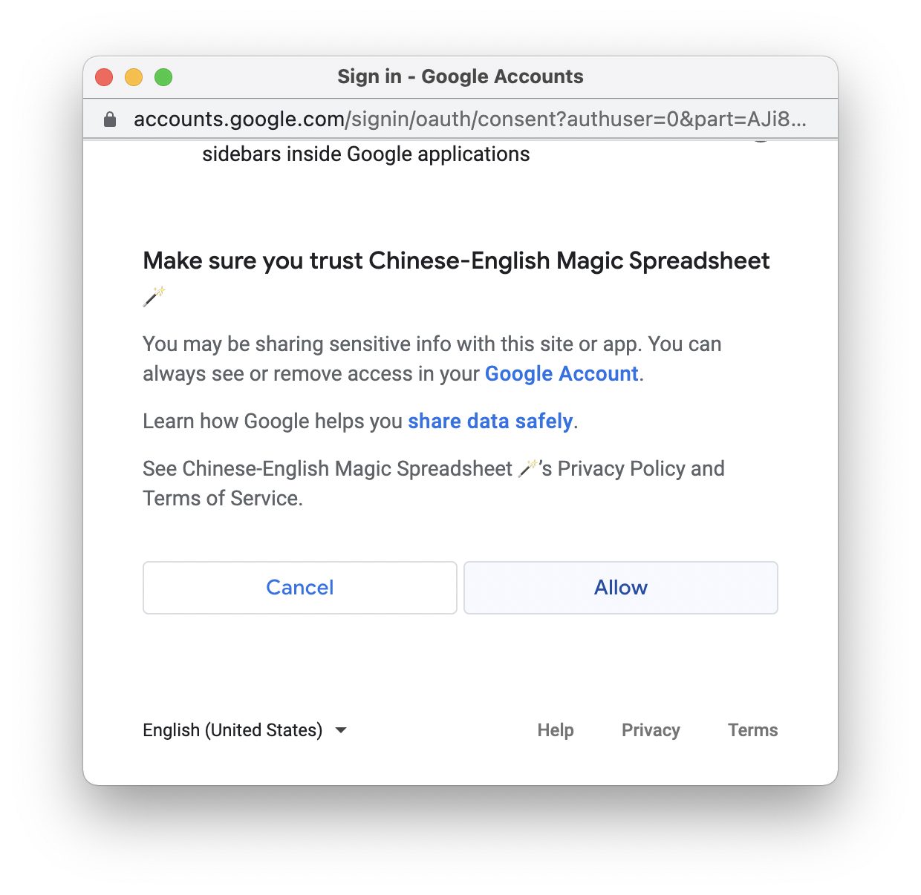
Chinese-English Magic Spreadsheet 🪄 v1.0.1
by James Murdza • Last updated: 7/7/2022 • <https://tinyurl.com/chinese-magic-sheet>

Translations are autofilled in the sheet, with the ability to correct afterwards:

Installation instructions →

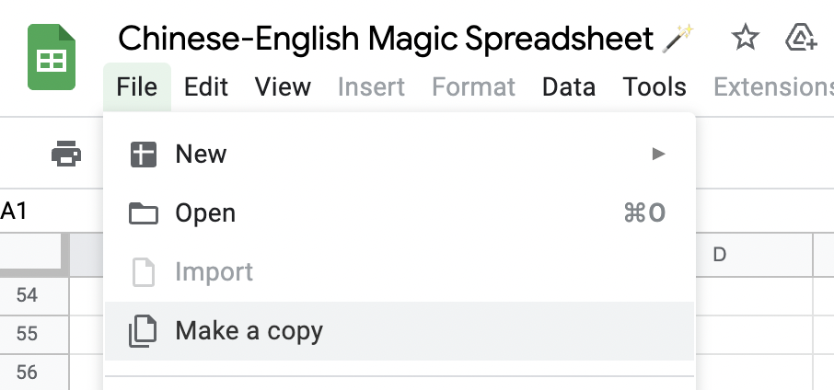
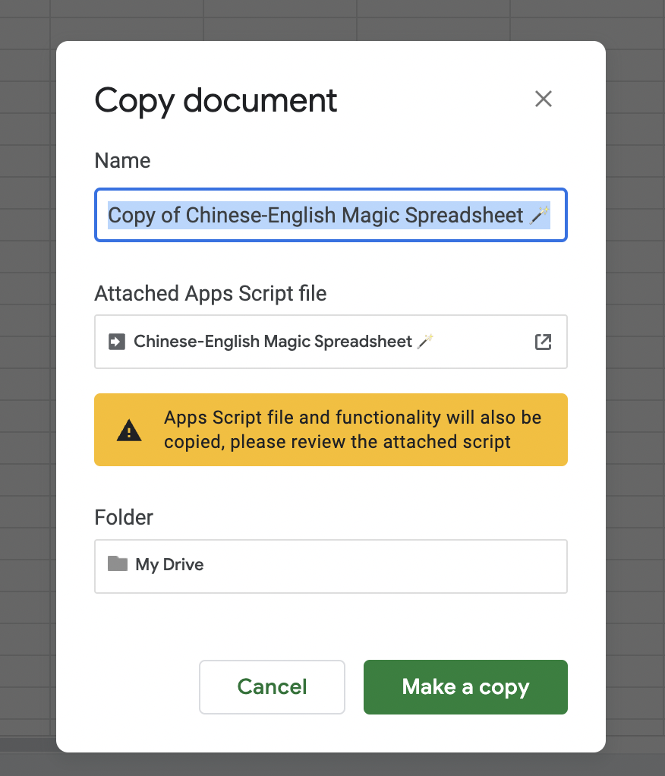
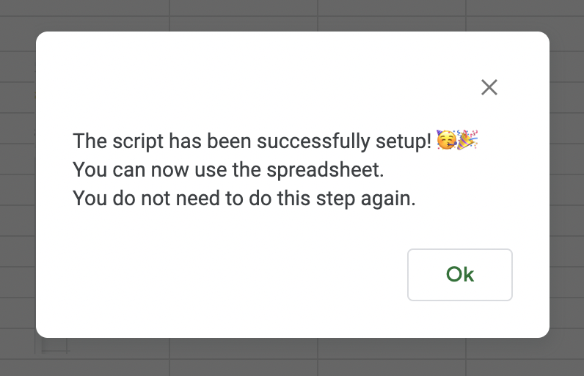
① Make a copy. | ② Name it anything you want. | ③ When the Vocab menu appears, click "Authorize/Install Script". | ④ Go through the authorization process. | ⑤ Do this step again! | ⑥ Finished! You can start using the sheet.

Chinese
traditional | simplified | english | pinyin | date added
南瓜 | 南瓜 | 南瓜 | nánguā | 2022-07-08

Instructions: enter words in Traditional Chinese, Simplified Chinese, or English and the rest will be filled in for you!

