13
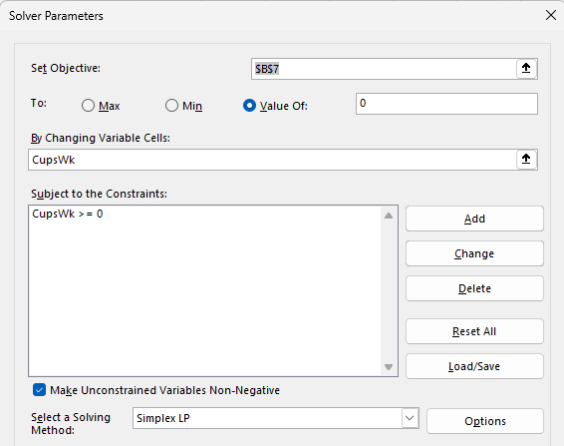
Julie James is opening a lemonade stand. She believes the fixed cost per week of running the stand is $50.00. Her best guess is that she can sell 300 cups per week at $0.50 per cup. The variable cost of producing a cup of lemonade is $0.20.

Fixed Cost | $50.00
Cups/Wk | 166.66666667
$/Cup | $0.50
Var | $0.20
Net | $0.00

Given her other assumptions, what level of sales volume will enable Julie to break even?

166 Cups = ($0.20) Net Profit (Loss)
167 Cups = $0.10 Net Profit

Fixed Cost | $50.00
Cups/Wk | 167
$/Cup | $0.50
Var | $0.20
Net | $0.10

Given her other assumptions, discuss how a change in sales volume affects profit.

Each additional cup sold increases net profit by $0.30

Revenue - Cost = $0.50 - $0.20 = $0.30

Given her other assumptions, discuss how a change in sales volume and variable cost jointly affect profit.

Increased sales volume = increased profit
Increased variable cost = decreased profit (and vice versa)

Use Excel’s Formula Auditing tools to show which cells in your spreadsheet affect profit directly.

Net = (CupsWk*CostCup)-(CupsWk*Var)-Fixed
All variables contribute to profit

For these calculations only Cups/Wk was modified -

14
You are thinking of opening a small copy shop. It costs $5000 to rent a copier for a year, and it costs $0.03 per copy to operate the copier. Other fixed costs of running the store will amount to $400 per month. You plan to charge an average of $0.10 per copy, and the store will be open 365 days per year. Each copier can make up to 100,000 copies per year.

For one to five copiers rented and daily demands of 500, 1000, 1500, and 2000 copies per day, find annual profit. That is, find annual profit for each of these combinations of copiers rented and daily demand.

No Copiers | 3
Rent/Copier | $5,000.00
Fixed | $4,800.00
Price/Copy | $0.10
Cost/Copy | $0.03
Demand | 282857.28571
Net Profit | $0.01

 | Demand (Yr)
Copiers | 182500 | 365000 | 547500 | 730000
1 | 100000 | 100000 | 100000 | 100000
2 | 182500 | 200000 | 200000 | 200000
3 | 182500 | 300000 | 300000 | 300000
4 | 182500 | 365000 | 400000 | 400000
5 | 182500 | 365000 | 500000 | 500000

 | Demand * (Price - Cost)
1 | $7,000.00 | $7,000.00 | $7,000.00 | $7,000.00
2 | $12,775.00 | $14,000.00 | $14,000.00 | $14,000.00
3 | $12,775.00 | $21,000.00 | $21,000.00 | $21,000.00
4 | $12,775.00 | $25,550.00 | $28,000.00 | $28,000.00
5 | $12,775.00 | $25,550.00 | $35,000.00 | $35,000.00

 | Profit
1 | ($2,800.00) | ($2,800.00) | ($2,800.00) | ($2,800.00)
2 | ($2,025.00) | ($800.00) | ($800.00) | ($800.00)
3 | ($7,025.00) | $1,200.00 | $1,200.00 | $1,200.00
4 | ($12,025.00) | $750.00 | $3,200.00 | $3,200.00
5 | ($17,025.00) | ($4,250.00) | $5,200.00 | $5,200.00

If you rent three copiers, what daily demand for copies will allow you to break even?

No Copiers | 3
Rent/Copier | $5,000.00
Fixed | $4,800.00
Price/Copy | $0.10
Cost/Copy | $0.03
Demand | 282857.28571 | (annual)
Net Profit | $0.01

Per Day | 774.95146771

Graph profit as a function of the number of copiers for a daily demand of 500 copies; for a daily demand of 2000 copies. Interpret your graphs.

 | Profit (Demand = 500/day)
 | ($2,800.00) | 1
 | ($2,025.00)
 | ($7,025.00)
 | ($12,025.00)
 | ($17,025.00)

After two printers the demand is less than the print capacity and (idle/unnecessary) printer rent reduces profit
Too many printers for demand; rent reduces profit

The demand is high enough for 5 printers to maximize profitability

16
A company manufacturers a product in the United States and sells it in England. The unit cost of manufacturing is $50. The current exchange rate (dollars per pound) is 1.221. The demand function, which indicates how many units the company can sell in England as a function of price (in pounds) is of the power type, with constant 27556759 and exponent −2.4.

Develop a model for the company’s profit (in dollars) as a function of the price it charges (in pounds). Then use a data table to find the profit-maximizing price to the nearest pound.

Constant | 27,556,759
Exponent | -2.4
Exchange Rate ($/Pound) | 1.221
Unit Cost | $50.00
Unit Price | $55.00
Profit | $5.00
Profit (Pounds) | £4.10

Profit/Unit ($)
Price Charged (Pounds) | Profit/Unit ($) | Demand | Profit
£20.00 | ($25.5800) | 20,785 | ($531,687.79)
£25.00 | ($19.4750) | 12,167 | ($236,946.11)
£30.00 | ($13.3700) | 7,855 | ($105,019.16)
£35.00 | ($7.2650) | 5,426 | ($39,418.53)
£40.00 | ($1.1600) | 3,938 | ($4,568.17)
£45.00 | $4.9450 | 2,968 | $14,678.59
£50.00 | $11.0500 | 2,305 | $25,471.96
£55.00 | $17.1550 | 1,834 | $31,459.25
£60.00 | $23.2600 | 1,488 | $34,615.84
£65.00 | $29.3650 | 1,228 | $36,063.35
£70.00 | $35.4700 | 1,028 | $36,463.14
£75.00 | $41.5750 | 871 | $36,217.07
£80.00 | $47.6800 | 746 | $35,575.29

Demand
Profit Peaks at price of £70

If the exchange rate varies from its current value, does the profit-maximizing price increase or decrease? Does the maximum profit increase or decrease?

The profit increases as the exchange rate decreases and vice versa

 | ($6.1050) | 8,619
 | (6) | 4,312
 | ($6.1050) | 2,429
 | ($6.1050) | 1,488
 | (6) | 970
 | ($6.1050) | 663
 | ($6.1050) | 471
 | (6) | 346
 | ($6.1050) | 260
 | ($6.1050) | 200
 | (6) | 157
 | ($6.1050) | 125

