Pages
Page name | URL | Journey | Persona | Screengrab | Design patterns (NHS / X-GOV) | Pattern links
Log in (start page) | /sign-in | Log in, choose organisation and log out (CES-001 to CES-004) | Any user (not logged in) | 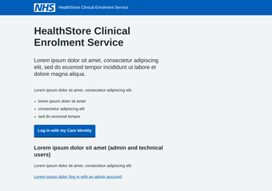 | Start page (NHS) Buttons (NHS) Care Identity button (NHS England) CIS2 sign-in design patterns (NHS England) | https://service-manual.nhs.uk/design-system/patterns/start-page https://service-manual.nhs.uk/design-system/components/buttons https://digital.nhs.uk/services/care-identity-service/applications-and-services/cis2-authentication/integrate/design-and-build/adding-the-care-identity-button-to-your-service https://digital.nhs.uk/services/care-identity-service/applications-and-services/cis2-authentication/integrate/design-and-build/sign-in-design-patterns
Simulated CIS2 log in (prototype only) | /sign-in/cis2 | Log in, choose organisation and log out (CES-001 to CES-004) | Dr Asha Patel – Clinician (2 organisations) | 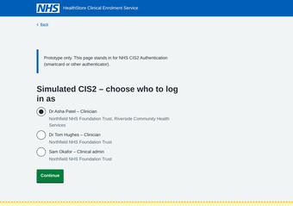 | CIS2 sign-in design patterns (NHS England) | https://digital.nhs.uk/services/care-identity-service/applications-and-services/cis2-authentication/integrate/design-and-build/sign-in-design-patterns
Choose an organisation | /sign-in/select-organisation | Log in, choose organisation and log out (CES-001 to CES-004) | Dr Asha Patel – Clinician (2 organisations) | 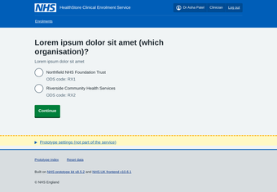 | Question pages (NHS) Radios (NHS) Organisation switcher (X-GOV: MoJ) | https://service-manual.nhs.uk/design-system/patterns/question-pages https://service-manual.nhs.uk/design-system/components/radios https://design-patterns.service.justice.gov.uk/components/organisation-switcher/
Enrolments list | /enrolments | Log in, choose organisation and log out (CES-001 to CES-004) | Dr Asha Patel – Clinician (2 organisations) | 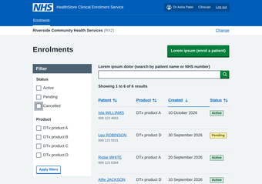 | Table (NHS) Search input (NHS) Pagination (NHS) Tag (NHS) Filter a list (X-GOV: MoJ) Page header actions (X-GOV: MoJ) | https://service-manual.nhs.uk/design-system/components/table https://service-manual.nhs.uk/design-system/components/search-input https://service-manual.nhs.uk/design-system/components/pagination https://service-manual.nhs.uk/design-system/components/tag https://design-patterns.service.justice.gov.uk/patterns/filter-a-list/ https://design-patterns.service.justice.gov.uk/components/page-header-actions/
Logged out | /signed-out | Log in, choose organisation and log out (CES-001 to CES-004) | Dr Asha Patel – Clinician (2 organisations) | 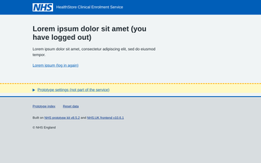 | Header (NHS) | https://service-manual.nhs.uk/design-system/components/header
Log in with an admin account | /sign-in/admin | Log in, choose organisation and log out (CES-001 to CES-004) | Lee Morgan – Technical admin | 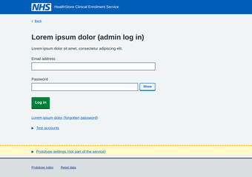 | Text input (NHS) Password input (NHS) Passwords (X-GOV: GOV.UK) Error summary (NHS) Error message (NHS) | https://service-manual.nhs.uk/design-system/components/text-input https://service-manual.nhs.uk/design-system/components/password-input https://design-system.service.gov.uk/patterns/passwords/ https://service-manual.nhs.uk/design-system/components/error-summary https://service-manual.nhs.uk/design-system/components/error-message
Product catalogue | /catalogue | Log in, choose organisation and log out (CES-001 to CES-004) | Lee Morgan – Technical admin | 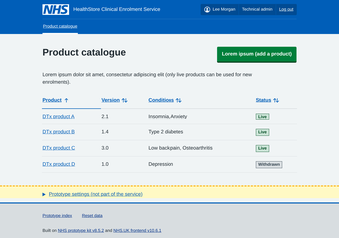 | Table (NHS) Tag (NHS) Notification banners (NHS) Page header actions (X-GOV: MoJ) | https://service-manual.nhs.uk/design-system/components/table https://service-manual.nhs.uk/design-system/components/tag https://service-manual.nhs.uk/design-system/components/notification-banners https://design-patterns.service.justice.gov.uk/components/page-header-actions/
Enrolments list | /enrolments | Enrol a patient – variant A, task list (CES-007 to CES-009) | Dr Tom Hughes – Clinician | 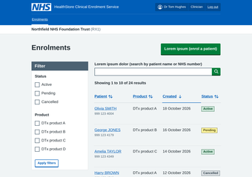 | Table (NHS) Search input (NHS) Pagination (NHS) Tag (NHS) Filter a list (X-GOV: MoJ) Page header actions (X-GOV: MoJ) | https://service-manual.nhs.uk/design-system/components/table https://service-manual.nhs.uk/design-system/components/search-input https://service-manual.nhs.uk/design-system/components/pagination https://service-manual.nhs.uk/design-system/components/tag https://design-patterns.service.justice.gov.uk/patterns/filter-a-list/ https://design-patterns.service.justice.gov.uk/components/page-header-actions/
NHS number | /enrol/nhs-number | Enrol a patient – variant A, task list (CES-007 to CES-009) | Dr Tom Hughes – Clinician | 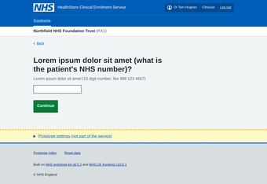 | Ask for NHS numbers (NHS) Question pages (NHS) Text input (NHS) Hint text (NHS) Error summary (NHS) Error message (NHS) | https://service-manual.nhs.uk/design-system/patterns/ask-for-nhs-numbers https://service-manual.nhs.uk/design-system/patterns/question-pages https://service-manual.nhs.uk/design-system/components/text-input https://service-manual.nhs.uk/design-system/components/hint-text https://service-manual.nhs.uk/design-system/components/error-summary https://service-manual.nhs.uk/design-system/components/error-message
Searching PDS | /enrol/searching | Enrol a patient – variant A, task list (CES-007 to CES-009) | Dr Tom Hughes – Clinician | 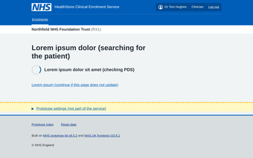 | Spinner progress indicator (X-GOV: MoJ) | https://design-patterns.service.justice.gov.uk/components/spinner-progress-indicator/
Is this the right patient? | /enrol/confirm-patient | Enrol a patient – variant A, task list (CES-007 to CES-009) | Dr Tom Hughes – Clinician | 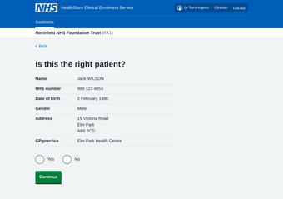 | Summary list (NHS) Radios (NHS) Warning callout (NHS) | https://service-manual.nhs.uk/design-system/components/summary-list https://service-manual.nhs.uk/design-system/components/radios https://service-manual.nhs.uk/design-system/components/warning-callout
Task list | /enrol/a/tasks | Enrol a patient – variant A, task list (CES-007 to CES-009) | Dr Tom Hughes – Clinician | 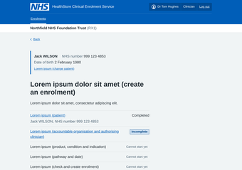 | Complete multiple tasks (NHS) Task list (NHS) Identity bar (X-GOV: MoJ) | https://service-manual.nhs.uk/design-system/patterns/complete-multiple-tasks https://service-manual.nhs.uk/design-system/components/task-list https://design-patterns.service.justice.gov.uk/components/identity-bar/
Accountable clinical organisation | /enrol/a/organisation | Enrol a patient – variant A, task list (CES-007 to CES-009) | Dr Tom Hughes – Clinician | 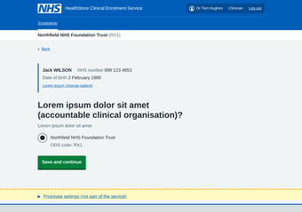 | Question pages (NHS) Radios (NHS) Identity bar (X-GOV: MoJ) | https://service-manual.nhs.uk/design-system/patterns/question-pages https://service-manual.nhs.uk/design-system/components/radios https://design-patterns.service.justice.gov.uk/components/identity-bar/
Authorising clinician | /enrol/a/clinician | Enrol a patient – variant A, task list (CES-007 to CES-009) | Dr Tom Hughes – Clinician | 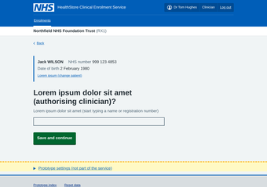 | Question pages (NHS) Select (NHS) Accessible autocomplete (X-GOV: GOV.UK) Identity bar (X-GOV: MoJ) | https://service-manual.nhs.uk/design-system/patterns/question-pages https://service-manual.nhs.uk/design-system/components/select https://github.com/alphagov/accessible-autocomplete https://design-patterns.service.justice.gov.uk/components/identity-bar/
Product | /enrol/a/product | Enrol a patient – variant A, task list (CES-007 to CES-009) | Dr Tom Hughes – Clinician | 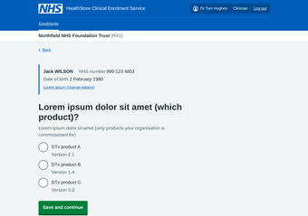 | Question pages (NHS) Radios (NHS) Inset text (NHS) Identity bar (X-GOV: MoJ) | https://service-manual.nhs.uk/design-system/patterns/question-pages https://service-manual.nhs.uk/design-system/components/radios https://service-manual.nhs.uk/design-system/components/inset-text https://design-patterns.service.justice.gov.uk/components/identity-bar/
Condition | /enrol/a/condition | Enrol a patient – variant A, task list (CES-007 to CES-009) | Dr Tom Hughes – Clinician | 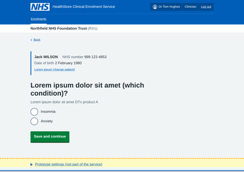 | Question pages (NHS) Radios (NHS) Identity bar (X-GOV: MoJ) | https://service-manual.nhs.uk/design-system/patterns/question-pages https://service-manual.nhs.uk/design-system/components/radios https://design-patterns.service.justice.gov.uk/components/identity-bar/
Indication | /enrol/a/indication | Enrol a patient – variant A, task list (CES-007 to CES-009) | Dr Tom Hughes – Clinician |  | Question pages (NHS) Radios (NHS) Identity bar (X-GOV: MoJ) | https://service-manual.nhs.uk/design-system/patterns/question-pages https://service-manual.nhs.uk/design-system/components/radios https://design-patterns.service.justice.gov.uk/components/identity-bar/
Pathway | /enrol/a/pathway | Enrol a patient – variant A, task list (CES-007 to CES-009) | Dr Tom Hughes – Clinician | 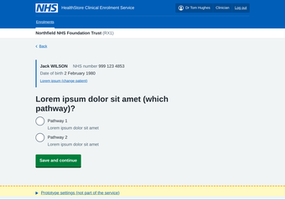 | Question pages (NHS) Radios (NHS) Identity bar (X-GOV: MoJ) | https://service-manual.nhs.uk/design-system/patterns/question-pages https://service-manual.nhs.uk/design-system/components/radios https://design-patterns.service.justice.gov.uk/components/identity-bar/
Date (field to be confirmed) | /enrol/a/start-date | Enrol a patient – variant A, task list (CES-007 to CES-009) | Dr Tom Hughes – Clinician | 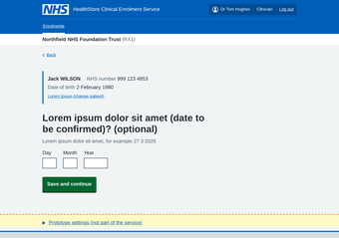 | Question pages (NHS) Date input (NHS) Identity bar (X-GOV: MoJ) | https://service-manual.nhs.uk/design-system/patterns/question-pages https://service-manual.nhs.uk/design-system/components/date-input https://design-patterns.service.justice.gov.uk/components/identity-bar/
Check answers | /enrol/a/check | Enrol a patient – variant A, task list (CES-007 to CES-009) | Dr Tom Hughes – Clinician | 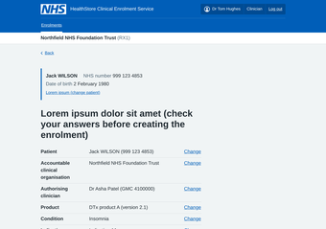 | Check answers (NHS) Summary list (NHS) Identity bar (X-GOV: MoJ) | https://service-manual.nhs.uk/design-system/patterns/check-answers https://service-manual.nhs.uk/design-system/components/summary-list https://design-patterns.service.justice.gov.uk/components/identity-bar/
Enrolment created | /enrol/confirmation | Enrol a patient – variant A, task list (CES-007 to CES-009) | Dr Tom Hughes – Clinician | 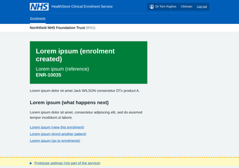 | Confirmation page (NHS) Panel (NHS) | https://service-manual.nhs.uk/design-system/patterns/confirmation-page https://service-manual.nhs.uk/design-system/components/panel
NHS number | /enrol/nhs-number | Enrol a patient – variant B, one question per page (CES-009) | Dr Tom Hughes – Clinician |  | Ask for NHS numbers (NHS) Question pages (NHS) Text input (NHS) Hint text (NHS) Error summary (NHS) Error message (NHS) | https://service-manual.nhs.uk/design-system/patterns/ask-for-nhs-numbers https://service-manual.nhs.uk/design-system/patterns/question-pages https://service-manual.nhs.uk/design-system/components/text-input https://service-manual.nhs.uk/design-system/components/hint-text https://service-manual.nhs.uk/design-system/components/error-summary https://service-manual.nhs.uk/design-system/components/error-message
Is this the right patient? | /enrol/confirm-patient | Enrol a patient – variant B, one question per page (CES-009) | Dr Tom Hughes – Clinician |  | Summary list (NHS) Radios (NHS) Warning callout (NHS) | https://service-manual.nhs.uk/design-system/components/summary-list https://service-manual.nhs.uk/design-system/components/radios https://service-manual.nhs.uk/design-system/components/warning-callout
Accountable clinical organisation | /enrol/b/organisation | Enrol a patient – variant B, one question per page (CES-009) | Dr Tom Hughes – Clinician | 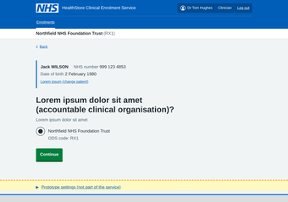 | Question pages (NHS) Radios (NHS) Identity bar (X-GOV: MoJ) | https://service-manual.nhs.uk/design-system/patterns/question-pages https://service-manual.nhs.uk/design-system/components/radios https://design-patterns.service.justice.gov.uk/components/identity-bar/
Authorising clinician | /enrol/b/clinician | Enrol a patient – variant B, one question per page (CES-009) | Dr Tom Hughes – Clinician | 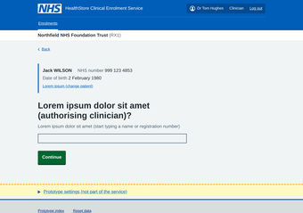 | Question pages (NHS) Select (NHS) Accessible autocomplete (X-GOV: GOV.UK) Identity bar (X-GOV: MoJ) | https://service-manual.nhs.uk/design-system/patterns/question-pages https://service-manual.nhs.uk/design-system/components/select https://github.com/alphagov/accessible-autocomplete https://design-patterns.service.justice.gov.uk/components/identity-bar/
Product | /enrol/b/product | Enrol a patient – variant B, one question per page (CES-009) | Dr Tom Hughes – Clinician | 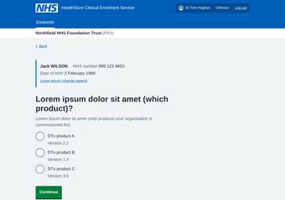 | Question pages (NHS) Radios (NHS) Inset text (NHS) Identity bar (X-GOV: MoJ) | https://service-manual.nhs.uk/design-system/patterns/question-pages https://service-manual.nhs.uk/design-system/components/radios https://service-manual.nhs.uk/design-system/components/inset-text https://design-patterns.service.justice.gov.uk/components/identity-bar/
Condition | /enrol/b/condition | Enrol a patient – variant B, one question per page (CES-009) | Dr Tom Hughes – Clinician | 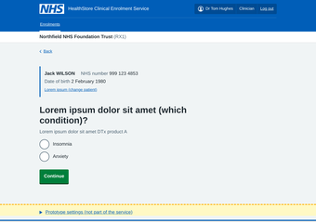 | Question pages (NHS) Radios (NHS) Identity bar (X-GOV: MoJ) | https://service-manual.nhs.uk/design-system/patterns/question-pages https://service-manual.nhs.uk/design-system/components/radios https://design-patterns.service.justice.gov.uk/components/identity-bar/
Indication | /enrol/b/indication | Enrol a patient – variant B, one question per page (CES-009) | Dr Tom Hughes – Clinician | 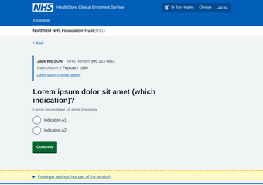 | Question pages (NHS) Radios (NHS) Identity bar (X-GOV: MoJ) | https://service-manual.nhs.uk/design-system/patterns/question-pages https://service-manual.nhs.uk/design-system/components/radios https://design-patterns.service.justice.gov.uk/components/identity-bar/
Pathway | /enrol/b/pathway | Enrol a patient – variant B, one question per page (CES-009) | Dr Tom Hughes – Clinician | 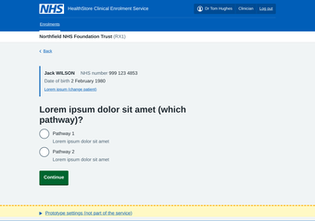 | Question pages (NHS) Radios (NHS) Identity bar (X-GOV: MoJ) | https://service-manual.nhs.uk/design-system/patterns/question-pages https://service-manual.nhs.uk/design-system/components/radios https://design-patterns.service.justice.gov.uk/components/identity-bar/
Date (field to be confirmed) | /enrol/b/start-date | Enrol a patient – variant B, one question per page (CES-009) | Dr Tom Hughes – Clinician | 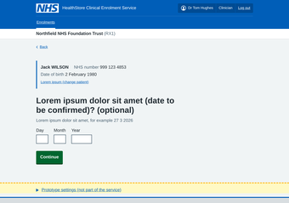 | Question pages (NHS) Date input (NHS) Identity bar (X-GOV: MoJ) | https://service-manual.nhs.uk/design-system/patterns/question-pages https://service-manual.nhs.uk/design-system/components/date-input https://design-patterns.service.justice.gov.uk/components/identity-bar/
Check answers | /enrol/b/check | Enrol a patient – variant B, one question per page (CES-009) | Dr Tom Hughes – Clinician |  | Check answers (NHS) Summary list (NHS) Identity bar (X-GOV: MoJ) | https://service-manual.nhs.uk/design-system/patterns/check-answers https://service-manual.nhs.uk/design-system/components/summary-list https://design-patterns.service.justice.gov.uk/components/identity-bar/
Enrolment created | /enrol/confirmation | Enrol a patient – variant B, one question per page (CES-009) | Dr Tom Hughes – Clinician |  | Confirmation page (NHS) Panel (NHS) | https://service-manual.nhs.uk/design-system/patterns/confirmation-page https://service-manual.nhs.uk/design-system/components/panel
NHS number | /enrol/nhs-number | Enrol a patient – unhappy paths (CES-008, CES-009) | Dr Tom Hughes – Clinician |  | Ask for NHS numbers (NHS) Question pages (NHS) Text input (NHS) Hint text (NHS) Error summary (NHS) Error message (NHS) | https://service-manual.nhs.uk/design-system/patterns/ask-for-nhs-numbers https://service-manual.nhs.uk/design-system/patterns/question-pages https://service-manual.nhs.uk/design-system/components/text-input https://service-manual.nhs.uk/design-system/components/hint-text https://service-manual.nhs.uk/design-system/components/error-summary https://service-manual.nhs.uk/design-system/components/error-message
No PDS match | /enrol/no-match | Enrol a patient – unhappy paths (CES-008, CES-009) | Dr Tom Hughes – Clinician | 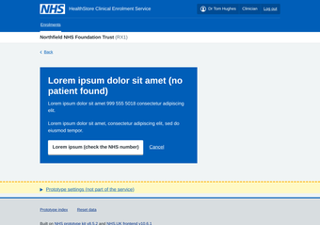 | Interruption page (NHS) | https://service-manual.nhs.uk/design-system/patterns/interruption-page
Restricted record | /enrol/restricted | Enrol a patient – unhappy paths (CES-008, CES-009) | Dr Tom Hughes – Clinician | 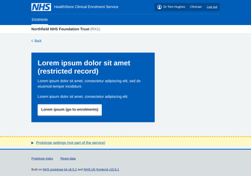 | Interruption page (NHS) | https://service-manual.nhs.uk/design-system/patterns/interruption-page
Patient has died | /enrol/deceased | Enrol a patient – unhappy paths (CES-008, CES-009) | Dr Tom Hughes – Clinician | 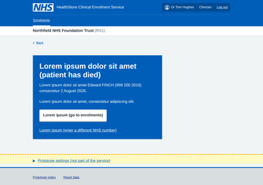 | Interruption page (NHS) | https://service-manual.nhs.uk/design-system/patterns/interruption-page
PDS unavailable | /enrol/pds-unavailable | Enrol a patient – unhappy paths (CES-008, CES-009) | Dr Tom Hughes – Clinician | 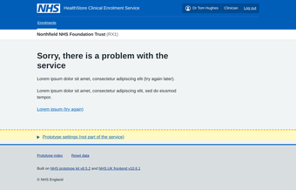 | Problem with the service pages (X-GOV: GOV.UK) | https://design-system.service.gov.uk/patterns/problem-with-the-service-pages/
Possible duplicate enrolment | /enrol/b/duplicate | Enrol a patient – unhappy paths (CES-008, CES-009) | Dr Tom Hughes – Clinician | 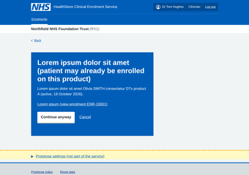 | Interruption page (NHS) | https://service-manual.nhs.uk/design-system/patterns/interruption-page
Supplier unavailable | /enrol/supplier-unavailable | Enrol a patient – unhappy paths (CES-008, CES-009) | Dr Tom Hughes – Clinician | 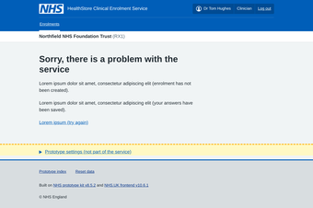 | Problem with the service pages (X-GOV: GOV.UK) | https://design-system.service.gov.uk/patterns/problem-with-the-service-pages/
Enrolments list | /enrolments | View and cancel an enrolment (CES-010, CES-014, CES-015) | Dr Tom Hughes – Clinician |  | Table (NHS) Search input (NHS) Pagination (NHS) Tag (NHS) Filter a list (X-GOV: MoJ) Page header actions (X-GOV: MoJ) | https://service-manual.nhs.uk/design-system/components/table https://service-manual.nhs.uk/design-system/components/search-input https://service-manual.nhs.uk/design-system/components/pagination https://service-manual.nhs.uk/design-system/components/tag https://design-patterns.service.justice.gov.uk/patterns/filter-a-list/ https://design-patterns.service.justice.gov.uk/components/page-header-actions/
Enrolment record (Details and History) | /enrolments/ENR-10001 | View and cancel an enrolment (CES-010, CES-014, CES-015) | Dr Tom Hughes – Clinician | 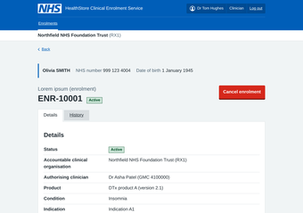 | Summary list (NHS) Tabs (NHS) Tag (NHS) Back link (NHS) Identity bar (X-GOV: MoJ) Page header actions (X-GOV: MoJ) Timeline (X-GOV: MoJ) Table (NHS) | https://service-manual.nhs.uk/design-system/components/summary-list https://service-manual.nhs.uk/design-system/components/tabs https://service-manual.nhs.uk/design-system/components/tag https://service-manual.nhs.uk/design-system/components/back-link https://design-patterns.service.justice.gov.uk/components/identity-bar/ https://design-patterns.service.justice.gov.uk/components/page-header-actions/ https://design-patterns.service.justice.gov.uk/components/timeline/ https://service-manual.nhs.uk/design-system/components/table
Cancel enrolment: reason | /enrolments/ENR-10001/cancel | View and cancel an enrolment (CES-010, CES-014, CES-015) | Dr Tom Hughes – Clinician | 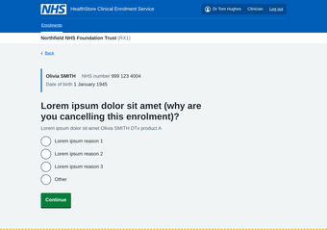 | Radios (NHS) Textarea (NHS) Inset text (NHS) Identity bar (X-GOV: MoJ) Error summary (NHS) | https://service-manual.nhs.uk/design-system/components/radios https://service-manual.nhs.uk/design-system/components/textarea https://service-manual.nhs.uk/design-system/components/inset-text https://design-patterns.service.justice.gov.uk/components/identity-bar/ https://service-manual.nhs.uk/design-system/components/error-summary
Cancel enrolment: confirm | /enrolments/ENR-10001/cancel/confirm | View and cancel an enrolment (CES-010, CES-014, CES-015) | Dr Tom Hughes – Clinician | 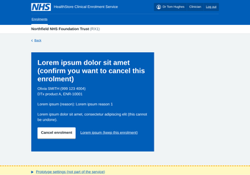 | Interruption page (NHS) | https://service-manual.nhs.uk/design-system/patterns/interruption-page
Access denied (another organisation’s enrolment) | /enrolments/ENR-10005 | View and cancel an enrolment (CES-010, CES-014, CES-015) | Dr Tom Hughes – Clinician | 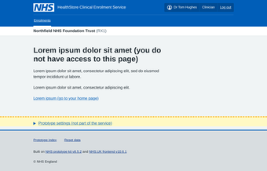 | Plain content page – no standard pattern
Enrolments list | /enrolments | Back office: view and cancel on someone’s behalf (CES-010, CES-015) | Priya Shah – Back office | 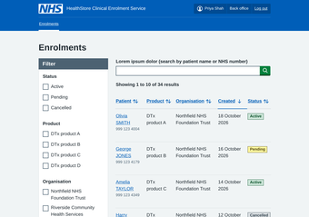 | Table (NHS) Search input (NHS) Pagination (NHS) Tag (NHS) Filter a list (X-GOV: MoJ) Page header actions (X-GOV: MoJ) | https://service-manual.nhs.uk/design-system/components/table https://service-manual.nhs.uk/design-system/components/search-input https://service-manual.nhs.uk/design-system/components/pagination https://service-manual.nhs.uk/design-system/components/tag https://design-patterns.service.justice.gov.uk/patterns/filter-a-list/ https://design-patterns.service.justice.gov.uk/components/page-header-actions/
Enrolment record (Details and History) | /enrolments/ENR-10005 | Back office: view and cancel on someone’s behalf (CES-010, CES-015) | Priya Shah – Back office | 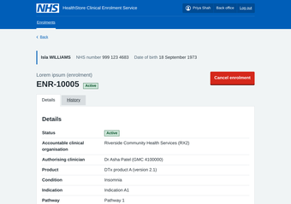 | Summary list (NHS) Tabs (NHS) Tag (NHS) Back link (NHS) Identity bar (X-GOV: MoJ) Page header actions (X-GOV: MoJ) Timeline (X-GOV: MoJ) Table (NHS) | https://service-manual.nhs.uk/design-system/components/summary-list https://service-manual.nhs.uk/design-system/components/tabs https://service-manual.nhs.uk/design-system/components/tag https://service-manual.nhs.uk/design-system/components/back-link https://design-patterns.service.justice.gov.uk/components/identity-bar/ https://design-patterns.service.justice.gov.uk/components/page-header-actions/ https://design-patterns.service.justice.gov.uk/components/timeline/ https://service-manual.nhs.uk/design-system/components/table
Cancel enrolment: reason | /enrolments/ENR-10005/cancel | Back office: view and cancel on someone’s behalf (CES-010, CES-015) | Priya Shah – Back office | 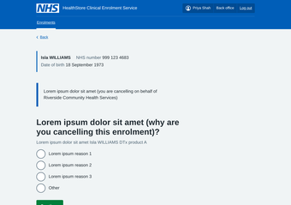 | Radios (NHS) Textarea (NHS) Inset text (NHS) Identity bar (X-GOV: MoJ) Error summary (NHS) | https://service-manual.nhs.uk/design-system/components/radios https://service-manual.nhs.uk/design-system/components/textarea https://service-manual.nhs.uk/design-system/components/inset-text https://design-patterns.service.justice.gov.uk/components/identity-bar/ https://service-manual.nhs.uk/design-system/components/error-summary
Cancel enrolment: confirm | /enrolments/ENR-10005/cancel/confirm | Back office: view and cancel on someone’s behalf (CES-010, CES-015) | Priya Shah – Back office | 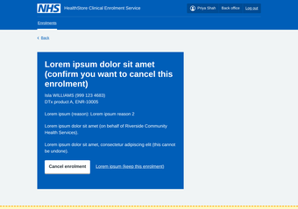 | Interruption page (NHS) | https://service-manual.nhs.uk/design-system/patterns/interruption-page
Bulk enrolment (uploaded files) | /bulk | Bulk enrolment: upload, check, submit, track (CES-011 to CES-013) | Sam Okafor – Clinical admin | 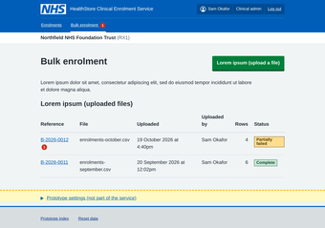 | Table (NHS) Tag (NHS) Notification badge (X-GOV: MoJ) Page header actions (X-GOV: MoJ) | https://service-manual.nhs.uk/design-system/components/table https://service-manual.nhs.uk/design-system/components/tag https://design-patterns.service.justice.gov.uk/components/notification-badge/ https://design-patterns.service.justice.gov.uk/components/page-header-actions/
Upload a bulk file | /bulk/upload | Bulk enrolment: upload, check, submit, track (CES-011 to CES-013) | Sam Okafor – Clinical admin | 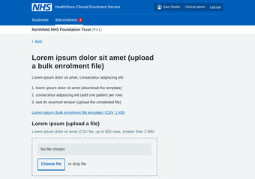 | File upload (NHS) Upload files (X-GOV: MoJ) Hint text (NHS) Error summary (NHS) | https://service-manual.nhs.uk/design-system/components/file-upload https://design-patterns.service.justice.gov.uk/patterns/upload-files/ https://service-manual.nhs.uk/design-system/components/hint-text https://service-manual.nhs.uk/design-system/components/error-summary
Checking your file | /bulk/B-2026-0013/validating | Bulk enrolment: upload, check, submit, track (CES-011 to CES-013) | Sam Okafor – Clinical admin | 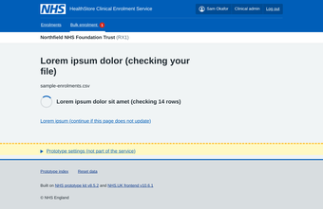 | Spinner progress indicator (X-GOV: MoJ) | https://design-patterns.service.justice.gov.uk/components/spinner-progress-indicator/
Results for each row | /bulk/B-2026-0013/results | Bulk enrolment: upload, check, submit, track (CES-011 to CES-013) | Sam Okafor – Clinical admin | 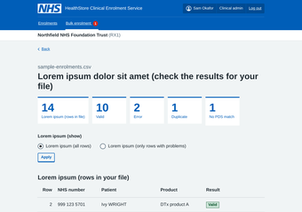 | Notification banners (NHS) Numeric data (X-GOV: MoJ) Table (NHS) Tag (NHS) Details (NHS) Pagination (NHS) Filter a list (X-GOV: MoJ) | https://service-manual.nhs.uk/design-system/components/notification-banners https://design-patterns.service.justice.gov.uk/components/numeric-data/ https://service-manual.nhs.uk/design-system/components/table https://service-manual.nhs.uk/design-system/components/tag https://service-manual.nhs.uk/design-system/components/details https://service-manual.nhs.uk/design-system/components/pagination https://design-patterns.service.justice.gov.uk/patterns/filter-a-list/
Check before submitting | /bulk/B-2026-0013/check | Bulk enrolment: upload, check, submit, track (CES-011 to CES-013) | Sam Okafor – Clinical admin | 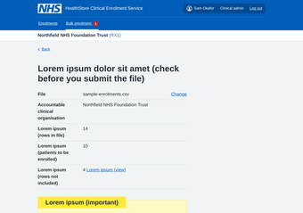 | Check answers (NHS) Summary list (NHS) Warning callout (NHS) | https://service-manual.nhs.uk/design-system/patterns/check-answers https://service-manual.nhs.uk/design-system/components/summary-list https://service-manual.nhs.uk/design-system/components/warning-callout
Bulk file submitted | /bulk/B-2026-0013/submitted | Bulk enrolment: upload, check, submit, track (CES-011 to CES-013) | Sam Okafor – Clinical admin | 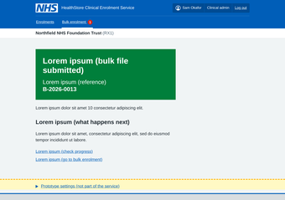 | Confirmation page (NHS) Panel (NHS) | https://service-manual.nhs.uk/design-system/patterns/confirmation-page https://service-manual.nhs.uk/design-system/components/panel
Track a bulk file (outcomes) | /bulk/B-2026-0013 | Bulk enrolment: upload, check, submit, track (CES-011 to CES-013) | Sam Okafor – Clinical admin | 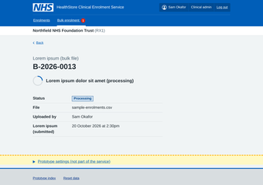 | Summary list (NHS) Table (NHS) Tag (NHS) Notification banners (NHS) Spinner progress indicator (X-GOV: MoJ) Filter a list (X-GOV: MoJ) | https://service-manual.nhs.uk/design-system/components/summary-list https://service-manual.nhs.uk/design-system/components/table https://service-manual.nhs.uk/design-system/components/tag https://service-manual.nhs.uk/design-system/components/notification-banners https://design-patterns.service.justice.gov.uk/components/spinner-progress-indicator/ https://design-patterns.service.justice.gov.uk/patterns/filter-a-list/
Product catalogue | /catalogue | Product catalogue: withdraw and add a product (CES-005) | Lee Morgan – Technical admin |  | Table (NHS) Tag (NHS) Notification banners (NHS) Page header actions (X-GOV: MoJ) | https://service-manual.nhs.uk/design-system/components/table https://service-manual.nhs.uk/design-system/components/tag https://service-manual.nhs.uk/design-system/components/notification-banners https://design-patterns.service.justice.gov.uk/components/page-header-actions/
Product page | /catalogue/p1 | Product catalogue: withdraw and add a product (CES-005) | Lee Morgan – Technical admin | 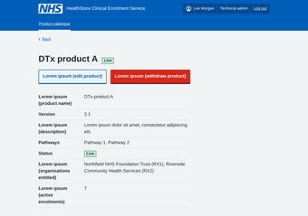 | Summary list (NHS) Tag (NHS) Buttons (NHS) Notification banners (NHS) Page header actions (X-GOV: MoJ) | https://service-manual.nhs.uk/design-system/components/summary-list https://service-manual.nhs.uk/design-system/components/tag https://service-manual.nhs.uk/design-system/components/buttons https://service-manual.nhs.uk/design-system/components/notification-banners https://design-patterns.service.justice.gov.uk/components/page-header-actions/
Withdraw a product | /catalogue/p1/withdraw | Product catalogue: withdraw and add a product (CES-005) | Lee Morgan – Technical admin | 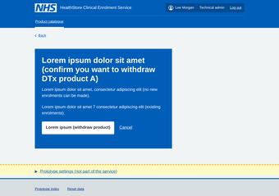 | Interruption page (NHS) | https://service-manual.nhs.uk/design-system/patterns/interruption-page
Product details | /catalogue/add/details | Product catalogue: withdraw and add a product (CES-005) | Lee Morgan – Technical admin |  | Text input (NHS) Character count (NHS) Checkboxes (NHS) Select (NHS) Error summary (NHS) | https://service-manual.nhs.uk/design-system/components/text-input https://service-manual.nhs.uk/design-system/components/character-count https://service-manual.nhs.uk/design-system/components/checkboxes https://service-manual.nhs.uk/design-system/components/select https://service-manual.nhs.uk/design-system/components/error-summary
Add or change a condition | /catalogue/add/condition | Product catalogue: withdraw and add a product (CES-005) | Lee Morgan – Technical admin |  | Text input (NHS) Add another (X-GOV: MoJ) | https://service-manual.nhs.uk/design-system/components/text-input https://design-patterns.service.justice.gov.uk/components/add-another/
Conditions added | /catalogue/add/conditions | Product catalogue: withdraw and add a product (CES-005) | Lee Morgan – Technical admin |  | Add to a list (X-GOV: MoJ) Radios (NHS) | https://design-patterns.service.justice.gov.uk/patterns/add-to-a-list/ https://service-manual.nhs.uk/design-system/components/radios
Check product details | /catalogue/add/check | Product catalogue: withdraw and add a product (CES-005) | Lee Morgan – Technical admin |  | Check answers (NHS) Summary list (NHS) | https://service-manual.nhs.uk/design-system/patterns/check-answers https://service-manual.nhs.uk/design-system/components/summary-list
Product page | /catalogue/p5 | Product catalogue: withdraw and add a product (CES-005) | Lee Morgan – Technical admin |  | Summary list (NHS) Tag (NHS) Buttons (NHS) Notification banners (NHS) Page header actions (X-GOV: MoJ) | https://service-manual.nhs.uk/design-system/components/summary-list https://service-manual.nhs.uk/design-system/components/tag https://service-manual.nhs.uk/design-system/components/buttons https://service-manual.nhs.uk/design-system/components/notification-banners https://design-patterns.service.justice.gov.uk/components/page-header-actions/

