Bookstore chain data (Curated)
Total Sales by Genre
1. Total Sales by Genre
Genre | Sum of Total Sales
Biography | $715,618.19
Fantasy | $703,863.75
Fiction | $701,884.80
Mystery | $760,235.20
Non-Fiction | $718,630.20
Science Fiction | $646,294.26
Self-Help | $762,227.83
Grand Total | $5,008,754.23

Sales by Region and Category
2. Sales by Region and Category
Genre | Sum of Total Sales
Book | $1,618,792.06
Australia | $441,216.45
Europe | $357,749.37
Asia-Pacific | $284,018.75
North America | $279,646.85
South America | $256,160.64
eBook | $1,702,332.72
Europe | $408,285.18
North America | $335,284.58
South America | $333,470.07
Asia-Pacific | $326,265.85
Australia | $299,027.04
Merchandise | $1,687,629.45
Sales by Product Category
Australia | $368,562.07
Asia-Pacific | $357,386.05
Europe | $327,823.95
South America | $322,276.71
North America | $311,580.67
Grand Total | $5,008,754.23

3. Sales by Product Category
Genre | Sum of Total Sales
Book | $1,618,792.06
eBook | $1,702,332.72
Merchandise | $1,687,629.45
Grand Total | $5,008,754.23

Sales Trend by Quarter
4. Sales Trend Over Time
Genre | Sum of Total Sales
2023 | $2,560,074.35
Q1 | $596,749.03
Q2 | $625,945.45
Q3 | $655,175.80
Q4 | $682,204.07
2024 | $2,448,679.88
Q1 | $601,022.46
Q2 | $624,147.07
Q3 | $598,735.99
Q4 | $624,774.36
Grand Total | $5,008,754.23

Chart Interactive (Curated)
Sum of Total Sales | Regions |  |  |  |  |  | Sum of Total Sales | Category
Genre | Asia-Pacific | Australia | Europe | North America | South America | Grand Total | Sales Representative | Book | eBook | Merchandise | Grand Total
Biography | $163,033.97 | $137,357.68 | $145,782.68 | $132,082.94 | $137,360.92 | $715,618.19 | Avery Morgan | $361,360.91 | $366,294.78 | $322,057.34 | $1,049,713.03
Fantasy | $131,944.28 | $143,246.04 | $146,287.70 | $128,407.15 | $153,978.58 | $703,863.75 | Cameron Davis | $312,254.19 | $315,556.30 | $349,095.59 | $976,906.08
Fiction | $151,406.02 | $157,986.78 | $169,036.63 | $125,764.78 | $97,690.59 | $701,884.80 | Jordan Parker | $317,547.25 | $393,467.80 | $366,098.66 | $1,077,113.71
Mystery | $160,776.32 | $175,474.12 | $190,937.44 | $116,213.84 | $116,833.48 | $760,235.20 | Morgan Taylor | $291,431.65 | $303,362.43 | $284,037.72 | $878,831.80
Non-Fiction | $113,818.40 | $177,935.35 | $153,530.76 | $139,562.34 | $133,783.35 | $718,630.20 | Riley Brooks | $336,198.06 | $323,651.41 | $366,340.14 | $1,026,189.61
Science Fiction | $114,436.35 | $133,078.10 | $130,990.38 | $141,444.45 | $126,344.98 | $646,294.26 | Grand Total | $1,618,792.06 | $1,702,332.72 | $1,687,629.45 | $5,008,754.23
Self-Help | $132,255.31 | $183,727.49 | $157,292.91 | $143,036.60 | $145,915.52 | $762,227.83
Sales Rep Performance by Product Category
Grand Total | $967,670.65 | $1,108,805.56 | $1,093,858.50 | $926,512.10 | $911,907.42 | $5,008,754.23
Sales by Genre Across Regions

Sales Trend Over Time (Drill Down Available)
Year/Quarter/Month | Sum of Total Sales
2023 | $2,560,074.35
Q1 | $596,749.03
Q2 | $625,945.45
Q3 | $655,175.80
Q4 | $682,204.07
January | $42,701.64
February | $38,668.36
March | $52,872.26
April | $56,283.98
May | $51,078.30
June | $52,139.88
July | $50,510.82
August | $65,474.89
September | $63,744.64
October | $83,306.64
November | $57,558.43
December | $67,864.23
2024 | $2,448,679.88
Q1 | $601,022.46
Q2 | $624,147.07
Q3 | $598,735.99
Q4 | $624,774.36
January | $50,190.08
February | $75,052.98
March | $39,040.72
April | $43,683.81
May | $77,041.90
June | $35,240.89
July | $64,959.47
August | $40,525.25
September | $48,381.15
October | $52,363.28
November | $39,286.20
December | $59,008.63
Grand Total | $5,008,754.23

Executive Summary
Global Bookstore Chain - Sales Performance Report
Prepared for Management Team
Date: February 26, 2026

Executive Summary
Total sales across 2023-2024 reached $ 5,008,754.23. Analysis reveals Fantasy and Mystery as top-performing genres, while North America leads regional sales. Sales representatives show varying performance across product categories, with opportunities for growth in merchandise sales during Q4.

Key Charts (Visual Evidence)
Chart 1: Sales by Genre Across Regions
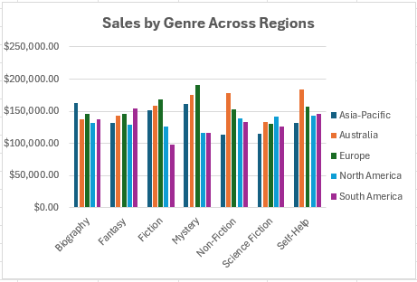

Chart 2: Sales Rep Performance by Product Category
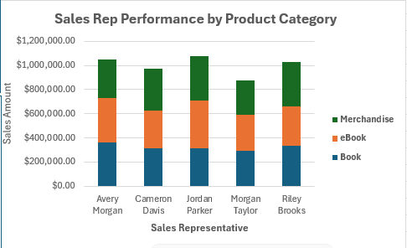

Chart 3: Sales Trend Over Time
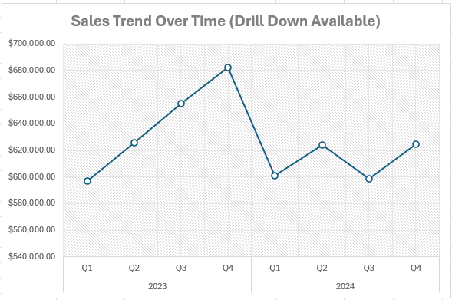

Key Insights
Genre & Regional Insights:
- Fantasy genre dominates in South America with $ 153,978.58 in sales, while Mystery performs best in Europe.
- Asia-Pacific shows strong growth in eBook sales compared to other regions.
Sales Team Insights:
- Jordan Parker leads in total sales at $ 1,077,113.71, with strong performance in eBooks.
- Riley Brooks excels in Merchandise sales, suggesting specialized training opportunities for others.
Time Trend Insights:
- Q4 shows consistent sales spikes, likely due to holiday shopping.
- March and October are peak months for Book sales.

Top 3 Areas for Improvement
Merchandise underperformance:
- Merchandise sales lag behind Books and eBooks, particularly in South America. With only 32% of total sales, this category represents untapped potential.
Sales rep disparity:
- There is a significant gap between top and bottom performers. The top rep Jordan Parker outsells the lowest by 22.6%, indicating a need for peer coaching.
Seasonal dips:
- Sales consistently dip in Q2, especially in February. Targeted promotions during this period could smooth revenue.

Recommendations
Strategic Recommendations:
- Launch a Fantasy genre marketing campaign in North America to capitalize on regional strength.
- Implement cross-training where top merchandise sellers coach others.
- Introduce Q2 promotional events to offset seasonal sales dips.

