Sheet1
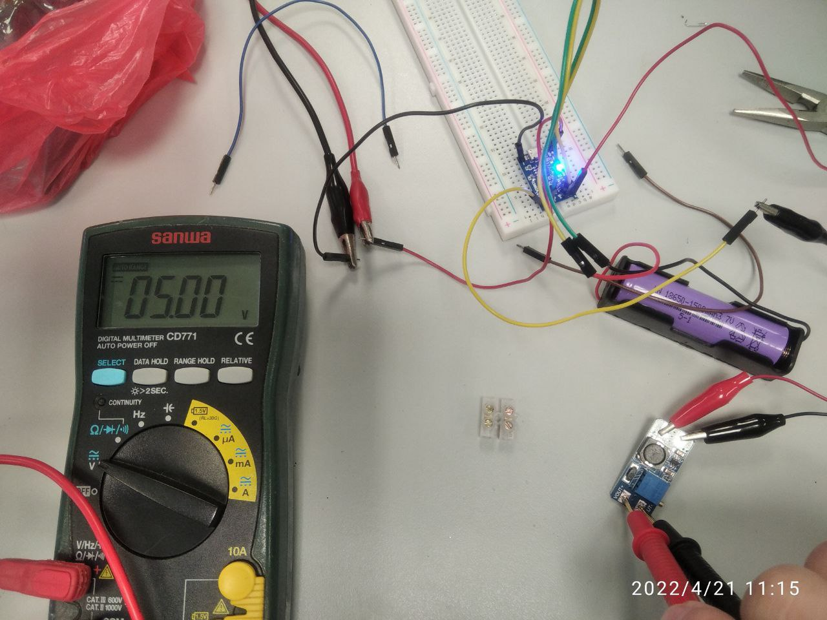
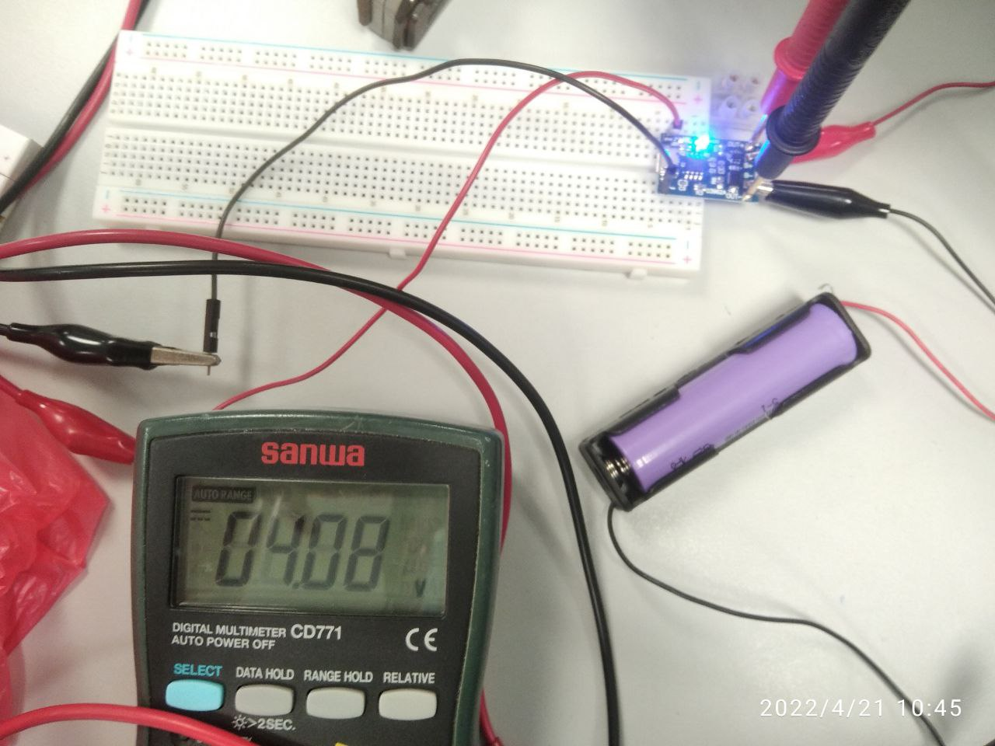
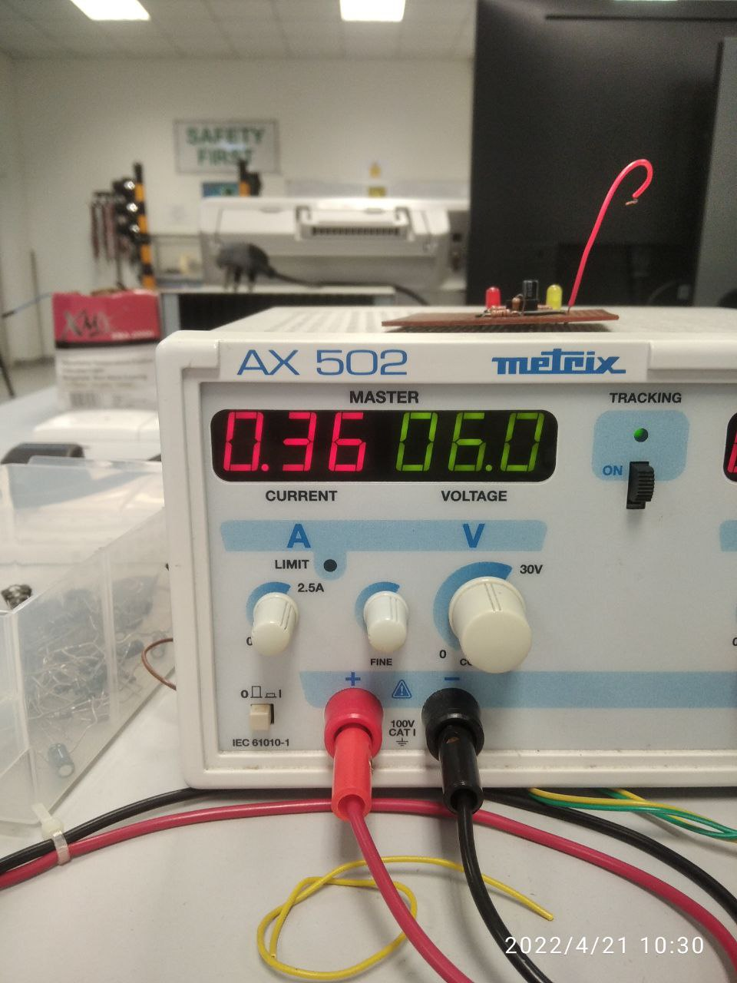
Voltage before charging | 3.8V
Voltage after charging | 4.08V
Current drawn from charging controller | 360mA
Output Voltage (Boosted) | 5V

