Summary
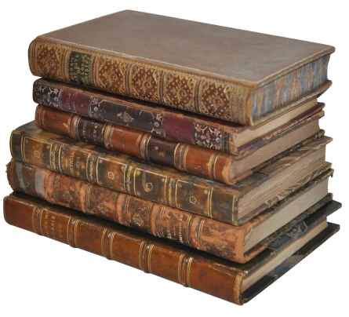 | Book collections and names

 | Data sources USFM data for information only. Taken from https://ubsicap.github.io/usfm/identification/books.html. USX from https://paratext.thedigitalbiblelibrary.org/static/docs/usx/vocabularies.html. OSIS from https://www2.crosswire.org/osis/OSIS%202.1.1%20User%20Manual%2006March2006.pdf. canon_nrsva.h taken from Crosswire header files.

 | Discussion For the purposes of my internal reference representation, I need the books to have numbers in the range 1-500 ish. Precisely what numbers are used would have been immaterial, except that having established a collection of numbers some time ago (based initially upon the UBS numbering scheme which is used by USX), I now have some of the book numbers hard-coded (for example the one for Psa). The holes at the top of the USX table and between OT and NT mirror the ones in the USX numbering scheme, because it seemed convenient to have the numbers line up with that. The holes further down are there mainly because I'd already set up tables in the code, and those tables had gaps there. I didn't want to risk breaking things by renumbering things. So, the pink column matters because it defines the book numbers. As regards the rest of the processing, it may be desirable to deal separately with the various forms of input for which we currently cater.
 | USX MapToHeaderName gives the name used for this book in the header files. Where this column is empty, there is no corresponding entry in the header file. The USX will be perfectly valid, but we will have to drop the book. MapToOsisName gives the name used for this book in OSIS. In general this column is empty only in those places where MapToHeaderColumnName is also empty and we therefore cannot processing the book anyway. The one exception is Ps2, which is covered by the header file, but not by OSIS. Here we could probably get away with retaining the book (and could also handle a non-conformant OSIS file which happened to name it), but that remains to be proven. We do have a problem, though, because the process is required to create OSIS which could be used for tagging or could be made available to third parties, and if the OSIS contained Ps2, it would be non-conformant.
 | At present I still need information to work out what to do with PrAzar / SgThree. And Esg is slightly problematical. Greek Esther can appear in either of two forms – as the complete book, or as just those chapters and verses which are additional to the Hebrew version. USX's Esg seems to assume the former (and assumes that we will never encounter the additional-only text). The header file's EsthGr seems to make the same assumption. On the other hand OSIS, with AddEsth, seems to make exactly the opposite assumption. Fortunately from an internal processing point of view, I can cope with either – I simply add the missing chapters and verses to the additional-only text which are needed to make things work. There is an issue over the OSIS processing, however. I've actually seen OSIS texts use both names, even though EsthGr isn't valid OSIS, so I need to be able to cope with both names. And when writing OSIS, I'll have to force the name to AddEsth even if, in fact, we are processing the whole book.

 | OSIS Again, if MapToHeaderName is empty, we will have to drop the book. Otherwise, allowing for the issues over Esg above, I think there are no particular problems. IMP IMP uses the long names which appear in the header files. There should be no alignment issues, because it is derived directly from a module, and therefore must already be correct.

