Instructions
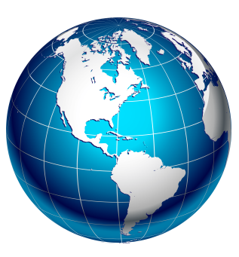 | Country- and language- codes

 | Green tabs contain data scraped from the Ethnologue.
 | Give that SIL are gatekeepers for the ISO codes, this information is probably reasonably comprehensive.
 | Unfortunately, though, the Ethnologue does not (so far as I can see) give mappings from 3-character language codes to the 2-character form favoured by Crosswire.

 | The red tab(s) contains data scraped from various websites. Unfortunately I have yet to track down a comprehensive list giving mappings between 3-character and
 | 2-character language codes, so this list is very likely to be incomplete.

 | Yellow tabs contain data calculated or copied from data on the other sheets. On the ForConverter sheet, items in red at the end of the sheet are alternative
 | language codes – some languages have more than one code, and for some of these we use the non-preferred ones, whereas the Ethnologue data uses the
 | preferred ones, so I need to add the ones which we use.

