All sectors
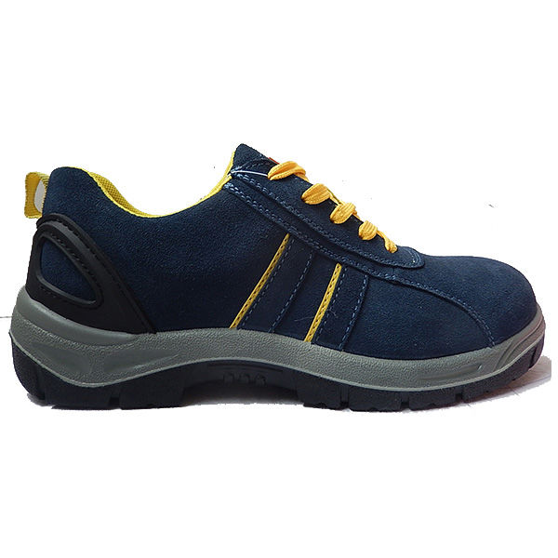
China （Poland）Trade Fair 2018-Products info
Company Code | Company Name(CN) | Company Name | Product Name | Product SECTOR T1 | Product SECTOR T2 | Product SECTOR T3 | Min Price USD(参考最低价格) | Max Price USD(参考最高价格) | Min. Order(最小起订量) | Min. Order Metric(单位，度量) | Product Description | PHOTO
 |  |  |  |  |  |  |  |  |  |  |  | http://img.chinahomelife247.com:8080/image/0.0.0.0/ff8080815c99eee4015c9afbe9963c52.jpg
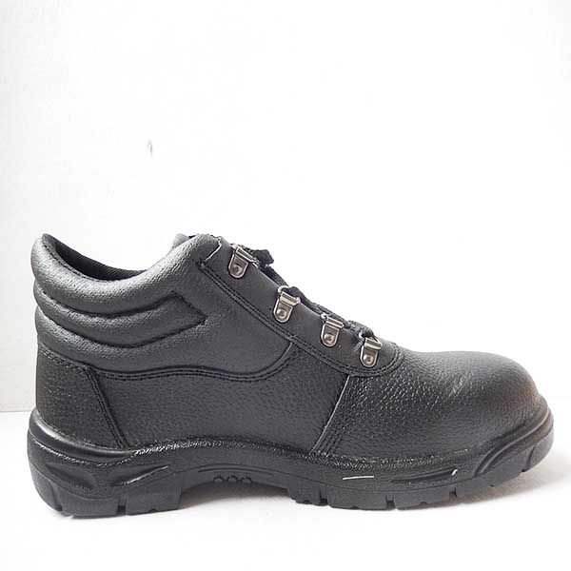
 |  |  |  |  |  |  |  |  |  |  |  | http://img.chinahomelife247.com:8080/image/0.0.0.0/ff8080815c99eee4015c9afbe8823c51.jpg
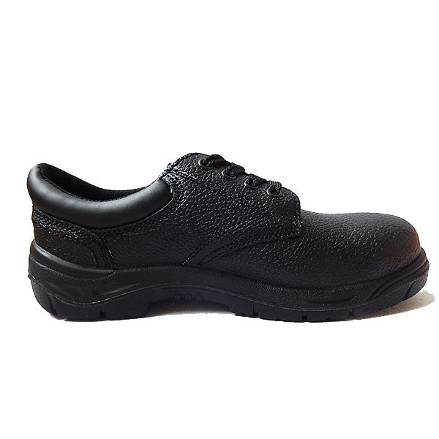
 |  |  |  |  |  |  |  |  |  |  |  | http://img.chinahomelife247.com:8080/image/0.0.0.0/ff8080815c99eee4015c9afbe7503c50.jpg
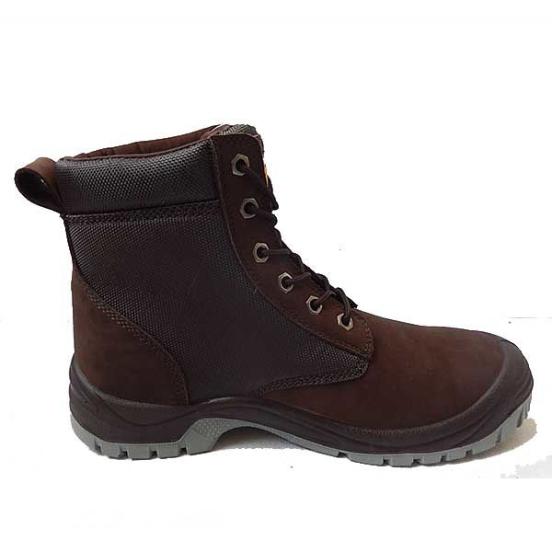
 |  |  |  |  |  |  |  |  |  |  |  | http://img.chinahomelife247.com:8080/image/0.0.0.0/ff8080815c99eee4015c9afbebbe3c54.jpg
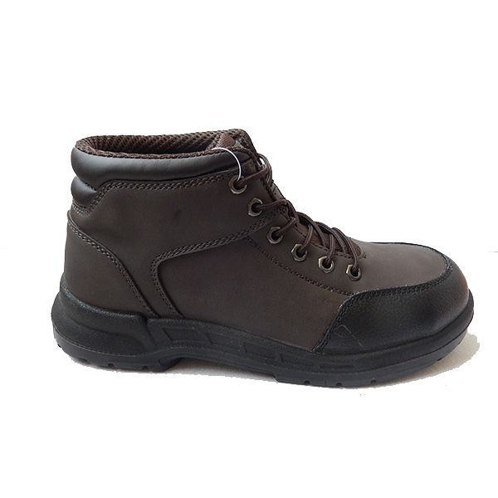
 |  |  |  |  |  |  |  |  |  |  |  | http://img.chinahomelife247.com:8080/image/0.0.0.0/ff8080815c99eee4015c9afbeab43c53.jpg
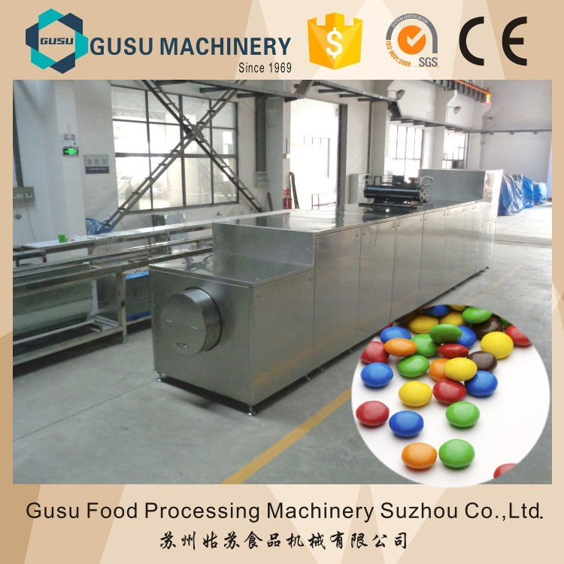
 |  |  |  |  |  |  |  |  |  |  |  | http://img.chinahomelife247.com:8080/image/0.0.0.0/be48f791252041549b5c053b7a15dcb6.jpg
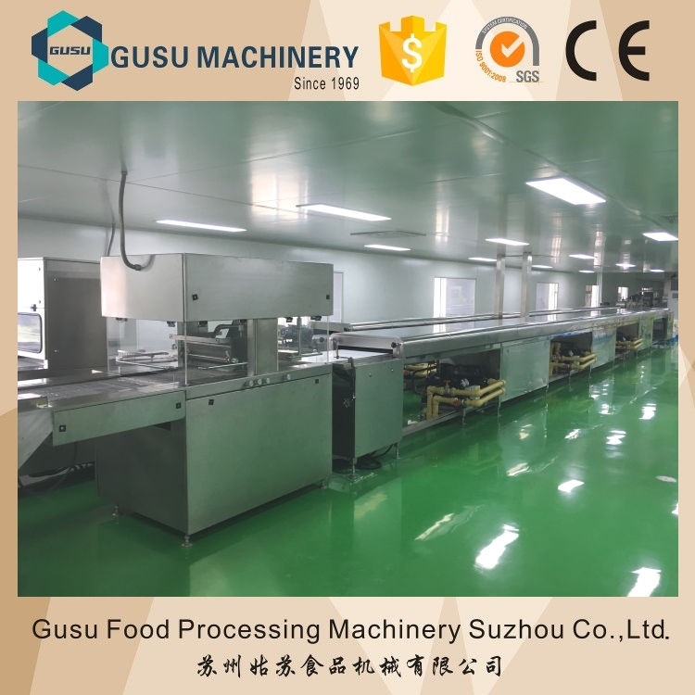
 |  |  |  |  |  |  |  |  |  |  |  | http://img.chinahomelife247.com:8080/image/0.0.0.0/9b8c72fc26ca44009aec368cc84ef179.jpg
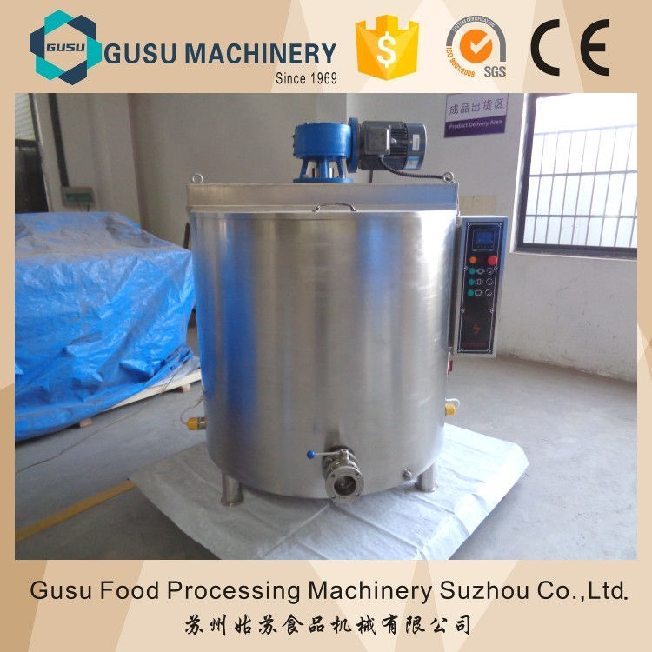
 |  |  |  |  |  |  |  |  |  |  |  | http://img.chinahomelife247.com:8080/image/0.0.0.0/ce3db9afd4ad4c548b7a9c55b959ba5e.jpg
 |  |  |  |  |  |  |  |  |  |  |  | http://img.chinahomelife247.com:8080/image/0.0.0.0/33ce5557178e4cca81a9124f8aff9da5.jpg

