MENU


 |  | Enables you to calculate the Lenders Mortgage Insurance (LMI)
 |  | premium rate for your customers in our easy-to-use spreadsheet
 |  | In just a few steps, you will obtain the applicable premium rate
 |  | The calculator will be updated and reissued to you by Genworth to
 |  | reflect any changes to our policy or pricing, ensuring you receive the
 |  | most accurate premium rate.

 |  | The Quick Guide details how to use the Genworth LMI Premium
 |  | Calculator. If you have any questions please contact your
 |  | Genworth Relationship Manager.

 |  | Disclaimer
 |  |  | VERSION 2019-11
 |  |  | Effective date | 2019-11-01
 |  |  | Valid until | 2020-06-30

 |  | Prepared for:
 |  | Resimac Group

Confidential. Genworth Financial Mortgage Insurance Pty Limited ABN 60 106 974 305.
® Genworth, Genworth Financial and the Genworth logo are registered service marks of Genworth Financial, Inc and used pursuant to licence.
© 2019 Genworth Financial Mortgage Insurance Pty Limited. All rights reserved.

Calculator Quickguide

Click on RESET button to clear calculator
Enter details of loan and securities to view LVR, Premium, Stamp Duty and GST Calculations
Select Product type from drop down menu
1.
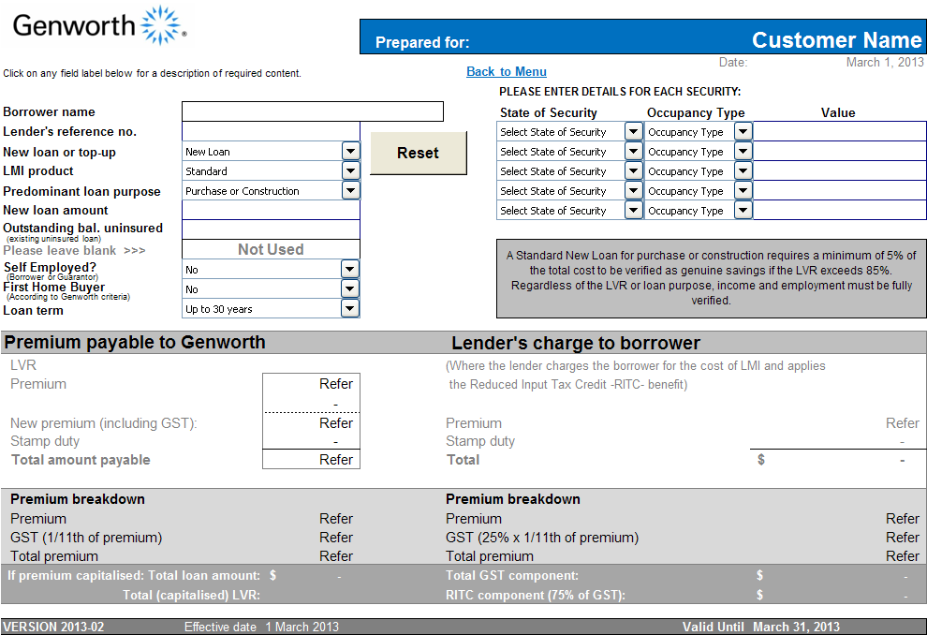
For each security, enterValue, State, and Occupancy Type
9.
Select the appropriate
Predominant Loan
Purpose
2.

Review LVR (Loan to Value Ratio)
3.
Enter Loan Amount
10.
Enter Outstanding Balance Uninsured (i.e. prior mortgage not insured with Genworth)
4.
Review Premium for total loan amt.
11.
12.
Review Premium Credit for top-up
5.
Enter Amount of premium already paid (i.e. premium credit for top-up)
6.
Review Stamp Duty (Calculated differently for each state security property is located in)
13.
Select 'Yes' from the drop down menu
if any borrower or guarantor is Self Employed

Review Premium Breakdown (GST is shown separately)
14.
Select if borrower is a First Home Buyer
7.
Review Total (Premium + Stamp Duty payable by Lender)
15.

Select Loan Term from the drop down menu.
8.

SEE EXAMPLES
GO TO CALCULATOR
BACK TO MENU
BACK TO MENU

Calculator Examples

Example 1: New loan
Customer A is a first home buyer & applies for a new loan of $300,000. The value of the security is $400, 000 and is located in QLD.
1. Select New Loan from the loan type list
2. Select the applicable LMI product from the Product drop down list.
3. Select the Predominant Loan Purpose from the drop down list
4. Enter in loan amount of $300,000 in the Loan field.
5. Leave Outstanding Balance Uninsured field blank.
6. Enter "Yes" in the First Home Buyer from the drop down list.
7. In the Security Details section, enter the valuation amount of $400,000 together with the state the security is located in and the occupancy type for this secuirty.
8. As they are a First Home Buyer, select QLD 1st from the State of Securities drop down list
Example 2: Top Up loan
Customer B has an existing loan insured through Genworth and wishes to borrow additional loan funds for extensive home renovations. The existing loan has a balance of $95,000 and they wish to borrow additional funds of $200,000. Loan funds will be controlled by the lender. The security is located in Tasmania.
1. Select Top-Up from the loan type list
2. Select the applicable LMI product from the Product drop down list.
3. Select Purchase or Construction from the Predominant Loan Purpose drop down list
4. Enter the total loan amount of $295,000 (ie $95,000 current balance plus $200,000 for the new loan sought) in the New Loan Amount field
5. Leave Outstanding Balance Uninsured field blank
6. In the LMI Premium already paid field, enter the LMI premium amount previously paid, excluding stamp duty.
6. Enter the security valuation amount, state and occupancy type in the Security Details section.

BACK TO MENU

 | DISCLAIMER This Premium Calculator is confidential information of Genworth Financial Mortgage Insurance Pty Limited (Genworth). The Premium Calculator, including any part of it and information derived from it, must not be disclosed to any person except with Genworth’s prior written consent. This Premium Calculator is a guide only of the premium that may be payable. The actual amount of premium payable will be calculated by Genworth in connection with an application for insurance. Use of this premium Calculator does not constitute an application for insurance and the actual premium payable may be different to any guide previously provided. In no event shall Genworth or any of its related bodies corporate, related entities or employees be liable for any direct, indirect, special, consequential or other loss (including, without limitation, any lost profits, business interruption, loss of information or other data) related to the use of this Premium Calculator. Genworth reserves the right to make amendments to this Premium Calculator at any time and without any prior notification.

BACK TO MENU

PREMIUM
Back to Menu
 |  |  | Prepared for: |  | Resimac Group
Click on any field label below for a description of required content. |  |  |  |  |  | Date: | 2020-05-21 09:41:54
 |  |  |  |  | PLEASE ENTER DETAILS FOR EACH SECURITY:
Borrower name |  |  |  |  | State of Security | Occupancy Type | Value
Lender's reference no. |  |  |  |  | 1 | 2
New loan or top-up | 1 |  |  |  | 1 | 1
LMI product | 1 |  |  |  | 1 | 1
Predominant loan purpose | 1 |  |  |  | 1 | 1
New loan amount |  |  |  |  | 1 | 1
(existing uninsured loan)
Outstanding bal. uninsured
Please leave blank >>> | Not Used |  |  |  | A Standard New Loan for purchase or construction requires a minimum of 5% of the total cost to be verified as genuine savings if the LVR exceeds 90%. Regardless of the LVR or loan purpose, income and employment must be fully verified. |  |  | If the predominant loan purpose is for Home Improvements or Renovation, and the loan funds are being released to the borrower, Genworth consider this to be a Cash-Out and the Equity Release loan purpose should be selected.
(Borrower or Guarantor)
Self Employed? | 2 |  |  |  |  |  |  | Where the predominant loan purpose is for External Refinance or Debt Consolidation, the premium is increased by an additional 5%.
(According to Genworth criteria)
First Home Buyer | 2 |  |  |  |  |  |  | Where the predominant loan purpose is for anything other than Purchase, Construction, Internal Refinance or genuine Home Improvements, it will be regarded as an Equity Release and an additional 5% is included in the LMI premium.
Loan term | 1 |  |  |  |  |  |  | Where the predominant loan purpose is an Internal Refinance, the lender warrants that the existing loan has been conducted satisfactorily.
 |  |  |  |  |  |  |  | A Standard New Loan for purchase or construction requires a minimum of 5% of the total cost to be verified as genuine savings if the LVR exceeds 90%. Regardless of the LVR or loan purpose, income and employment must be fully verified.
Premium payable to Genworth |  |  |  | Lender's charge to borrower
LVR |  |  |  | (Where the lender charges the borrower for the cost of LMI and applies
Premium |  | Refer |  | the Reduced Input Tax Credit -RITC- benefit)
 |  | -
New premium (including GST): |  | Refer |  | Premium |  |  | Refer
Stamp duty |  | - |  | Stamp duty |  |  | -
Total amount payable |  | Refer |  | Total |  |  | $-

Premium breakdown |  |  |  | Premium breakdown
Premium |  | Refer |  | Premium |  |  | Refer
GST (1/11th of premium) |  | Refer |  | GST (25% x 1/11th of premium) |  |  | Refer
Total premium |  | Refer |  | Total premium |  |  | Refer
 | If premium capitalised: Total loan amount: | $- |  | Total GST component: |  |  | $-
 | Total (capitalised) LVR: | 0.00% |  | RITC component (75% of GST): |  |  | $-

VERSION 2019-11 | Effective date | 2019-11-01 |  |  |  | Valid Until | 2020-06-30

