Perpendicular_all
THIS IS WHERE THE RESULTS OF FITTING CHARMI'S MODELS TO 6379 ARE LOCATED
 | Sightline | Column1 | Red. Chisq | B | B Uncertainty | % | delta B | delta B uncertainty | % | zeta | zeta uncertainty | %2 | T | T uncertainty | % 3 | sigma | sigma uncertainty | %4 | origin | origin uncertainty | %5 | Plot | Column2 |  | B | Error | Delta B | Error | Zeta | Error | T | Error | Sigma | Error | Origin | Error
Jmax = 300 | HD24398 | 1 | 428.546403 | 0.00696453 | 0.21213787 | 3045.97 | -0.99999999 | 117.710243 | 11771.02 | 0.42166375 | 27.2347386 | 6458.88 | 299.999697 | 1.81E+10 | 6026454896.4 | 0.05000003 | 6449080.49 | 12898152744 | -0.57365812 | 6.64993345 | 1159.22 | 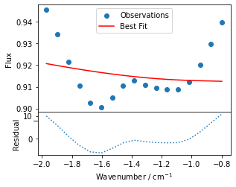 |  | Jmax = 300 averages for all 11 sightlines: | 0.0021558718182 | 0.00016712631109 | 0.13370907091 | 0.027085920457 | 0.52835310091 | 0.086629111997 | 275.30984059 | 19.958427989 | 0.17388369636 | 0.0062921958472
Jmax = 800 |  | 2 | 6.45649257 | 0.01 | 0.01139161 | 113.92 | 0.3359148 | 0.1928882 | 57.42 | -0.74859573 | 1.36503597 | 182.35 | 299.999434 | 340.333311 | 113.44 | 0.1943427 | 0.10324621 | 53.13 | -1.99998235 | 0.54544344 | 27.27 | 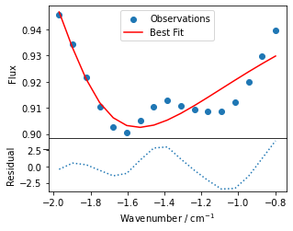 |  | Jmax = 800, bluewing averages for first 4 sightlines: | 0.0035801225 | 0.00037134017453 | 0.0485604725 | 0.012107606278 | 0.728500645 | 0.052276619909 | 77.49970925 | 5.2311327833 | 0.1730357575 | 0.0054488502449
Params 6 = params 5, T = 80 |  | 3 | 6.60466619 | 0.00984353 | 0.01099151 | 111.66 | 0.62900889 | 0.17830569 | 28.35 | -1.35258098 | 0.30707047 | 22.7 | 156.07408 | 76.3059856 | 48.89 | 0.17082813 | 0.12643471 | 74.01 | -1.99995054 | 0.07394468 | 3.70 | 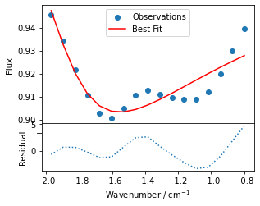 |  |  |  |  |  |  |  |  |  |  |  | O
Using best fit from Jmax = 800 and plotting along bluewing |  | Jmax = 800 best fit | 0.25588069 | 0.00289724 | 8.12E-04 | 28.04 | 0.04271157 | 0.0109764 | 25.7 | 0.75374135 | 0.01450373 | 1.92 | 89.3022525 | 24.2172932 | 27.12 | 0.16696164 | 0.00411282 | 2.46 | -1.39701614 | 0.00370567 | 0.27 | 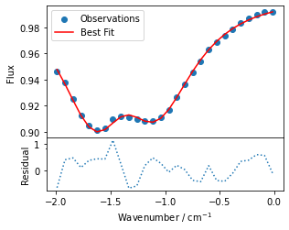
 |  | 6 (origin = -1.4) | 0.23940232 | 0.00232731 | 7.76E-04 | 33.34 | 0.03740405 | 0.01329948 | 35.56 | 0.72597759 | 0.04864889 | 6.7 | 100.394951 | 33.2268927 | 33.1 | 0.16847525 | 0.00636311 | 3.78 | -1.3955774 | 0.0036415 | 0.26 | 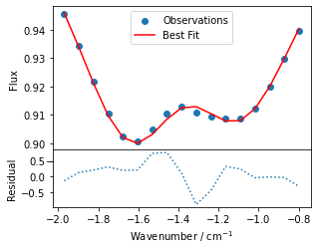
 |  | 5 (origin = -1.4) | 0.21656186 | 0.00207167 | 5.52E-04 | 26.64 | 0.08145672 | 0.03858534 | 47.37 | 0.6902215 | 0.0391036 | 5.67 | 300 | 736.203183 | 245.4 | 0.16166013 | 0.01221207 | 7.55 | -1.41772532 | 0.02913546 | 2.06 | 
 | HD185859 | 1 | 340.835788 | 0.0099996 |  |  | -0.64094327 |  |  | -3 |  |  | 209.098735 |  |  | 0.05000002 |  |  | 1.99999539 |  |  | 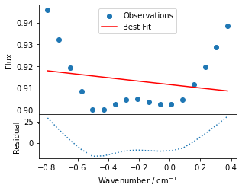 | Uncertainties couldn’t be estimated - this model took over 4 hours and is not succesful
 |  | 2 | 1.77077022 | 0.00147468 | 1.08E-04 | 7.35 | 0.14607728 | 0.07968703 | 54.55 | 0.18856398 | 0.13781281 | 73.09 | 299.919328 | 814.458718 | 271.56 | 0.19344172 | 0.00927807 | 4.8 | -0.25878401 | 0.04472238 | 17.28 | 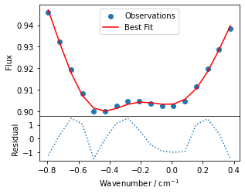
 |  | 3 | 50.1070785 | 0.00962933 | 0.03122344 | 324.25 | 0.17890338 | 0.25723309 | 143.78 | 0.26044879 | 0.94212703 | 361.73 | 135.888603 | 538.794376 | 396.5 | 0.29140613 | 1.16810735 | 400.85 | 0.73769374 | 1.80389892 | 244.53 | 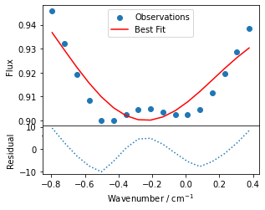
 |  | 4 | 37.2439528 | 0.00276178 | 0.00404779 | 146.56 | 0.53624381 | 0.10080721 | 18.8 | -2.14370844 | 2.90441663 | 135.49 | 299.774819 | 4054.82278 | 1352.62 | 0.10606537 | 1.56705509 | 1477.44 | 0.72147077 | 0.67073936 | 92.97 | 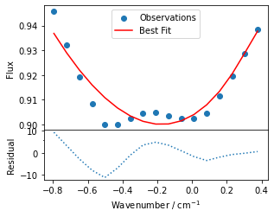
 |  | 5 | 1.77067649 | 0.00147465 | 6.86E-05 | 4.65 | 0.14611062 | 0.06669605 | 45.65 | 0.18855113 | 0.13472645 | 71.45 | 300 | 7779.1229 | 2593.04 | 0.19345059 | 0.01034172 | 5.35 | -0.25880134 | 0.0364413 | 14.08 | 
 |  | 5 (initial temp = 80) | 1.77069565 | 0.00147466 | 1.08E-04 | 7.32 | 0.14612503 | 0.07962177 | 54.49 | 0.18854904 | 0.14065483 | 74.6 | 299.982242 | 823.366205 | 274.47 | 0.19345474 | 0.00951621 | 4.92 | -0.25880944 | 0.04491037 | 17.35 | 
 |  | 6 | 2.49586413 | 0.00166255 | 2.25E-03 | 135.19 | 0.05007588 | 0.07985496 | 159.47 | 0.14366518 | 0.16682518 | 116.12 | 54.9238581 | 74.6436353 | 135.9 | 0.18320933 | 0.02286634 | 12.48 | -0.21166683 | 0.00681249 | 3.22 | 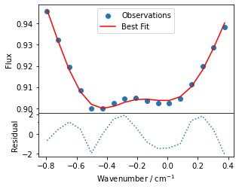
 |  | Jmax = 800 best fit | 2.08426336 | 0.00480293 | 1.02E-03 | 21.18 | 0.02210385 | 0.00433423 | 19.61 | 0.84246717 | 0.00883993 | 1.05 | 70.6689296 | 14.2074526 | 20.1 | 0.16777287 | 0.00529564 | 3.16 | -0.2140241 | 0.00417648 | 1.95 | 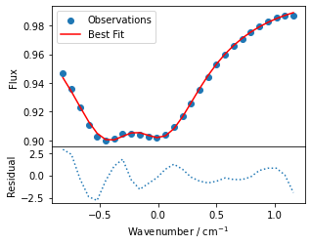
 |  | 5 (Jmax = 800) | 2.53674941 | 0.00109793 | 0.0020711 | 188.64 | 0.0316835 | 0.06532721 | 206.19 | 0.14164095 | 0.14288882 | 100.88 | 82.9930431 | 161.305865 | 194.36 | 0.18322141 | 0.02293327 | 12.52 | -0.21065691 | 0.00380594 | 1.81 | 
 | HD144470 | 1 | 4.70960108 | 0.00861437 | 0.00782748 | 90.87 | -0.01414778 | 0.01045201 | 73.88 | 0.43043327 | 0.45465036 | 105.63 | 299.266056 | 306.336815 | 102.36 | 0.05000731 | 0.47661608 | 953.09 | 1.03528747 | 0.49391821 | 47.71 | 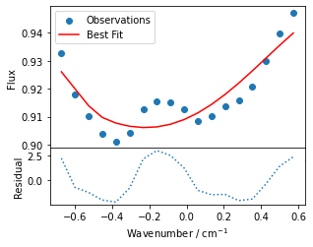
 |  | Jmax = 800 best fit | 0.45164667 | 0.00308773 | 7.55E-04 | 24.44 | 0.08805333 | 0.01494663 | 16.97 | 0.55787542 | 0.05616586 | 10.07 | 64.0704 | 13.2106226 | 20.62 | 0.19186068 | 0.0058031 | 3.02 | -0.14637736 | 0.00617812 | 4.22 | 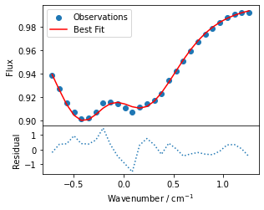
 |  | 6 (origin = -0.2) | 0.58397411 | 0.00229356 | 8.85E-04 | 38.58 | 0.12835965 | 0.03897197 | 30.36 | 0.12884425 | 0.09303331 | 72.21 | 49.2553081 | 17.4208631 | 35.37 | 0.15919631 | 0.01835961 | 11.53 | -0.12954359 | 0.00859747 | 6.64 | 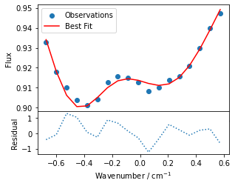
 |  | 5 (origin = -0.2) | 0.49333492 | 0.00163234 | 2.44E-04 | 14.98 | 0.26102925 | 0.20046468 | 76.8 | 0.17901745 | 0.14879821 | 83.12 | 299.999996 | 2664.18975 | 888.06 | 0.18773258 | 0.02416624 | 12.87 | -0.22477897 | 0.12930209 | 57.52 | 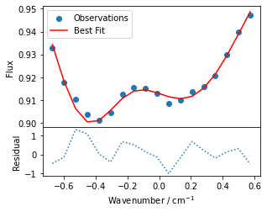
 |  | Jmax = 800 best fit | 0.49179358 | 0.00353259 | 5.04E-04 | 14.26 | 0.04137314 | 0.00751974 | 18.18 | 0.75991864 | 0.01051893 | 1.38 | 85.9572549 | 12.3359494 | 14.35 | 0.16554784 | 0.00280306 | 1.69 | -0.3102968 | 0.00296192 | 0.95 | 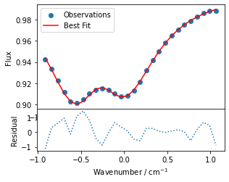
 |  | 6 | 0.5512542 | 0.00269455 | 7.05E-04 | 26.16 | 0.04003552 | 0.00697056 | 17.41 | 0.68307151 | 0.05676961 | 8.31 | 88.6098744 | 20.1542922 | 22.74 | 0.17269476 | 0.00592733 | 3.43 | -0.30535685 | 0.00362135 | 1.19 | 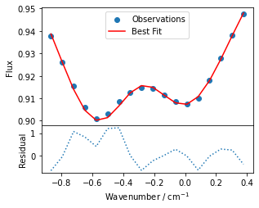
 | HD166937 | 5 | 0.5316341 | 0.00219116 | 5.50E-04 | 25.11 | 0.07239125 | 0.03111907 | 42.99 | 0.64929112 | 0.05038428 | 7.76 | 246.79366 | 462.854769 | 187.55 | 0.16722462 | 0.00808496 | 4.83 | -0.32512329 | 0.02285509 | 7.03 | 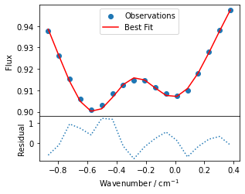
 | HD147165 | 5 (origin = -0.4) | 0.22800972 | 0.00250569 | 8.54E-04 | 34.09 | 0.10799601 | 0.06829117 | 63.23 | 0.65866338 | 0.07891996 | 11.98 | 299.999996 | 948.628902 | 316.21 | 0.17374197 | 0.01757012 | 10.11 | -0.39241255 | 0.05710257 | 14.55 | 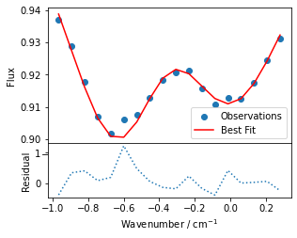
 |  | 6 (origin = -0.4) | 0.24882306 | 0.00344452 | 0.0010205 | 29.63 | 0.07345939 | 0.01362657 | 18.55 | 0.63462038 | 0.097328 | 15.34 | 79.8794028 | 18.5810616 | 23.26 | 0.18354568 | 0.00702915 | 3.83 | -0.35637218 | 0.00843089 | 2.37 | 
 |  | 3
 | HD147683 | 5 (origin = -0.7) | 0.16268361 | 0.00268369 | 1.00E-03 | 37.26 | 0.07513934 | 0.03401037 | 45.26 | 0.75657303 | 0.04322923 | 5.71 | 299.999967 | 439.487555 | 146.5 | 0.16172404 | 0.01652217 | 10.22 | -0.63959745 | 0.03068554 | 4.8 | 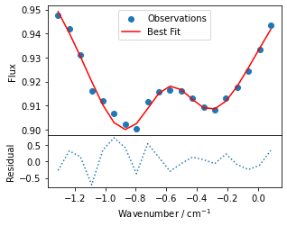
 |  | 6 (origin = -0.7) | 0.15859246 | 0.00457334 | 9.82E-04 | 21.46 | 0.04838537 | 0.00782945 | 16.18 | 0.8216754 | 0.02947663 | 3.59 | 99.1739837 | 17.0163349 | 17.16 | 0.1623208 | 0.00839154 | 5.17 | -0.62159664 | 0.00762356 | 1.23 | 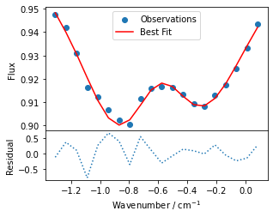
 |  | 2

 |  | 3
 | HD149757 | 5 (origin = 0.3) | 0.63613662 | 0.00225053 | 7.50E-04 | 33.34 | 0.1797207 | 0.10781782 | 59.99 | 0.69477389 | 0.08086074 | 11.64 | 299.999825 | 611.887919 | 203.96 | 0.1447035 | 0.02188045 | 15.12 | 0.00707414 | 0.09017084 | 1274.65 | 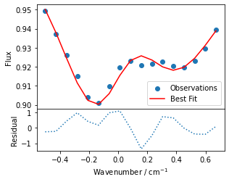
 |  | 6 (origin = 0.07) | 0.68930466 | 0.00344816 | 9.27E-04 | 26.88 | 0.14277622 | 0.01527255 | 10.7 | 0.63322117 | 0.11802817 | 18.64 | 63.7353822 | 10.5287522 | 16.52 | 0.1600042 | 0.01139884 | 7.12 | 0.06320202 | 0.0122048 | 19.31 | 
 |  | 3
 | HD170740 | 5 (origin = -0.1) | 2.00324467 | 0.00211187 | 8.95E-04 | 42.4 | 0.07157009 | 0.05333911 | 74.53 | 0.67934266 | 0.0748134 | 11.01 | 300 | 1753.07331 | 584.36 | 0.16985348 | 0.01690299 | 9.95 | -0.0719957 | 0.03904091 | 54.23 | 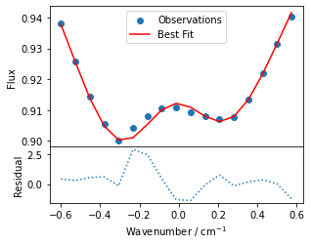
 |  | 2
 |  | 3
 | HD184915 | 5 (origin = -0.1) | 0.46861288 | 0.00341617 | 0.00368525 | 107.88 | 0.05246939 | 0.01144278 | 21.81 | 0.7875383 | 0.07658841 | 9.73 | 81.6150135 | 105.821835 | 129.66 | 0.14877398 | 0.00936137 | 6.29 | 0.01003582 | 0.01056082 | 105.23 | 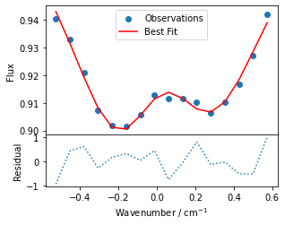
 |  | 2
 |  | 3
 | HD185418 | 5 | 0.48458673 | 0.00137541 | 2.36E-04 | 17.12 | 0.33205491 | 0.22581737 | 68.01 | -0.0681816 | 0.15021104 | 220.31 | 299.999971 | 923.356826 | 307.79 | 0.21548557 | 0.02823501 | 13.1 | -0.27297243 | 0.13486707 | 49.41 | 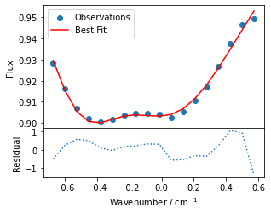
 |  | 2
 |  | 3
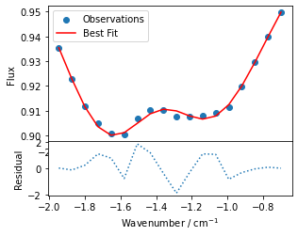
 | HD203532 | 5 (origin = -1.4) | 1.17668758 | 0.00200141 | 6.04E-04 | 30.16 | 0.0908615 | 0.06838648 | 75.26 | 0.59609325 | 0.09360201 | 15.7 | 299.999818 | 997.98808 | 332.66 | 0.1883702 | 0.0119399 | 6.34 | -1.42917209 | 0.04555168 | 3.19
 |  | 2
 |  | 3

 |  |  |  | B over 9 sightlines: |  | error:
 |  |  |  | 0.0022597522222 |  | 0.00019183240367

Parallel_all
Sightline |  | Red. Chisq | B | B Uncertainty | % | delta B | delta B uncertainty | % | zeta | zeta uncertainty | % | T | T uncertainty | % | sigma | sigma uncertainty | % | origin | origin uncertainty | % | Plot
HD24398 | 1
 | 2
 | 3
HD185859 | 1
 | 2 | 15.1397939 | 0.0005 | 0.12074581 | 24149.16 | 0.90759609 | 0.47159172 | 51.96 | -2.19787609 | 2.80402896 | 127.58 | 105.58679 | 58.146961 | 55.07 | 0.0500008 | 0.0498778 | 99.75 | -0.83728112 | 0.16835835 | 20.11 | 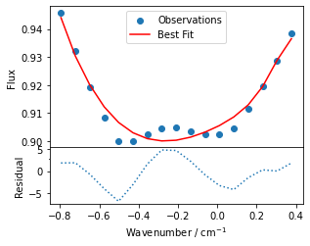
 | 3
 | 4
HD144470 | 1
 | 2
 | 3
 | 1
 | 2
 | 3
 | 1
 | 2
 | 3
 | 1
 | 2
 | 3
 | 1
 | 2
 | 3
 | 1
 | 2
 | 3
 | 1
 | 2
 | 3
 | 1
 | 2
 | 3
 | 1
 | 2
 | 3

Parallel_185859
 |  |  | Reduced chi square value
Parameters:

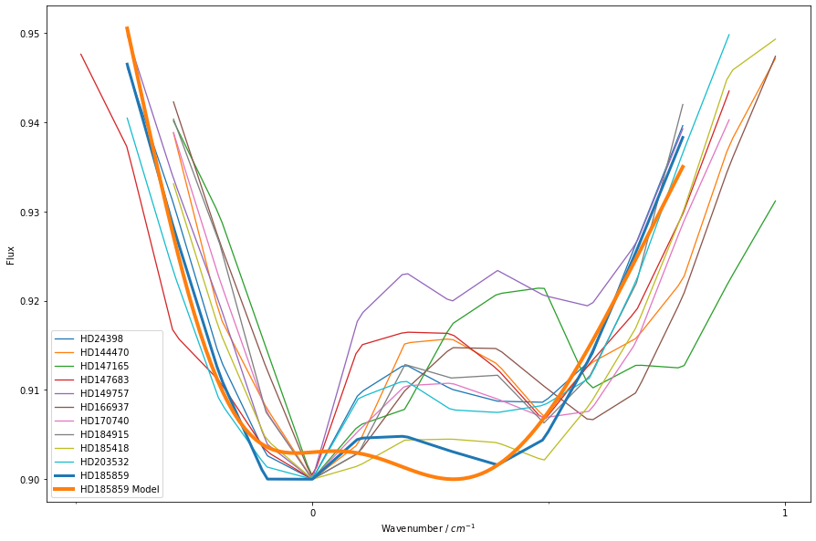
B | 0.00129 | Sightline | Chi-Square | Plot | No. Observations co added
delta_B | 0.594 | HD24398 | 12.463539104 | 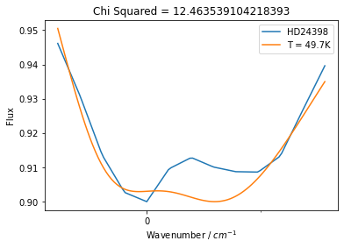 | 2
zeta | -0.969 | HD144470 | 8.9321945776 | 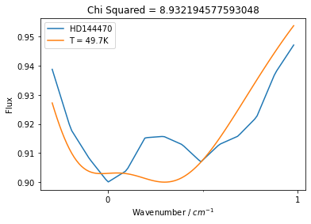 | 1
T | 49.7 | HD147165 | 8.0604766982 | 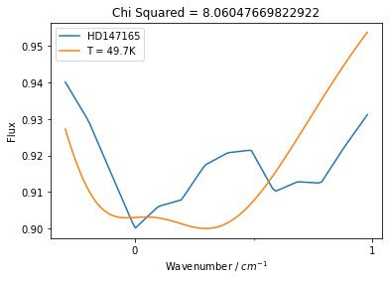 | 1
sigma | 0.198 | HD147683 | 6.030724172 | 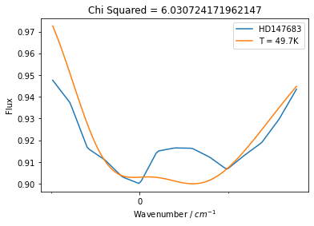 | 3
origin | -0.0793 | HD149757 | 13.140052282 | 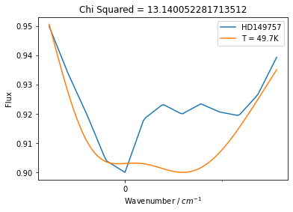 | 2
 |  | HD166937 | 60.039101151 | 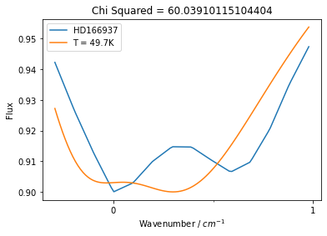 | 1
 |  | HD170740 | 69.056660892 | 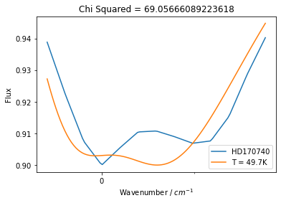 | 5
 |  | HD184915 | 12.291001359 | 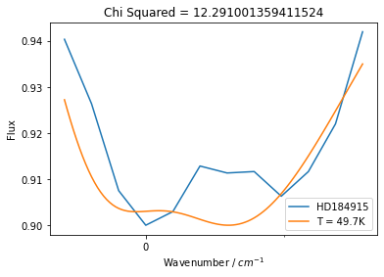 | 3
 |  | HD185418 | 2.7420201812 | 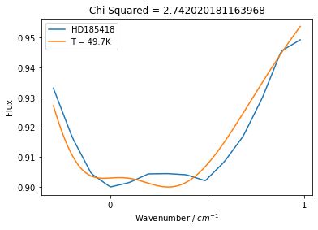 | 2
 |  | HD203532 | 9.3409946945 | 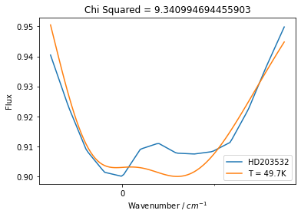 | 2
 |  | HD185859 | 7.8396796044 | 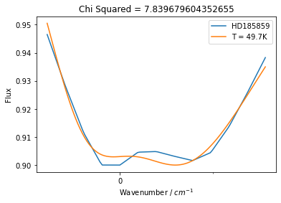 | 3

Perpendicular_185859
 |  |  | Reduced chi square value

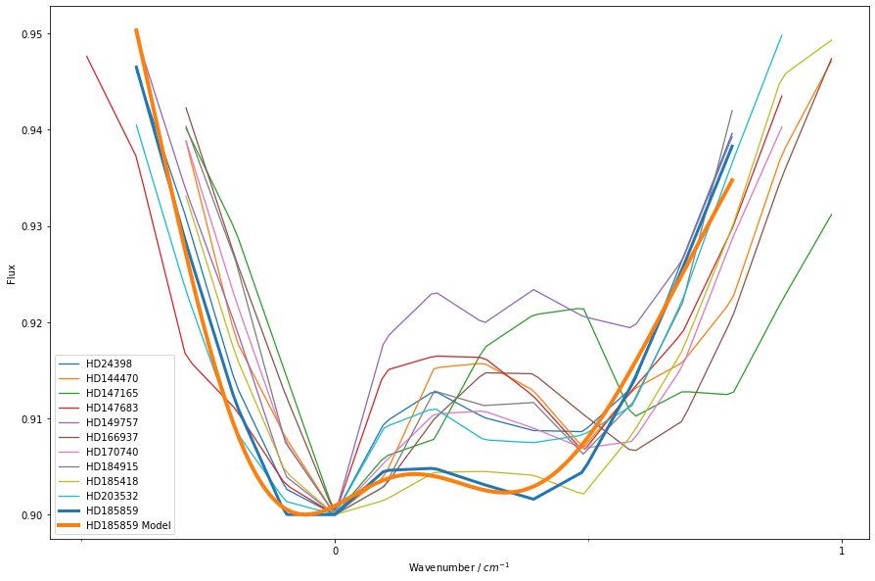
B | 0.00179 | Sightline | Chi-Square | Plot
delta_B | 0.717 | HD24398 | 8.8802067459 | 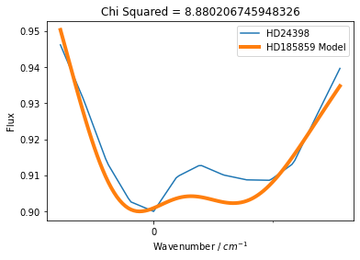
zeta | -1.1 | HD144470 | 7.8766651074 | 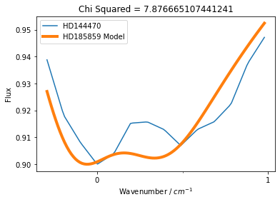
T | 28.6 | HD147165 | 7.7602134144 | 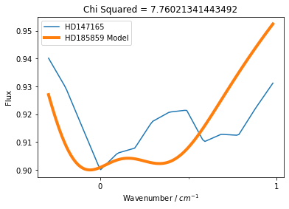
sigma | 0.206 | HD147683 | 5.0952212278 | 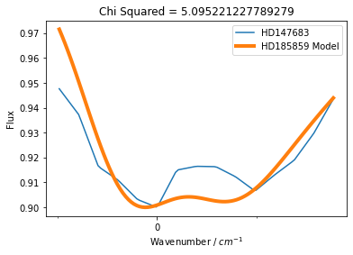
origin | 0.157 | HD149757 | 11.406175011 | 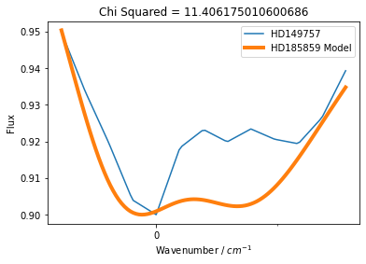
 |  | HD166937 | 58.520020597 | 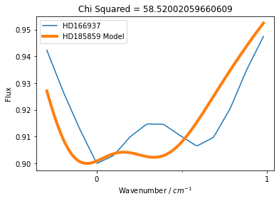
 |  | HD170740 | 66.379378978 | 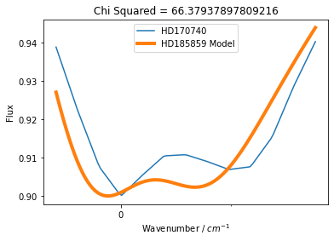
 |  | HD184915 | 11.7995863 | 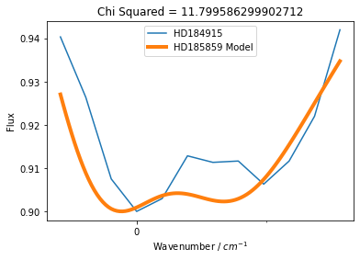
 |  | HD185418 | 2.9395318833 | 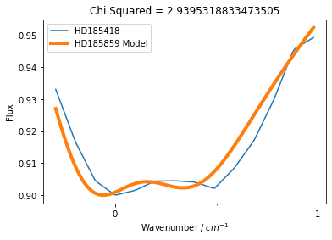
 |  | HD203532 | 6.3502346649 | 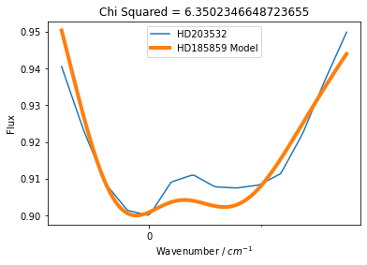
 |  | HD185859 | 4.615493445 | 

