Parallel_185859
 |  |  | Reduced chi square value
Parameters:

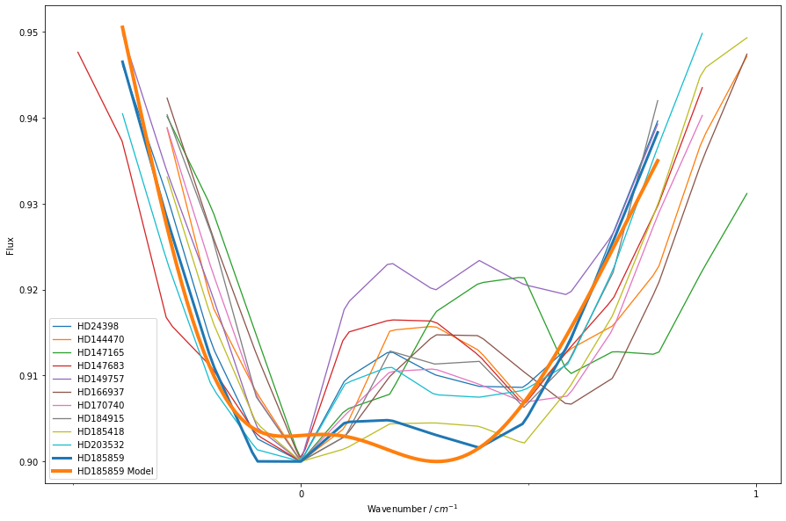
B | 0.00129 | Sightline | Chi-Square | Plot | No. Observations co added
delta_B | 0.594 | HD24398 | 12.463539104 | 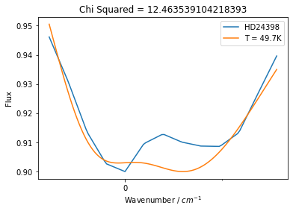 | 2
zeta | -0.969 | HD144470 | 8.9321945776 | 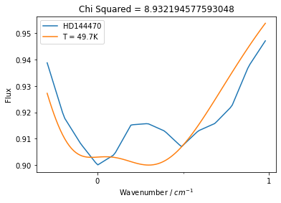 | 1
T | 49.7 | HD147165 | 8.0604766982 | 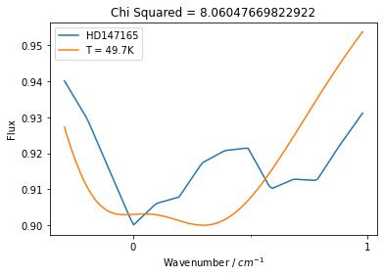 | 1
sigma | 0.198 | HD147683 | 6.030724172 | 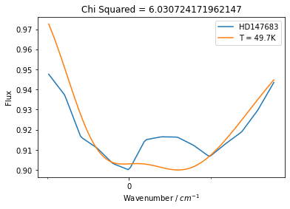 | 3
origin | -0.0793 | HD149757 | 13.140052282 | 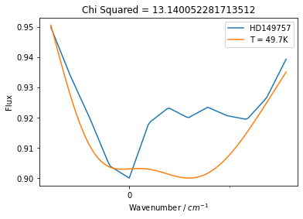 | 2
 |  | HD166937 | 60.039101151 | 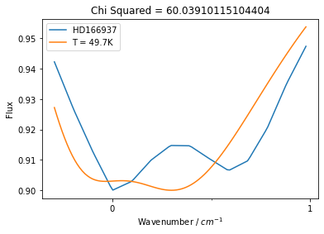 | 1
 |  | HD170740 | 69.056660892 | 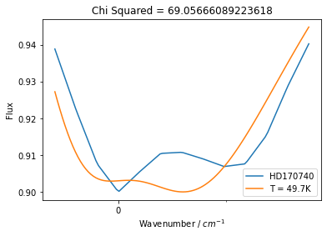 | 5
 |  | HD184915 | 12.291001359 | 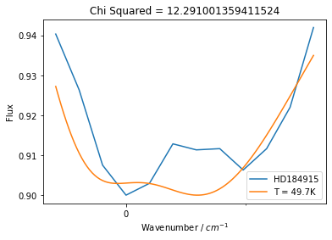 | 3
 |  | HD185418 | 2.7420201812 | 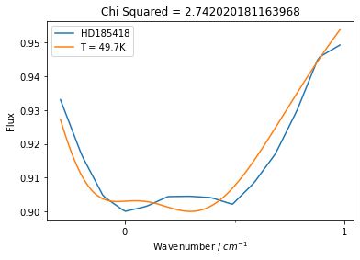 | 2
 |  | HD203532 | 9.3409946945 | 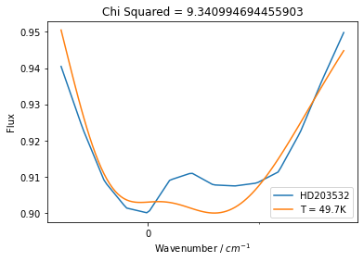 | 2
 |  | HD185859 | 7.8396796044 | 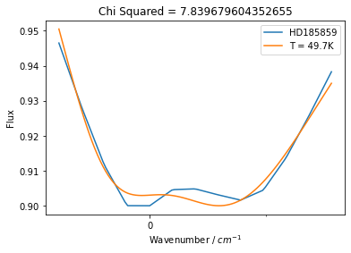 | 3

Perpendicular_185859
 |  |  | Reduced chi square value

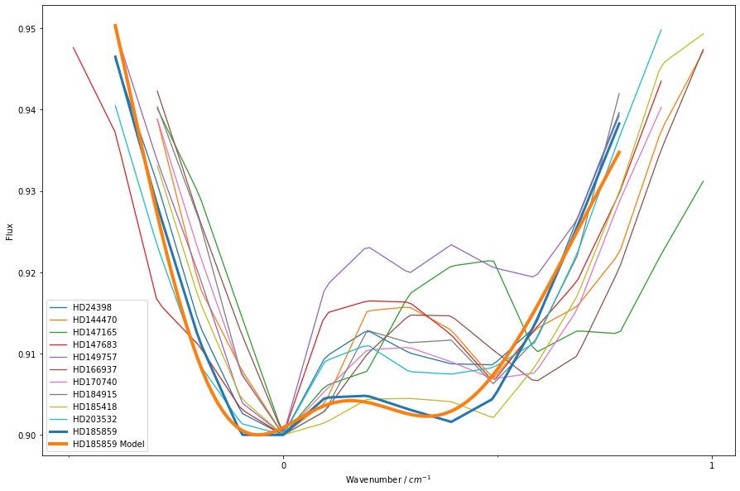
B | 0.00179 | Sightline | Chi-Square | Plot
delta_B | 0.717 | HD24398 | 8.8802067459 | 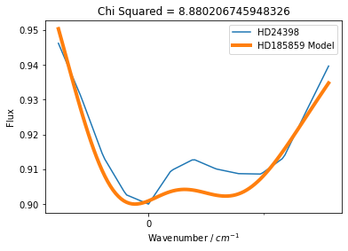
zeta | -1.1 | HD144470 | 7.8766651074 | 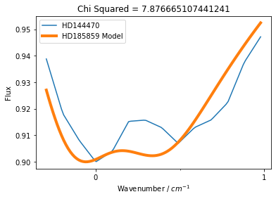
T | 28.6 | HD147165 | 7.7602134144 | 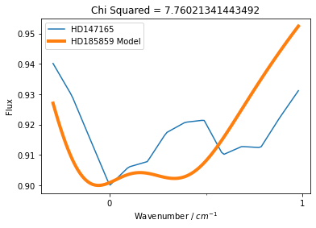
sigma | 0.206 | HD147683 | 5.0952212278 | 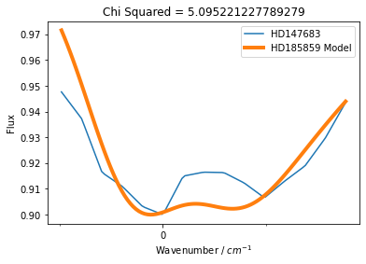
origin | 0.157 | HD149757 | 11.406175011 | 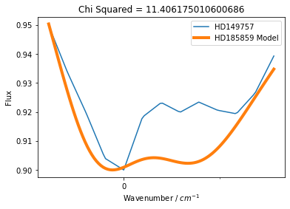
 |  | HD166937 | 58.520020597 | 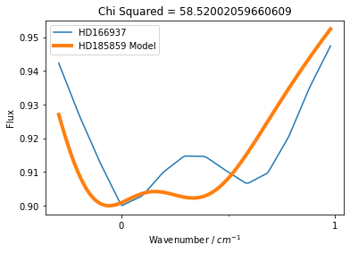
 |  | HD170740 | 66.379378978 | 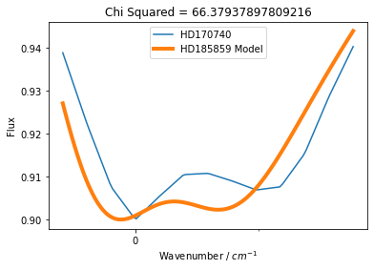
 |  | HD184915 | 11.7995863 | 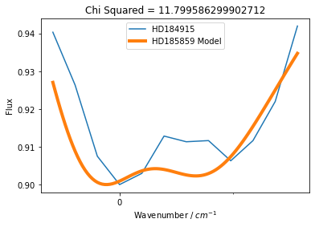
 |  | HD185418 | 2.9395318833 | 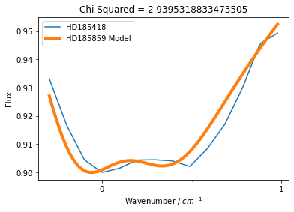
 |  | HD203532 | 6.3502346649 | 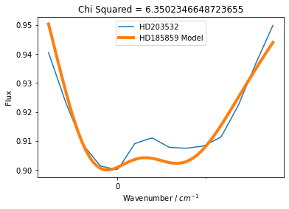
 |  | HD185859 | 4.615493445 | 