ELC
* declare and characterize the new coupled heat and power plants

electricity power plants

 |  |  | ~FI_T
TechName | *TechDesc | Comm-IN | Comm-OUT | START | EFF | EFF~2030 | EFF~2035 | EFF~2040 | EFF~2045 | EFF~2050 | INVCOST~2025 | INVCOST~2030 | INVCOST~2035 | INVCOST~2040 | INVCOST~2045 | INVCOST~2050 | FIXOM~2025 | FIXOM~2030 | FIXOM~2035 | FIXOM~2040 | FIXOM~2045 | FIXOM~2050 | VAROM~2025 | VAROM~2030 | VAROM~2035 | VAROM~2040 | VAROM~2045 | VAROM~2050 | PEAK | CAP2ACT | AFA | LIFE
\I: |  |  | \I: |  | % | % | % | % | % | % | EUR/kW | EUR/kW | EUR/kW | EUR/kW | EUR/kW | EUR/kW | EUR/kW | EUR/kW | EUR/kW | zl/kW | zl/kW | zl/kW | EUR/GJ | EUR/GJ |  |  |  |  |  | PJ/GW | %
NEW_CCGT | Natural Gas - CCGT | NAT_GAS | ELC | 2025 | 0.6 |  |  |  |  |  | 835 | 835 | 835 | 835 | 835 | 835 | 20 | 20 | 20 | 20 | 20 | 20 | 2 | 2 | 2 | 2 | 2 | 2 |  | 31.536 | 1 | 25
\I:
NEW_WIND_ON | Wind Onshore Turbine | WIND_ON | ELC_RES | 2025 | 1 |  |  |  |  |  | 1500 | 1500 | 1500 | 1500 | 1500 | 1500 | 10 | 10 | 10 | 10 | 10 | 10 | 0 | 0 | 0 | 0 | 0 | 0 |  | 31.536 | 1 | 20
NEW_WIND_OFF | Wind Offshore Turbine | WIND_OFF | ELC_RES | 2025 | 1 |  |  |  |  |  | 4000 | 4000 | 4000 | 4000 | 4000 | 4000 | 10 | 10 | 10 | 10 | 10 | 10 | 0 | 0 | 0 | 0 | 0 | 0 |  | 31.536 | 1 | 20
NEW_ROOF_PV | Photovoltaic Rooftop | SOLAR | ELC_RES | 2025 | 1 |  |  |  |  |  | 1500 | 1500 | 1500 | 1500 | 1500 | 1500 | 10 | 10 | 10 | 10 | 10 | 10 | 0 | 0 | 0 | 0 | 0 | 0 |  | 31.536 | 1 | 20
NEW_IND_WIND_ON | Wind Onshore Turbine | WIND_ON | ELC_IND_RES | 2025 | 1 |  |  |  |  |  | 1500 | 1500 | 1500 | 1500 | 1500 | 1500 | 10 | 10 | 10 | 10 | 10 | 10 | 0 | 0 | 0 | 0 | 0 | 0 |  | 31.536 | 1 | 20
NEW_IND_WIND_OFF | Wind Offshore Turbine | WIND_OFF | ELC_IND_RES | 2025 | 1 |  |  |  |  |  | 4000 | 4000 | 4000 | 4000 | 4000 | 4000 | 10 | 10 | 10 | 10 | 10 | 10 | 0 | 0 | 0 | 0 | 0 | 0 |  | 31.536 | 1 | 20
NEW_IND_ROOF_PV | Photovoltaic Rooftop | SOLAR | ELC_IND_RES | 2025 | 1 |  |  |  |  |  | 1500 | 1500 | 1500 | 1500 | 1500 | 1500 | 10 | 10 | 10 | 10 | 10 | 10 | 0 | 0 | 0 | 0 | 0 | 0 |  | 31.536 | 1 | 20

electricity storage

 |  |  | ~FI_T
TechName | *TechDesc | Comm-IN | Comm-OUT | START | STG_EFF | STG_EFF~2025 | STG_EFF~2030 | STG_EFF~2035 | STG_EFF~2040 | STG_EFF~2045 | INVCOST~2025 | INVCOST~2030 | INVCOST~2035 | INVCOST~2040 | INVCOST~2045 | INVCOST~2050 | FIXOM~2025 | FIXOM~2030 | FIXOM~2035 | FIXOM~2040 | FIXOM~2045 | FIXOM~2050 | PEAK | CAP2ACT | AFA | LIFE | CommGrp | NCAP_AFC~DAYNITE | * Discharge time | * hours per defined timeslice level
\I: |  |  |  |  |  |  |  |  |  |  |  |  |  |  |  |  |  |  |  |  |  |  |  |  |  |  |  |  | h | h
NEW_UTI_BS | Utility- Scale Battery Storage | ELC_RES | ELC_RES | 2025 | 1 | 1 | 1 | 0.8 | 0.8 | 0.8 | 0 | 0 | 1500 | 1500 | 1500 | 1500 | 17 | 17 | 17 | 17 | 17 | 17 |  | 31.536 | 1 | 25
 |  |  |  |  |  |  |  |  |  |  |  |  |  |  |  |  |  |  |  |  |  |  |  |  |  |  | NRG | 1
 |  |  |  |  |  |  |  |  |  |  |  |  |  |  |  |  |  |  |  |  |  |  |  |  |  |  | ACT | 0.035714285714 | 6 | 168
NEW_IND_UTI_BS | Utility- Scale Battery Storage | ELC_IND_RES | ELC_IND_RES | 2025 | 1 | 1 | 1 | 0.8 | 0.8 | 0.8 | 0 | 0 | 1500 | 1500 | 1500 | 1500 | 17 | 17 | 17 | 17 | 17 | 17 |  | 31.536 | 1 | 25
 |  |  |  |  |  |  |  |  |  |  |  |  |  |  |  |  |  |  |  |  |  |  |  |  |  |  | NRG | 1
 |  |  |  |  |  |  |  |  |  |  |  |  |  |  |  |  |  |  |  |  |  |  |  |  |  |  | ACT | 0.035714285714 | 6 | 168

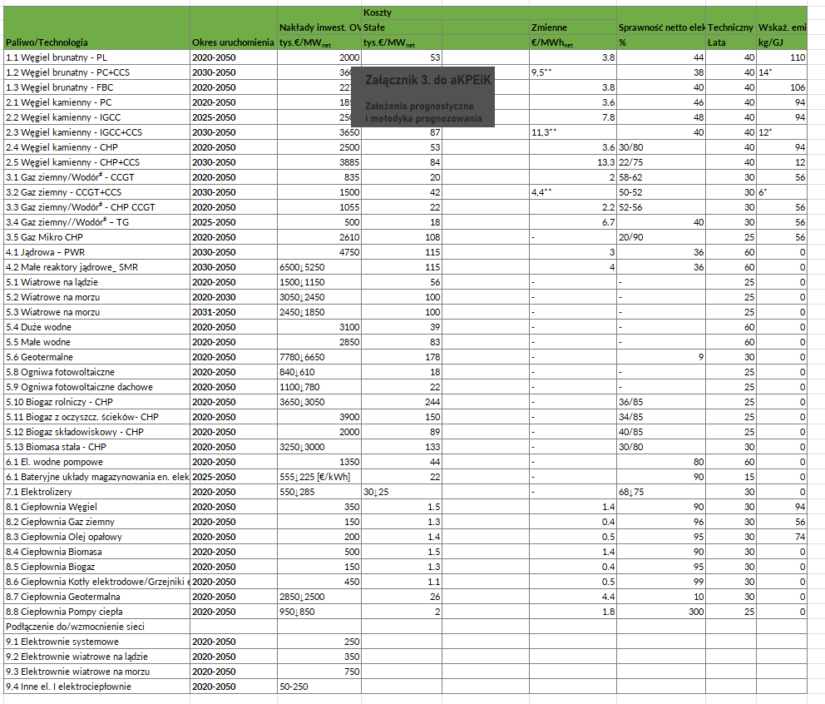
processes |  |  |  |  |  |  |  |  |  |  |  |  |  |  |  |  |  |  |  |  |  |  |  |  |  | https://atb.nrel.gov/electricity/2024/utility-scale_battery_storage

~FI_Process
Sets | TechName | TechDesc | Tact | Tcap | Tslvl | PrimaryCG | Vintage
\I:
ELE | NEW_CCGT | Natural Gas - CCGT | PJ | GW | DAYNITE |  | NO
\I:
ELE | NEW_WIND_ON | Wind Onshore Turbine | PJ | GW | DAYNITE |  | NO
ELE | NEW_WIND_OFF | Wind Offshore Turbine | PJ | GW | DAYNITE |  | NO
ELE | NEW_ROOF_PV | Photovoltaic Rooftop | PJ | GW | DAYNITE |  | NO
ELE | NEW_IND_WIND_ON | Wind Onshore Turbine | PJ | GW | DAYNITE |  | NO
ELE | NEW_IND_WIND_OFF | Wind Offshore Turbine | PJ | GW | DAYNITE |  | NO
ELE | NEW_IND_ROOF_PV | Photovoltaic Rooftop | PJ | GW | DAYNITE |  | NO
\I:
STG | NEW_UTI_BS | Utility- Scale Battery Storage | PJ | GW | DAYNITE |  | NO
STG | NEW_IND_UTI_BS | Utility- Scale Battery Storage | PJ | GW | DAYNITE |  | NO

commodities

~FI_Comm
Csets | CommName | CommDesc | Unit | LimType | CTSLvl | PeakTS | Ctype
*Commodity Set Membership | Commodity Name | Commodity Description | Unit | Sense of the Balance EQN. | Timeslice Level | Peak Monitoring | Electricity Indicator
NRG | ELC | Electricity | PJ |  | DAYNITE | ANNUAL | ELC
NRG | ELC_RES | Electricity | PJ |  | DAYNITE | ANNUAL | ELC
NRG | NAT_GAS | Natural Gas | PJ
NRG | WIND_ON | Wind Onshore | PJ
NRG | WIND_OFF | Wind Offshore | PJ
NRG | SOLAR | Solar | PJ
NRG | ELC_IND_RES | Electricity | PJ |  | DAYNITE | ANNUAL | ELC

static coefficients for combustion emissions

TechName | CommName | HC | BC | #REF! | OIL | OTHER
\I:

TechName | *TechDesc | Comm-IN | Comm-OUT | START | STG_EFF | STG_EFF~2025 | STG_EFF~2030 | STG_EFF~2035 | STG_EFF~2040 | STG_EFF~2045 | INVCOST~2025 | INVCOST~2030 | INVCOST~2035 | INVCOST~2040 | INVCOST~2045 | INVCOST~2050 | FIXOM~2025 | FIXOM~2030 | FIXOM~2035 | FIXOM~2040 | FIXOM~2045 | FIXOM~2050 | PEAK | CAP2ACT | AFA | LIFE | CommGrp | NCAP_AFC~DAYNITE | * Discharge time | * hours per defined timeslice level
\I: |  |  |  |  |  |  |  |  |  |  |  |  |  |  |  |  |  |  |  |  |  |  |  |  |  |  |  |  | h | h
0 | Utility- Scale Battery Storage | 0 | 0 | 2025 | 0.8 | 0.8 | 0.8 | 0.8 | 0.8 | 0.8 | 1500 | 1500 | 1500 | 1500 | 1500 | 1500 | 17 | 17 | 17 | 17 | 17 | 17 |  | 31.536 | 1 | 25
 |  |  |  |  |  |  |  |  |  |  |  |  |  |  |  |  |  |  |  |  |  |  |  |  |  |  | NRG | 1
 |  |  |  |  |  |  |  |  |  |  |  |  |  |  |  |  |  |  |  |  |  |  |  |  |  |  | ACT | 0.035714285714 | 6 | 168
0 | Utility- Scale Battery Storage | 0 | 0 | 2025 | 0.8 | 0.8 | 0.8 | 0.8 | 0.8 | 0.8 | 1500 | 1500 | 1500 | 1500 | 1500 | 1500 | 17 | 17 | 17 | 17 | 17 | 17 |  | 31.536 | 1 | 25
 |  |  |  |  |  |  |  |  |  |  |  |  |  |  |  |  |  |  |  |  |  |  |  |  |  |  | NRG | 1
 |  |  |  |  |  |  |  |  |  |  |  |  |  |  |  |  |  |  |  |  |  |  |  |  |  |  | ACT | 0.035714285714 | 6 | 168

