PP
 |  |  |  |  |  | 2020 = 2023
Power Plants

 |  |  | ~FI_T
TechName | * TechDesc | Comm-IN | Comm-OUT | EFF | CAP2ACT | STOCK~2023 | STOCK~2025 | STOCK~2030 | STOCK~2035 | STOCK~2040 | STOCK~2045 | STOCK~2050 | PEAK | FIXOM | VAROM
\I: Technology Name | Technology Description | Commodity Input | Commodity Output | Efficiency | Capacity to Activity Factor | Installed Capacity [GW] |  |  |  |  |  |  | Peak EQ Factor | Fixed O&M Costs [EUR/kW] | Variable O&M Costs [EUR/GJ]
ELE_EX_GAS_CCGT | Existing Gas Combined Cycle Power Plants | NAT_GAS | ELC | 0.56 | 31.536 | 25.00 | 25.00 | 25.00 | 25.00 | 0.00 | 0.00 | 0.00 | 1.00 | 20.00 | 2.00

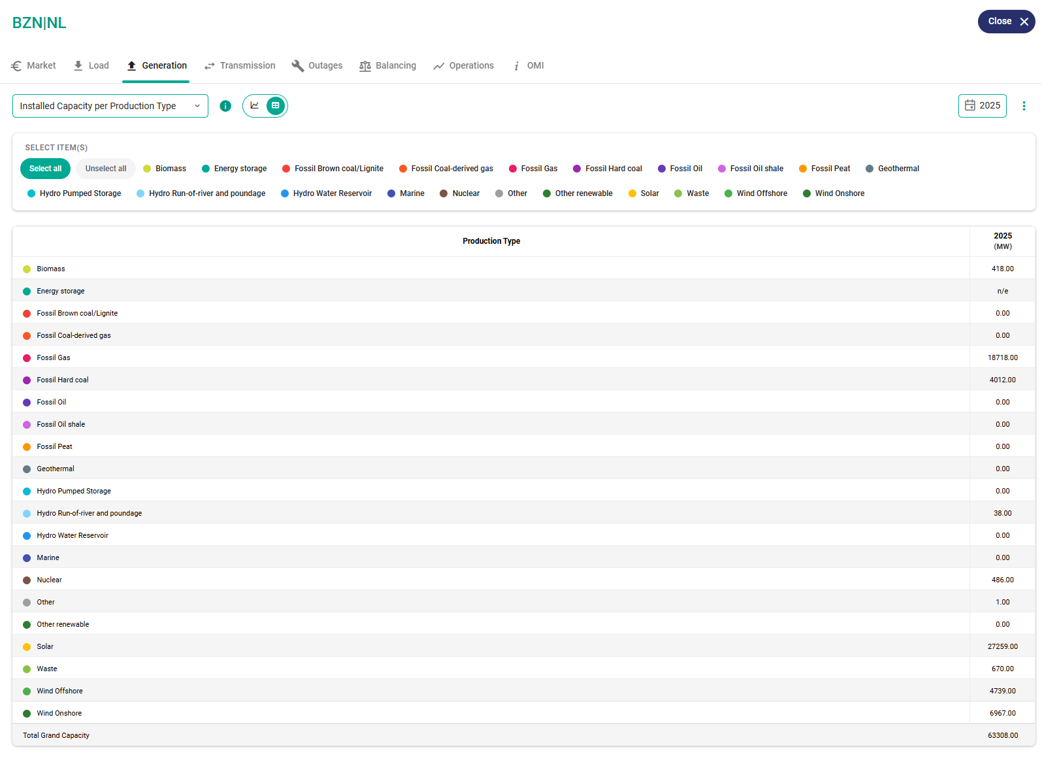
 |  |  |  |  |  |  |  |  |  |  |  |  | Biomass | 418
 |  |  |  |  |  |  |  |  |  |  |  |  | Energy storage | n/e
 |  |  |  |  |  |  |  |  |  |  |  |  | Fossil Brown coal/Lignite | 0
 |  |  |  |  |  |  |  |  |  |  |  |  | Fossil Coal-derived gas | 0
 |  |  |  |  |  |  |  |  |  |  |  |  | Fossil Gas | 18718
 |  |  |  |  |  |  |  |  |  |  |  |  | Fossil Hard coal | 4012
 |  |  |  |  |  |  |  |  |  |  |  |  | Fossil Oil | 0
 |  |  |  |  |  |  |  |  |  |  |  |  | Fossil Oil shale | 0
 |  |  |  |  |  |  |  |  |  |  |  |  | Fossil Peat | 0
 |  |  |  |  |  |  |  |  |  |  |  |  | Geothermal | 0
 |  |  |  |  |  |  |  |  |  |  |  |  | Hydro Pumped Storage | 0
 |  |  |  |  |  |  |  |  |  |  |  |  | Hydro Run-of-river and poundage | 38
 |  |  |  |  |  |  |  |  |  |  |  |  | Hydro Water Reservoir | 0
 |  |  |  |  |  |  |  |  |  |  |  |  | Marine | 0
 |  |  |  |  |  |  |  |  |  |  |  |  | Nuclear | 486
 |  |  |  |  |  |  |  |  |  |  |  |  | Other | 1
 |  |  |  |  |  |  |  |  |  |  |  |  | Other renewable | 0
 |  |  |  |  |  |  |  |  |  |  |  |  | Solar | 27259
 |  |  |  |  |  |  |  |  |  |  |  |  | Waste | 670
 |  |  |  |  |  |  |  |  |  |  |  |  | Wind Offshore | 4739
 |  |  |  |  |  |  |  |  |  |  |  |  | Wind Onshore | 6967

 |  |  |  |  |  |  |  |  |  |  |  |  | Total Grand Capacity | 63308

 |  |  |  |  |  |  |  |  |  |  |  |  | Total gas | 23886
 |  |  |  |  |  |  |  |  |  |  |  |  | Total wind onshore | 7423
 |  |  |  |  |  |  |  |  |  |  |  |  | Total wind offshore | 4739
 |  |  |  |  |  |  |  |  |  |  |  |  | Total pv | 27259
 |  |  |  |  |  |  |  |  |  |  |  |  | sum | 63307

RES
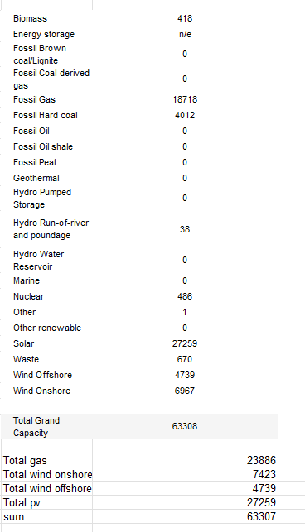
 |  |  |  |  |  | 2020 = 2023
Renewable Energy Sources

 |  |  | ~FI_T
TechName | *TechDesc | Comm-IN | Comm-OUT | EFF | CAP2ACT | STOCK~2023 | STOCK~2025 | STOCK~2030 | STOCK~2035 | STOCK~2040 | STOCK~2045 | STOCK~2050 | FIXOM | VAROM
\I: Technology Name | Technology Description | Commodity Input | Commodity Output | Efficiency | Capacity to Activity Factor | Installed Capacity [GW] |  |  |  |  |  |  | Fixed O&M Costs [EUR/kW/a] | Variable O&M Costs [PLN/GJ/a]
ELE_EX_PV_ROOF | Existing Photovoltaic Rooftop | SOLAR | ELC_RES | 1 | 31.536 | 25 | 27 | 27 | 27 | 0 | 0 | 0 | 10
ELE_EX_WIND_ON | Existing Onshore Wind Turbines | WIND_ON | ELC_RES | 1 | 31.536 | 7 | 7.5 | 7.5 | 7.5 | 0 | 0 | 0 | 10
ELE_EX_WIND_OFF | Existing Onshore Wind Turbines | WIND_OFF | ELC_RES | 1 | 31.536 | 4.5 | 4.7 | 4.7 | 4.7 | 0 | 0 | 0 | 10

