DEMAND
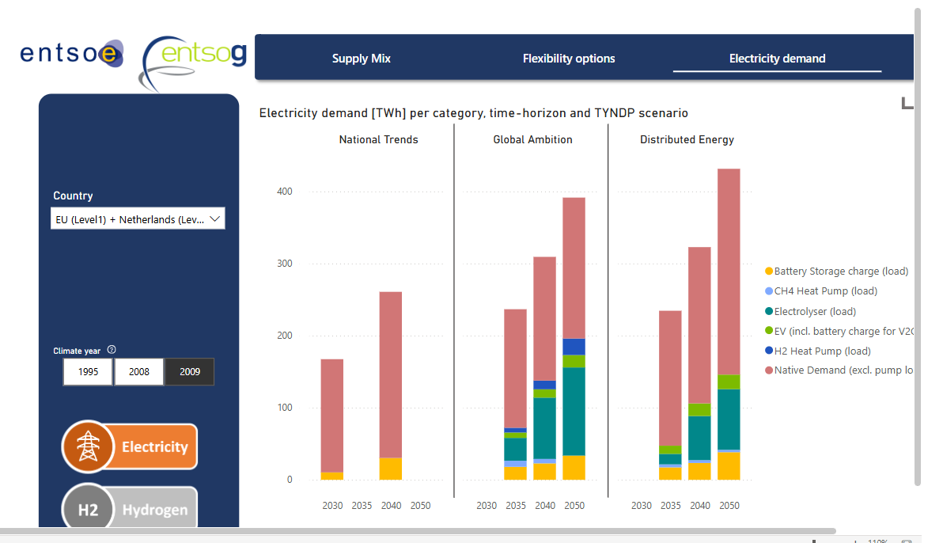
Demand

~FI_T:DEMAND
CommName | 2024 | 2025 | 2030
\I: Commodity Name | Annual Demand Value [GWh]
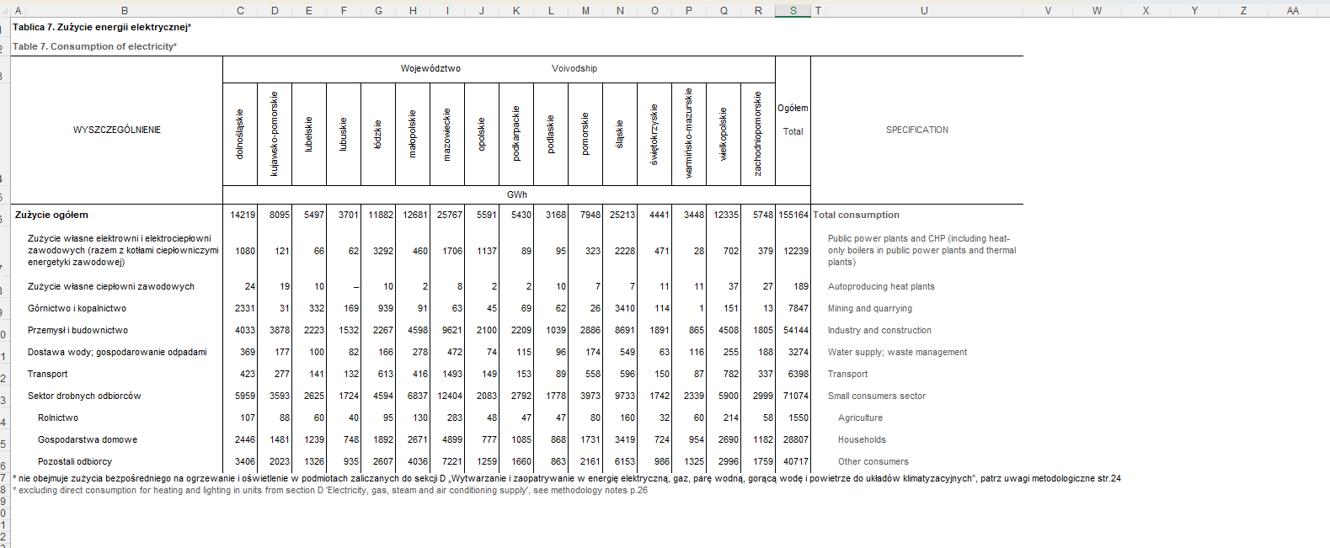
ELC_FIN | 109999.7 | 109041.3 | 126304.7 | Source: | Visualisation Platform | ENTSOs TYNDP 2024 Scenarios
ELC_IND_FIN | 58956.3 | 58442.7 | 67695.3

Forecast
2024 | 169.0
2025 | 167.5
2030 | 194.0
 | Supportive calculations below:
 | 2024 | 2025 | 2030
TWh | 169.0 | 167.5 | 194.0

 | Legend:
 |  | ENTSO data points

GWh | 168956 | 167,484

 |  |  |  | All | IND
 |  |  |  | 0.65 | 0.35 | 54144 | 155164

 |  |  |  |  |  |  |  | GUS

