PP
 |  |  |  | 2023
Power Plants

TechName | * TechDesc | EFF | CAP2ACT | STOCK~2024 | STOCK~2025 | STOCK~2030 | PEAK | FIXOM | VAROM
\I: Technology Name | Technology Description | Efficiency | Capacity to Activity Factor | Installed Capacity [GW] |  |  | Peak EQ Factor | Fixed O&M Costs [EUR/kW] | Variable O&M Costs [EUR/GWh]
ELE_EX_GAS_CCGT | Existing Gas Combined Cycle Power Plants | 0.56 | 8760 | 5.16 | 5.34 | 5.33 | 1.0 | 24.0 | 0.00240 |  | 0.00000864
ELE_EX_HC | Existing Hard Coal Power Plants | 0.44 | 8760 | 18.83 | 18.54 | 8.19 | 1.0 | 59 | 0.0043
ELE_EX_LIG | Existing Lignite Power Plants | 0.46 | 8760 | 7.56 | 6.95 | 6.57 | 1.0 | 64.0 | 0.0046

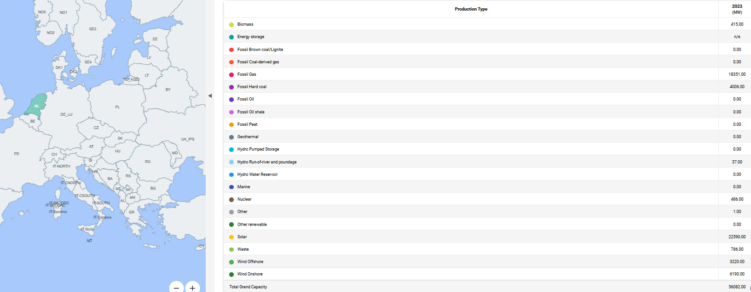
 |  |  |  |  |  |  |  |  |  |  |  | 2025
 |  |  |  |  |  |  |  |  |  |  |  |  | Capacity [MW] | Capacity [GW]
 |  |  |  |  |  |  |  |  | 2023 |  |  | Fossil Gas | 5341.06 | 5.34
 |  |  |  |  |  |  |  |  | (MW) |  |  | Fossil Hard coal | 18543.87 | 18.54
 |  |  |  |  |  |  |  |  | Biomass | 415 |  | Fossil Brown coal/Lignite | 6951 | 6.95
 |  |  |  |  |  |  |  |  | Energy storage | n/e |  | Wind Offshore | n/e | 0.00
 |  |  |  |  |  |  |  |  | Fossil Brown coal/Lignite | 0 |  | Wind Onshore | 10299.32 | 10.30
 |  |  |  |  |  |  |  |  | Fossil Coal-derived gas | 0 |  | Solar | 17815.73 | 17.82
 |  |  |  |  |  |  |  |  | Fossil Gas | 18351
 |  |  |  |  |  |  |  |  | Fossil Hard coal | 4006
 |  |  |  |  |  |  |  |  | Fossil Oil | 0
 |  |  |  |  |  |  |  |  | Fossil Oil shale | 0
 |  |  |  |  |  |  |  |  | Fossil Peat | 0
 |  |  |  |  |  |  |  |  | Geothermal | 0
 |  |  |  |  |  |  |  |  | Hydro Pumped Storage | 0
 |  |  |  |  |  |  |  |  | Hydro Run-of-river and poundage | 37
 |  |  |  |  |  |  |  |  | Hydro Water Reservoir | 0
 |  |  |  |  |  |  |  |  | Marine | 0
 |  |  |  |  |  |  |  |  | Nuclear | 486
 |  |  |  |  |  |  |  |  | Other | 1
 |  |  |  |  |  |  |  |  | Other renewable | 0
 |  |  |  |  |  |  |  |  | Solar | 22590
 |  |  |  |  |  |  |  |  | Waste | 786
 |  |  |  |  |  |  |  |  | Wind Offshore | 3220
 |  |  |  |  |  |  |  |  | Wind Onshore | 6190

 |  |  |  |  |  |  |  |  | Total gas | 24044
 |  |  |  |  |  |  |  |  | Total pv | 22590
 |  |  |  |  |  |  |  |  | Total wind onshore | 6190
 |  |  |  |  |  |  |  |  | Total wind offshore | 3220

