Figure 3
Tanaka 2014 -Simultaneous LC-MS/MS Analysis of the Plasma Concentrations of a Cocktail of 5 Cytochrome P450 Substrate Drugs and Their Metabolites simultaneous determination of five drugs and their cytochrome P450-specific probe metabolites in human plasma influence of caffeine abstinence on CYP1A2 metrics

species | human
method
n
subjects

Figure3a
study | time caffeine [h] | Caffeine plasma concentration [ng/ml] | Caffeine plasma concentration SE [ng/ml] | time paraxanthine [h] | paraxanthine plasma concentration [ng/ml] | paraxanthine plasma concentration SE [ng/ml]
study | time_caffeine | caffeine_plasma_concentration | caffeine_plasma_concentration_SE | time_paraxanthine | paraxanthine_plasma_concentration | paraxanthine_plasma_concentration_SE
Tanaka2014 | 0.0 | 1270.5883 | 588.2352 | 0.0 | 635.2941 | 176.4706
Tanaka2014 | 0.5 | 3247.0588 | 1905.8826 | 0.5 | 1294.1177 | 317.6471
Tanaka2014 | 1.1 | 3929.4119 | 1505.8821 | 1.0 | 1458.8235 | 317.6470
Tanaka2014 | 1.5 | 4047.0588 | 1105.8826 | 1.5 | 1458.8235
Tanaka2014 | 2.0 | 3788.2354 | 1105.8823 | 2.0 | 1247.0588 | 152.9411
Tanaka2014 | 3.0 | 3858.8235 | 1529.4119 | 3.0 | 1176.4706 | 176.4706
Tanaka2014 | 4.0 | 3529.4119 | 1152.9411 | 4.0 | 1129.4117 | 282.3529
Tanaka2014 | 6.0 | 3152.9412 | 1011.7648 | 6.0 | 941.1765 | 305.8824
Tanaka2014 | 8.0 | 2470.5881 | 1082.3531 | 8.0 | 776.4706 | 305.8824

Figure3b
study | time Losartan [h] | Losartan plasma concentration [ng/ml] | Losartan plasma concentration SE [ng/ml] | time E3174 [h] | E3174 plasma concentration [ng/ml] | E3174 plasma concentration SE [ng/ml]
study | time_losartan | Losartan_plasma_concentration | losartan_plasma_concentration_SE | time_E3174 | E3174_plasma_concentration | E3174_plasma_concentration_SE
Tanaka2014 | 0 | 0.0000 |  | 0.0 | 2.3363
Tanaka2014 | 0.5 | 3.2151 |  | 0.5 | 3.1965
Tanaka2014 | 1.0 | 58.8196 | 83.8951 | 1.0 | 4.0753
Tanaka2014 | 1.5 | 105.1410 | 138.6393 | 1.5 | 15.4519 | 22.1295
Tanaka2014 | 2.0 | 170.0969 | 131.6491 | 2.0 | 64.0910 | 87.3591
Tanaka2014 | 3.0 | 100.7811 | 40.7576 | 3.0 | 268.5464 | 117.6749
Tanaka2014 | 4.0 | 62.9089 | 22.1357 | 4.0 | 386.8077 | 119.9863
Tanaka2014 | 6.0 | 37.2921 |  | 6.0 | 305.2442 | 53.5979
Tanaka2014 | 8.0 | 10.4667 |  | 8.0 | 198.0749 | 31.4373

Figure3c
study | time Omeprazole [h] | Omeprazole plasma concentration [ng/ml] | Omeprazole plasma concentration SE [ng/ml] | time 5-Hydroxyomeprazole [h] | 5-Hydroxyomeprazole plasma concentration [ng/ml] | 5-Hydroxyomeprazole plasma concentration SE [ng/ml]
study | time_Omeprazole | Omeprazole_plasma_concentration | Omeprazole_plasma_concentration_SE | time_5-Hydroxyomeprazole | 5-Hydroxyomeprazole_plasma_concentration | 5-Hydroxyomeprazole_plasma_concentration_SE
Tanaka2014 | 0.0 | 4.8731 |  | 0.1 | 7.3080
Tanaka2014 | 0.5 | 4.7235 |  | 0.5 | 2.2821
Tanaka2014 | 1.0 | 2.1326 |  | 1.0 | 4.5675
Tanaka2014 | 1.6 | 6.8496 |  | 1.5 | 9.2975
Tanaka2014 | 2.0 | 6.7163 |  | 2.0 | 4.2684
Tanaka2014 | 3.0 | 128.4687 | 178.2301 | 3.0 | 57.6708
Tanaka2014 | 4.0 | 513.9138 | 527.3400 | 4.0 | 111.0829 | 87.8878
Tanaka2014 | 6.0 | 376.5767 | 268.5626 | 6.0 | 66.5327 | 29.2970
Tanaka2014 | 8.0 | 187.9958 | 144.0405 | 8.0 | 29.3100

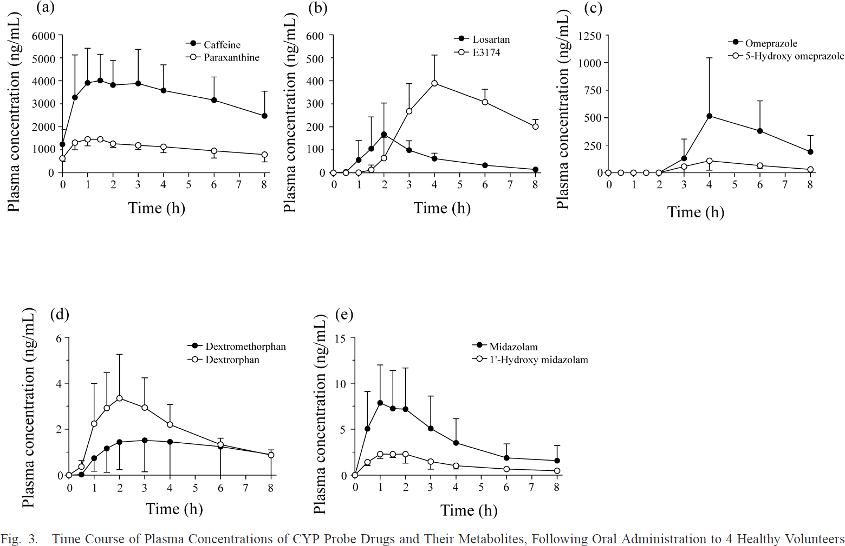
Figure3d
study | time Dextromethorphan [h] | Dextromethorphan plasma concentration [ng/ml] | Dextromethorphan plasma concentration SE [ng/ml] | time Dextrorphan [h] | Dextrorphan plasma concentration [ng/ml] | Dextrorphan plasma concentration SE [ng/ml]
study | time_Dextromethorphan | Dextromethorphan_plasma_concentration | Dextromethorphan_plasma_concentration_SE | time_Dextrorphan | Dextrorphan_plasma_concentration | Dextrorphan_plasma_concentration_SE
Tanaka2014 | 0.0 | 0.0118 |  | 0.0 | -0.0235
Tanaka2014 | 0.5 | 0.0250 |  | 0.5 | 0.4140 | 0.2239
Tanaka2014 | 1.0 | 0.7456 | 0.5894 | 1.0 | 2.2544 | 1.7446
Tanaka2014 | 1.5 | 1.1950 | 1.0728 | 1.5 | 2.9395 | 1.5442
Tanaka2014 | 2.0 | 1.4440 | 1.2260 | 2.0 | 3.3420 | 1.9331
Tanaka2014 | 3.0 | 1.5294 | 1.3792 | 3.0 | 2.9441 | 1.2966
Tanaka2014 | 4.0 | 1.4735 | 1.4381 | 4.0 | 2.1925 | 0.8841
Tanaka2014 | 6.0 | 1.2554 | 1.2260 | 6.0 | 1.3497 | 0.2593
Tanaka2014 | 8.0 | 0.8959 | 0.8606 | 8.0 | 0.8958 | 0.2476

Figure3e
study | time Midazolam [h] | Midazolam plasma concentration [ng/ml] | Midazolam plasma concentration SE [ng/ml] | time 1-Hydroxymidazolam [h] | 1-Hydroxymidazolam plasma concentration [ng/ml] | 1-Hydroxymidazolam plasma concentration SE [ng/ml]
study | time_Midazolam | Midazolam_plasma_concentration | Midazolam_plasma_concentration_SE | time_1-Hydroxymidazolam | 1-Hydroxymidazolam_plasma_concentration | 1-Hydroxymidazolam_plasma_concentration_SE
Tanaka2014 | 0.0 | 0.0294 |  | 0.0 | -0.0294
Tanaka2014 | 0.5 | 5.0606 | 4.0589 | 0.5 | 1.4429 | 0.3823
Tanaka2014 | 1.0 | 7.9448 | 4.0883 | 1.0 | 2.2390 | 0.4118
Tanaka2014 | 1.5 | 7.2114 | 4.2058 | 1.5 | 2.3585 | 0.4119
Tanaka2014 | 2.0 | 7.1839 | 4.4411 | 2.0 | 2.3014 | 1.0000
Tanaka2014 | 3.0 | 5.1287 | 3.4413 | 3.0 | 1.4816 | 0.8235
Tanaka2014 | 4.0 | 3.5440 | 2.5589 | 4.0 | 1.1030 | 0.3824
Tanaka2014 | 6.0 | 1.9338 | 1.4706 | 6.0 | 0.6985
Tanaka2014 | 8.0 | 1.6470 | 1.6176 | 8.0 | 0.4705

