Fig1
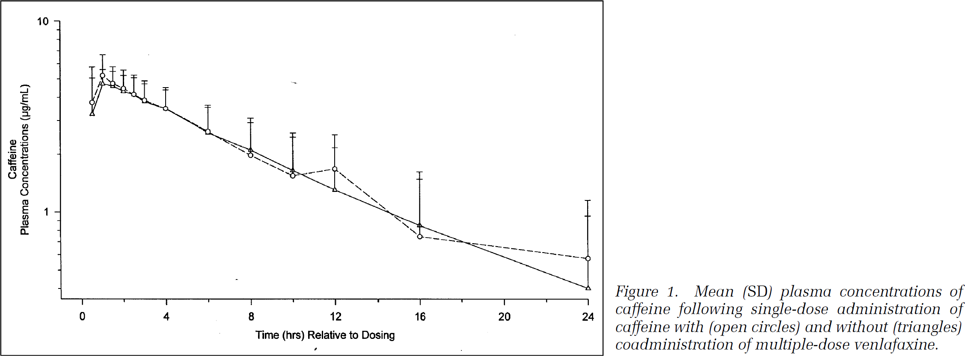
study | subjects | venlafaxin | time [h] | caffeine plasma concentration [µg/ml] | caffeine plasma concentration +- SD | caffeine plasma concentration SD
study | N | venlafaxin | time | caf | caf_pm_sd | caf_sd
Amchin1999 | 16 | no | 0.5 | 3.27 | 5.02 | 1.75
Amchin1999 | 16 | no | 1 | 4.70 | 5.56 | 0.86
Amchin1999 | 16 | no | 1.5 | 4.56 | 5.47 | 0.91
Amchin1999 | 16 | no | 2 | 4.30 | 5.19 | 0.89
Amchin1999 | 16 | no | 2.5 | 4.14 | 5.07 | 0.93
Amchin1999 | 16 | no | 3 | 3.85 | 4.70 | 0.85
Amchin1999 | 16 | no | 4 | 3.49 | 4.38 | 0.89
Amchin1999 | 16 | no | 6 | 2.63 | 3.56 | 0.93
Amchin1999 | 16 | no | 8 | 2.13 | 3.09 | 0.96
Amchin1999 | 16 | no | 10 | 1.66 | 2.62 | 0.96
Amchin1999 | 16 | no | 12 | 1.30 | 2.18 | 0.88
Amchin1999 | 16 | no | 16 | 0.85 | 1.62 | 0.77
Amchin1999 | 16 | no | 24 | 0.40 | 0.96 | 0.56
Amchin1999 | 16 | yes | 0.5 | 3.75 | 5.76 | 2.01
Amchin1999 | 16 | yes | 1 | 5.23 | 6.67 | 1.44
Amchin1999 | 16 | yes | 1.5 | 4.73 | 5.76 | 1.02
Amchin1999 | 16 | yes | 2 | 4.44 | 5.51 | 1.07
Amchin1999 | 16 | yes | 2.5 | 4.16 | 5.23 | 1.07
Amchin1999 | 16 | yes | 3 | 3.87 | 4.88 | 1.02
Amchin1999 | 16 | yes | 4 | 3.49 | 4.48 | 0.99
Amchin1999 | 16 | yes | 6 | 2.64 | 3.62 | 0.98
Amchin1999 | 16 | yes | 8 | 1.99 | 2.94 | 0.95
Amchin1999 | 16 | yes | 10 | 1.56 | 2.46 | 0.90
Amchin1999 | 16 | yes | 12 | 1.69 | 2.55 | 0.85
Amchin1999 | 16 | yes | 16 | 0.75 | 1.49 | 0.74
Amchin1999 | 16 | yes | 24 | 0.58 | 1.16 | 0.58

