Figure 1c
Haller 2002 - Pharmacology of ephedra alkaloids and caffeine after single-dose dietary supplement use

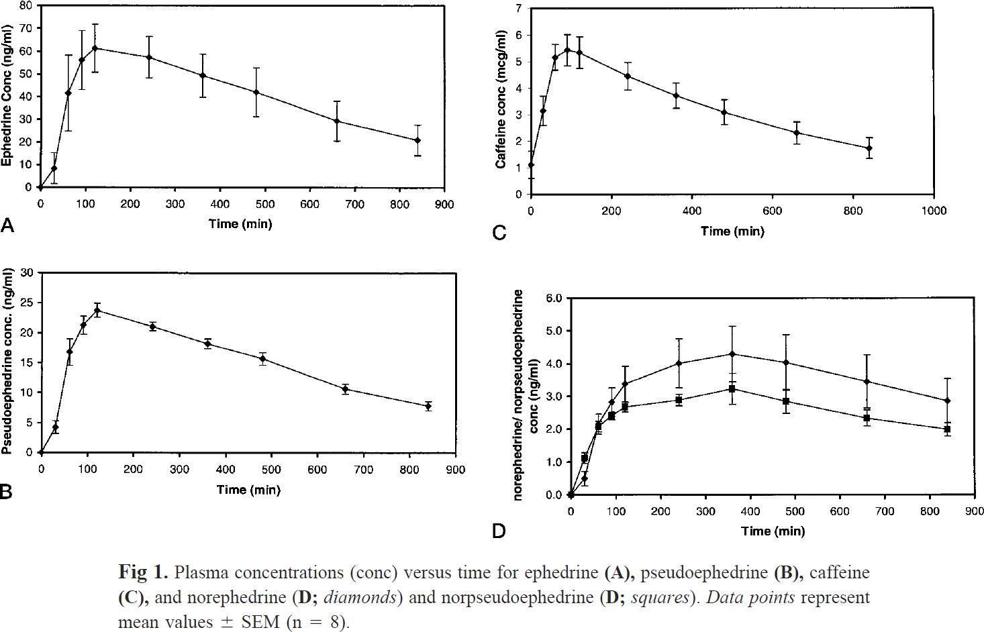
species | human
method
n | 8
subjects | healthy adults

Figure 1_c
study | time [min] | Caffeine plasma concentration [mg/l] | Caffeine plasma concentration SE [mg/l]
study | time | caffeine_concentration | caffeine_concentration_SE
Haller2002 | 1.7 | 1.0866 | 0.5560
Haller2002 | 31.6 | 3.1588 | 0.5560
Haller2002 | 59.9 | 5.1300 | 0.5054
Haller2002 | 91.5 | 5.4332 | 0.6318
Haller2002 | 118.1 | 5.4079 | 0.5560
Haller2002 | 241.3 | 4.4477 | 0.5307
Haller2002 | 359.4 | 3.7401 | 0.4549
Haller2002 | 479.2 | 3.1083 | 0.4549
Haller2002 | 657.2 | 2.2996 | 0.4296
Haller2002 | 840.3 | 1.7437 | 0.4043

Table 3
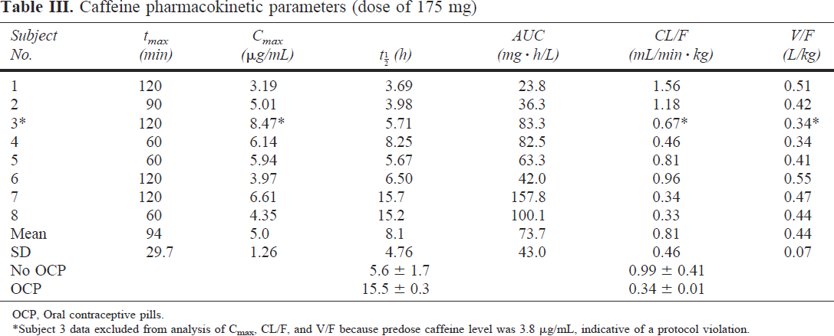
Haller 2002 - Pharmacology of ephedra alkaloids and caffeine after single-dose dietary supplement use

species | human
method
n | 8
subjects | healthy adults

Table 3
study | subject nr. | body weight [kg] | tmax [min] | Cmax [μg/ml] | Plasma t1/2 (halflife) [h] | AUC (area under the concentration-time curve) [mg*h/l] | Cl/F [ml/(min*kg)] | V/F [l/kg]
study | subject nr. | body_weight | tmax | Cmax | t1/2 | AUC | Cl/F | V/F
Haller2002 | 1 | 78.6 | 120 | 3.19 | 3.69 | 23.8 | 1.56 | 0.51
Haller2002 | 2 | 68.1 | 90 | 5.01 | 3.98 | 36.3 | 1.18 | 0.42
Haller2002 | 3 | 52 | 120 | 8.47 | 5.71 | 83.3 | 0.67 | 0.34
Haller2002 | 4 | 76.2 | 60 | 6.14 | 8.25 | 82.5 | 0.46 | 0.34
Haller2002 | 5 | 56.8 | 60 | 5.94 | 5.67 | 63.3 | 0.81 | 0.41
Haller2002 | 6 | 72.7 | 120 | 3.97 | 6.50 | 42.0 | 0.96 | 0.55
Haller2002 | 7 | 54.6 | 120 | 6.61 | 15.70 | 157.8 | 0.34 | 0.47
Haller2002 | 8 | 88.9 | 60 | 4.35 | 15.20 | 100.1 | 0.33 | 0.44
 |  | Mean | 94 | 5.5 | 8.09 | 73.6 | 0.79 | 0.44
 |  | SD | 29.7 | 1.7 | 4.76 | 43.0 | 0.43 | 0.07
 |  | No OCP |  |  | 5.6 ± 1.7 |  | 0.99 ± 0.41
 |  | OCP |  |  | 15.5 ± 0.3 |  | 0.34 ± 0.01

