Tab1
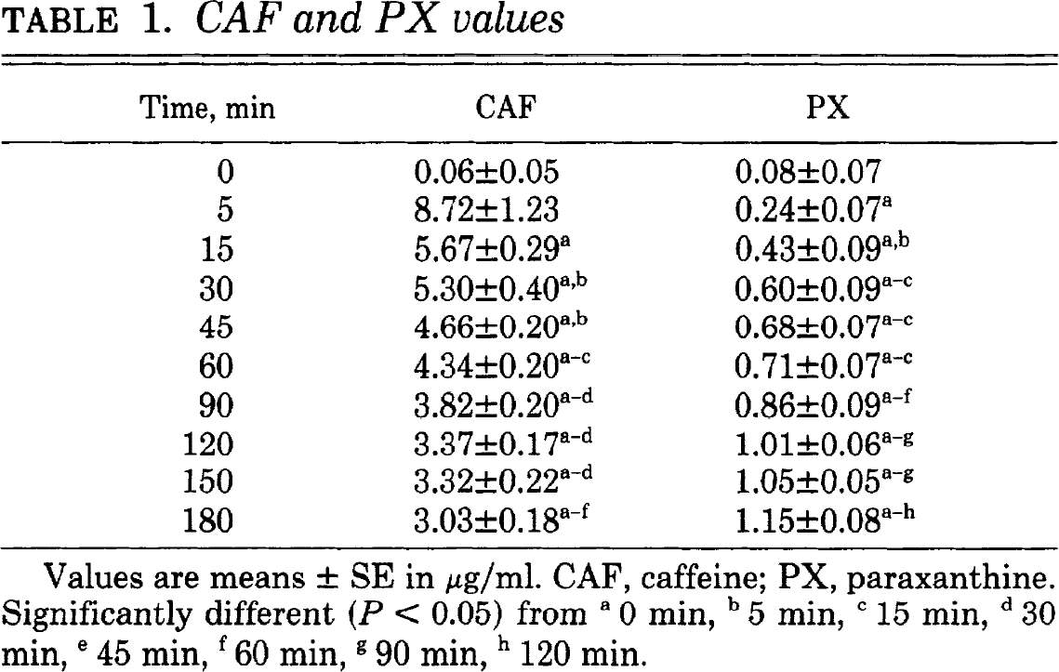
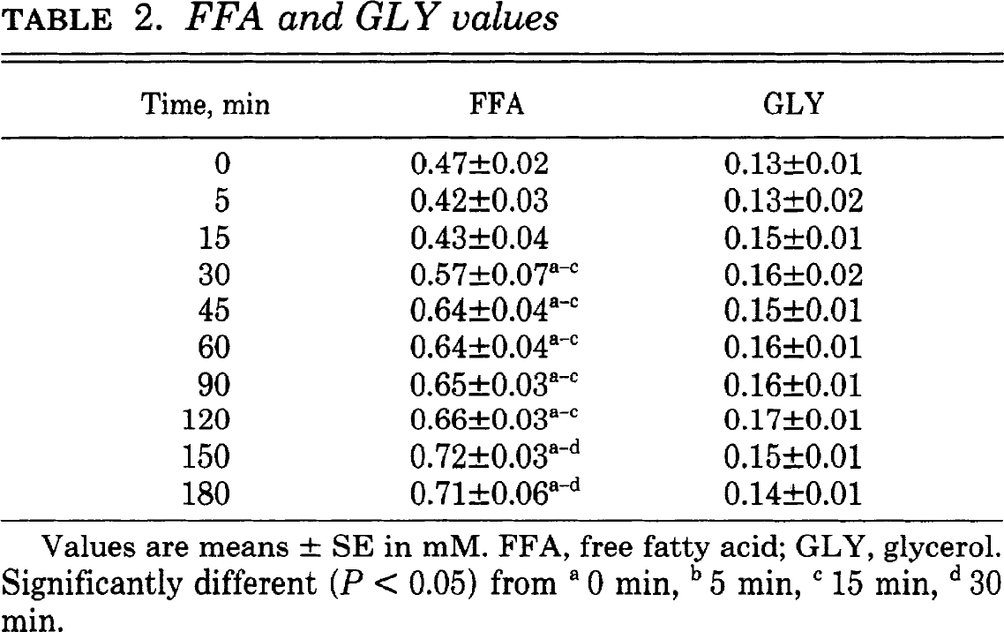
study | subjects | time [min] | Free fatty acids [μg/ml] | Free fatty acids SE [μg/ml] | Free fatty acids SD [µg/ml] | Glycerol [µg/ml] | Glycerol SE [µg/ml] | Glycerol SD [µg/ml] | Caffeine [μg/ml] | Caffeine SE [µg/ml] | Caffeine SD [µg/ml] | Paraxanthine [µg/ml] | Paraxanthine SE [µg/ml] | Paraxanthine SD [µg/ml] | Paraxanthine/Caffeine [-] | Paraxanthine/Caffeine [-]
study | n | time | ffa | ffa_se | ffa_sd | glycerol | glycerol_se | glycerol_sd | caf | caf_se | caf_sd | px | px_se | px_sd | px_caf | px_caf_sd
Hetzler 1990 | 10 | 0 | 0.470 | 0.020 | 0.063 | 0.130 | 0.010 | 0.032 | 0.060 | 0.050 | 0.158 | 0.080 | 0.070 | 0.221 | 1.333 | 5.095
Hetzler 1990 | 10 | 5 | 0.420 | 0.030 | 0.095 | 0.130 | 0.020 | 0.063 | 8.720 | 1.230 | 3.890 | 0.240 | 0.070 | 0.221 | 0.028 | 0.028
Hetzler 1990 | 10 | 15 | 0.430 | 0.040 | 0.126 | 0.150 | 0.010 | 0.032 | 5.670 | 0.290 | 0.917 | 0.430 | 0.090 | 0.285 | 0.076 | 0.052
Hetzler 1990 | 10 | 30 | 0.570 | 0.070 | 0.221 | 0.160 | 0.020 | 0.063 | 5.300 | 0.400 | 1.265 | 0.600 | 0.090 | 0.285 | 0.113 | 0.060
Hetzler 1990 | 10 | 45 | 0.640 | 0.040 | 0.126 | 0.150 | 0.010 | 0.032 | 4.660 | 0.200 | 0.632 | 0.680 | 0.070 | 0.221 | 0.146 | 0.051
Hetzler 1990 | 10 | 60 | 0.640 | 0.040 | 0.126 | 0.160 | 0.010 | 0.032 | 4.340 | 0.200 | 0.632 | 0.710 | 0.070 | 0.221 | 0.164 | 0.056
Hetzler 1990 | 10 | 90 | 0.650 | 0.030 | 0.095 | 0.160 | 0.010 | 0.032 | 3.820 | 0.200 | 0.632 | 0.860 | 0.090 | 0.285 | 0.225 | 0.083
Hetzler 1990 | 10 | 120 | 0.660 | 0.030 | 0.095 | 0.170 | 0.010 | 0.032 | 3.370 | 0.170 | 0.538 | 1.010 | 0.060 | 0.190 | 0.300 | 0.074
Hetzler 1990 | 10 | 150 | 0.720 | 0.030 | 0.095 | 0.150 | 0.010 | 0.032 | 3.320 | 0.220 | 0.696 | 1.050 | 0.050 | 0.158 | 0.316 | 0.082
Hetzler 1990 | 10 | 180 | 0.710 | 0.060 | 0.190 | 0.140 | 0.010 | 0.032 | 3.030 | 0.180 | 0.569 | 1.150 | 0.080 | 0.253 | 0.380 | 0.110

