Figure 2
Kakuda2014 - The Effect of Single‐ and Multiple‐Dose Etravirine on a Drug Cocktail of Representative Cytochrome P450 Probes and Digoxin in Healthy Subjects

species | human
method
n | 14
subjects | healthy

Figure 1a - cocktail alone
study | time [h] | Plasma caffeine concentration [ng/ml] (Cocktail alone) | Plasma caffeine concentration SE [ng/ml] (Cocktail alone)
study | time | plasma_caffeine | plasma_caffeine_SE
Kakuda2014 | 0.0 | 24.9312
Kakuda2014 | 0.4 | 938.3228 | 830.9861
Kakuda2014 | 0.9 | 1435.8721 | 939.0749
Kakuda2014 | 1.4 | 1925.1108 | 772.9209
Kakuda2014 | 2.9 | 1888.7529 | 423.9378
Kakuda2014 | 5.9 | 1284.2252 | 390.5886
Kakuda2014 | 11.9 | 507.2029 | 340.6726

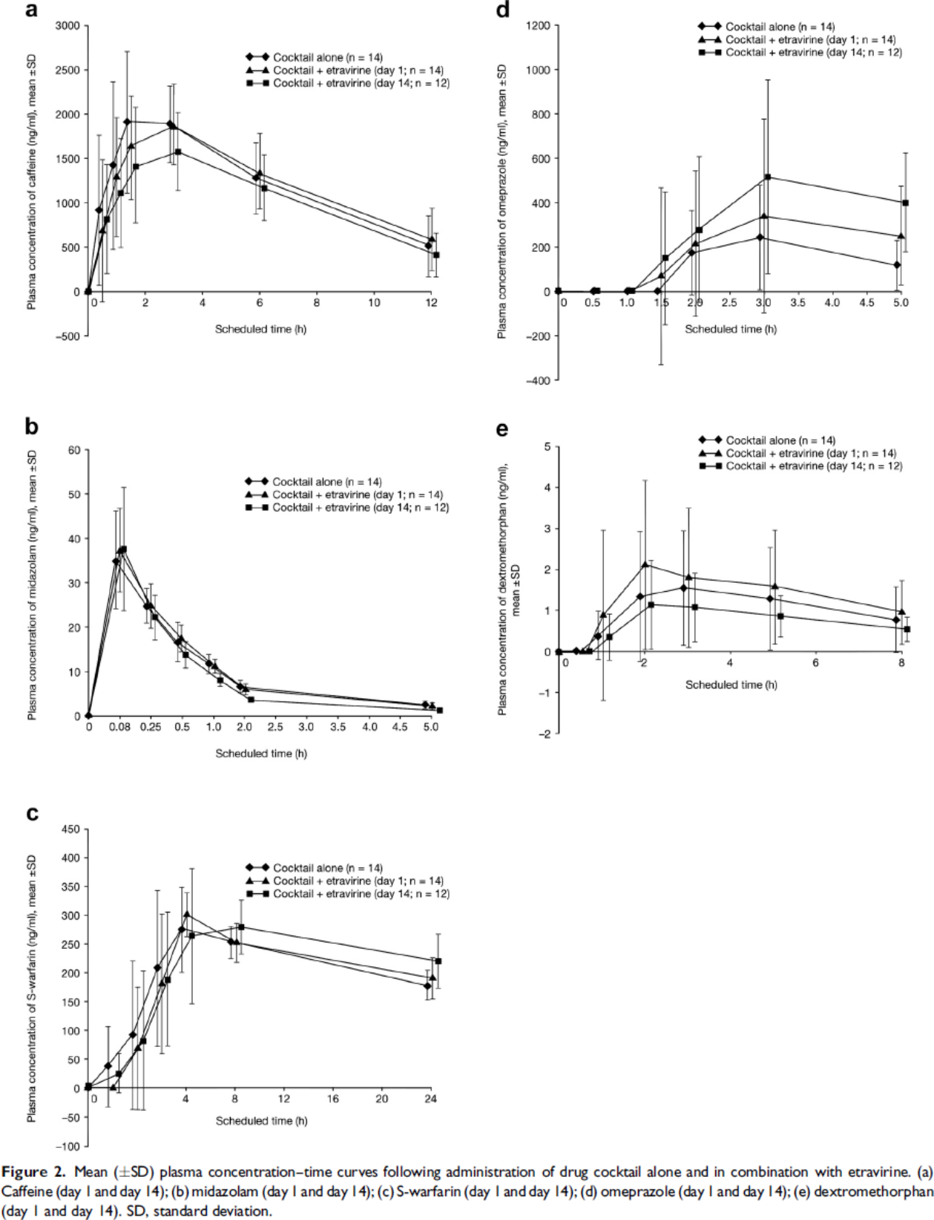

Figure 1b - cocktail alone
study | time [h] | Plasma midazolam concentration [ng/ml] (Cocktail alone) | Plasma midazolam concentration SE [ng/ml] (Cocktail alone)
study | time | plasma_midazolam | plasma_midazolam_SE
Kakuda2014 | 0.0 | 0.2778
Kakuda2014 | 0.4 | 35.0556 | 11.0000
Kakuda2014 | 0.8 | 24.5000 | 4.3333
Kakuda2014 | 1.3 | 16.6111 | 4.4444
Kakuda2014 | 1.8 | 11.7222 | 2.2222
Kakuda2014 | 2.2 | 7.1667 | 0.8889
Kakuda2014 | 4.9 | 2.7222 | 0.6667

Figure 1c - cocktail alone
study | time [h] | Plasma S-warfarin concentration [ng/ml] (Cocktail alone) | Plasma S-warfarin concentration SE [ng/ml] (Cocktail alone)
study | time | plasma_S-warfarin | plasma_S-warfarin_SE
Kakuda2014 | 0.1 | 3.4532
Kakuda2014 | 1.5 | 36.2600 | 68.9639
Kakuda2014 | 3.1 | 91.4917 | 129.3084
Kakuda2014 | 4.9 | 210.5186 | 131.8959
Kakuda2014 | 6.6 | 276.0987 | 74.1350
Kakuda2014 | 10.0 | 252.9445 | 27.5861
Kakuda2014 | 23.7 | 177.5753 | 27.5861

Figure 1d - cocktail alone
study | time [h] | Plasma omeprazole concentration [ng/ml] (Cocktail alone) | Plasma omeprazole concentration SE [ng/ml] (Cocktail alone)
study | time | plasma_omeprazole | plasma_omeprazole_SE
Kakuda2014 | 0.0 | 0.0000
Kakuda2014 | 0.5 | 0.0000
Kakuda2014 | 1.1 | 0.0000
Kakuda2014 | 1.5 | 0.0000
Kakuda2014 | 2.0 | 170.0105 | 191.8246
Kakuda2014 | 3.0 | 244.9559 | 234.2109
Kakuda2014 | 4.9 | 111.5837 | 109.3018

Figure 1e - cocktail alone
study | time [h] | Plasma dextromethorphan concentration [ng/ml] (Cocktail alone) | Plasma dextromethorphan concentration SE [ng/ml] (Cocktail alone)
study | time | plasma_dextromethorphan | plasma_dextromethorphan_SE
Kakuda2014 | 0.0 | 0.0000
Kakuda2014 | 0.4 | 0.0356
Kakuda2014 | 0.9 | 0.3730 | 0.6159
Kakuda2014 | 1.9 | 1.3256 | 1.5821
Kakuda2014 | 2.9 | 1.5415 | 1.3889
Kakuda2014 | 4.9 | 1.2728 | 1.2319
Kakuda2014 | 7.9 | 0.7732 | 0.7850

