PovertyReport
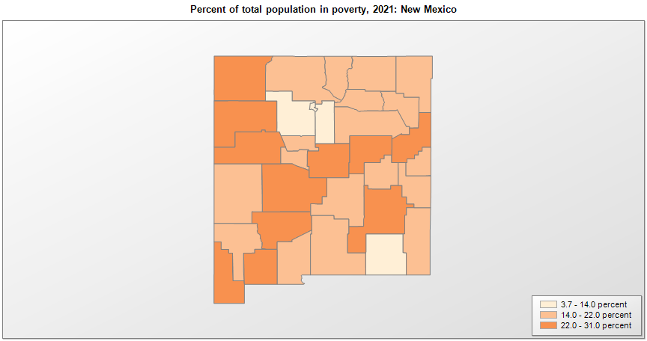
 | Percent | Number
 |  |  |  | All people in poverty (2021) |  |  | Children ages 0-17 in poverty (2021)
 |  |  |  |  | 90% confidence interval of estimate |  |  | 90% confidence interval of estimate
FIPS* |  | Name | RUC Code | Percent | Lower Bound | Upper Bound | Percent | Lower Bound | Upper Bound
35000 |  | New Mexico |  | 17.7 | 17.1 | 18.3 | 23.1 | 22.1 | 24.1
35001 |  | Bernalillo | 2 | 15.2 | 13.9 | 16.5 | 18.2 | 15.5 | 20.9
35003 |  | Catron | 9 | 19.8 | 14.6 | 25 | 36.8 | 25.3 | 48.3
35005 |  | Chaves | 5 | 27.6 | 24.5 | 30.7 | 35.7 | 30.3 | 41.1
35006 |  | Cibola | 6 | 26.4 | 20.3 | 32.5 | 34 | 24.2 | 43.8
35007 |  | Colfax | 7 | 18.8 | 14.7 | 22.9 | 28.7 | 20.5 | 36.9
35009 |  | Curry | 5 | 18.9 | 15.2 | 22.6 | 24.5 | 18.2 | 30.8
35011 |  | De Baca | 9 | 19.6 | 15.1 | 24.1 | 30.8 | 21.2 | 40.4
35013 |  | Dona Ana | 3 | 19.3 | 16.5 | 22.1 | 22.7 | 16.8 | 28.6
35015 |  | Eddy | 5 | 13.8 | 10.3 | 17.3 | 17.2 | 11.8 | 22.6
35017 |  | Grant | 7 | 18.6 | 14.1 | 23.1 | 26.7 | 18.3 | 35.1
35019 |  | Guadalupe | 9 | 25.8 | 20 | 31.6 | 29.9 | 21.2 | 38.6
35021 |  | Harding | 9 | 17.4 | 13.1 | 21.7 | 31.6 | 20.9 | 42.3
35023 |  | Hidalgo | 9 | 24.1 | 18.2 | 30 | 31.6 | 21.9 | 41.3
35025 |  | Lea | 5 | 18.8 | 15.5 | 22.1 | 23.3 | 18.2 | 28.4
35027 |  | Lincoln | 7 | 18.4 | 14.6 | 22.2 | 29.9 | 21.2 | 38.6
35028 |  | Los Alamos | 6 | 3.7 | 2.8 | 4.6 | 3.2 | 2.2 | 4.2
35029 |  | Luna | 6 | 27.6 | 22 | 33.2 | 37.4 | 27.3 | 47.5
35031 |  | McKinley | 5 | 30.3 | 26.4 | 34.2 | 38 | 30.1 | 45.9
35033 |  | Mora | 8 | 21.9 | 16.5 | 27.3 | 31.8 | 22.1 | 41.5
35035 |  | Otero | 4 | 19.9 | 16.3 | 23.5 | 27.7 | 21.1 | 34.3
35037 |  | Quay | 7 | 22.3 | 17.1 | 27.5 | 33.7 | 23.1 | 44.3
35039 |  | Rio Arriba | 6 | 20.4 | 16.5 | 24.3 | 26 | 19 | 33
35041 |  | Roosevelt | 7 | 21.1 | 16.8 | 25.4 | 26.9 | 20.1 | 33.7
35043 |  | Sandoval | 2 | 9.4 | 7.4 | 11.4 | 11.3 | 7.5 | 15.1
35045 |  | San Juan | 3 | 24.3 | 21.7 | 26.9 | 32.2 | 27.3 | 37.1
35047 |  | San Miguel | 6 | 21.4 | 16 | 26.8 | 29.7 | 20.3 | 39.1
35049 |  | Santa Fe | 3 | 12.3 | 10.1 | 14.5 | 17.9 | 13.4 | 22.4
35051 |  | Sierra | 6 | 26.7 | 21.3 | 32.1 | 50.2 | 39.8 | 60.6
35053 |  | Socorro | 6 | 22.2 | 16.4 | 28 | 36.8 | 25.5 | 48.1
35055 |  | Taos | 7 | 18.6 | 14.3 | 22.9 | 29.2 | 20.5 | 37.9
35057 |  | Torrance | 2 | 22.7 | 17.4 | 28 | 30.5 | 20.6 | 40.4
35059 |  | Union | 9 | 19.5 | 14.6 | 24.4 | 27.8 | 19 | 36.6
35061 |  | Valencia | 2 | 18.8 | 15.4 | 22.2 | 24.3 | 18.5 | 30.1

See the county-level poverty rates from the 1990 and 2000 Census of Population. See important notes about intercensal model-based poverty estimates. The 2013 rural-urban continuum codes classify metropolitan counties (codes 1 through 3) by size of the Metropolitan Statistical Area (MSA), and nonmetropolitan counties (codes 4 through 9) by degree of urbanization and proximity to metro areas. See rural-urban continuum codes for precise definitions of each code. Source: Census Bureau, Small Area Income and Poverty Estimates.

*See the Census Bureau web site for a description of FIPS codes.

