lci_data
skip



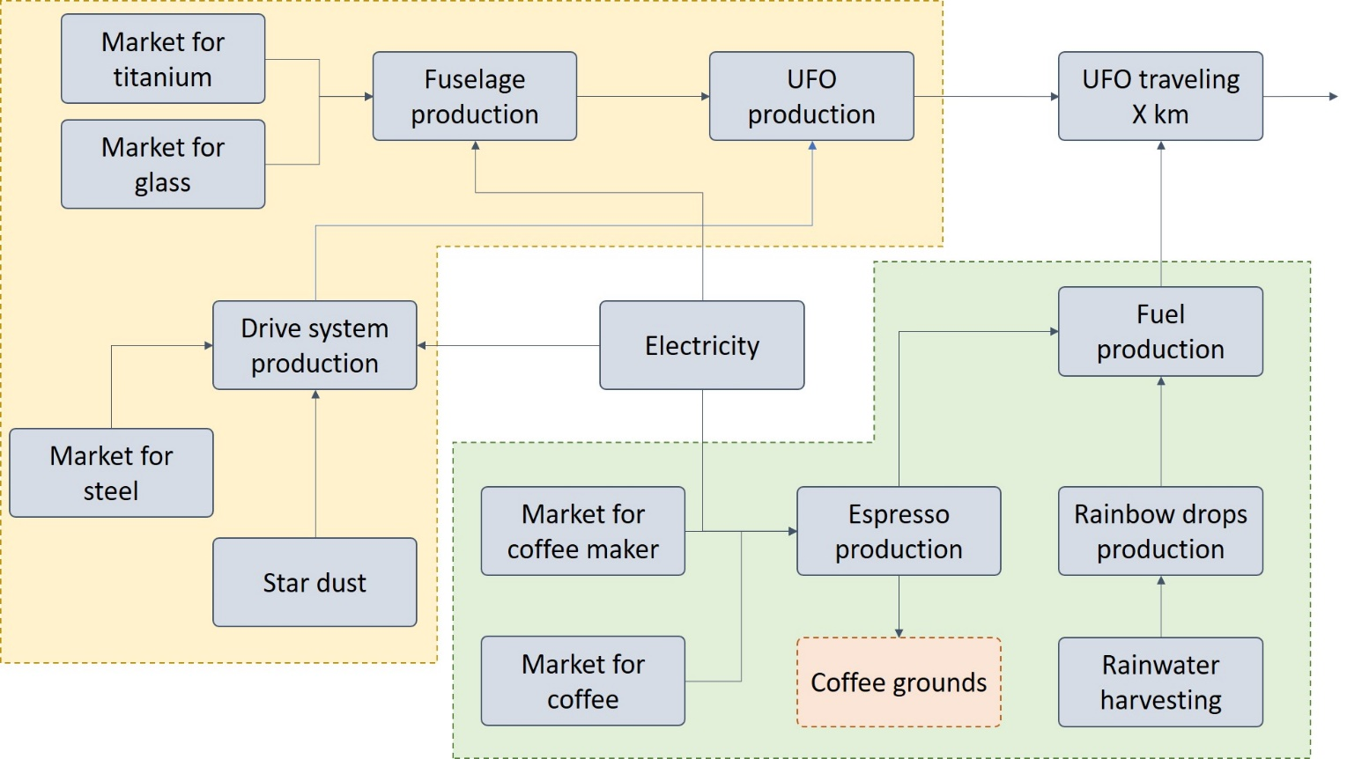

 | Example LCI: | UFO
 | Fuel: Gulp, which is a mix of dirty chai and rainbow drops
 | UFO production scenarios with energy mix, atom, PV/wind

 | Image, of how activities and exchanges interact with each other

