FD vs Debt Fund
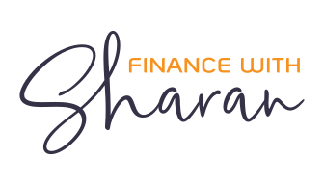

This workbook along with all its contents are the intellectual property of Finance with Sharan, distribution of which is strictly prohibited.

FD vs Debt Mutual Fund Model

FD Interest structure | Yearly
Years Invested | 5
Amount Invested | ₹ 100,000,000
Is the depositor a senior citizen | Yes
Tax Slab | 30%

Debt Type | Bank/Fund Name | Interest Rate | After tax final value | Rank
Small Finance Banks FD | Ujjivan Small Finance Bank | 7.00% | ₹ 127,104,279 | 2
Debt Fund | Ultra short term debt fund | 8.00% | ₹ 132,852,965 | 1
Debt funds are better by |  |  | ₹ 5,748,687

Note: This model is purely for estimation & education purposes only, do not take any of the figures as absolutes. I am not a SEBI registered, and this model is for educational purposes only and does not constitute as financial, trading, or investment advice.

Current Rates
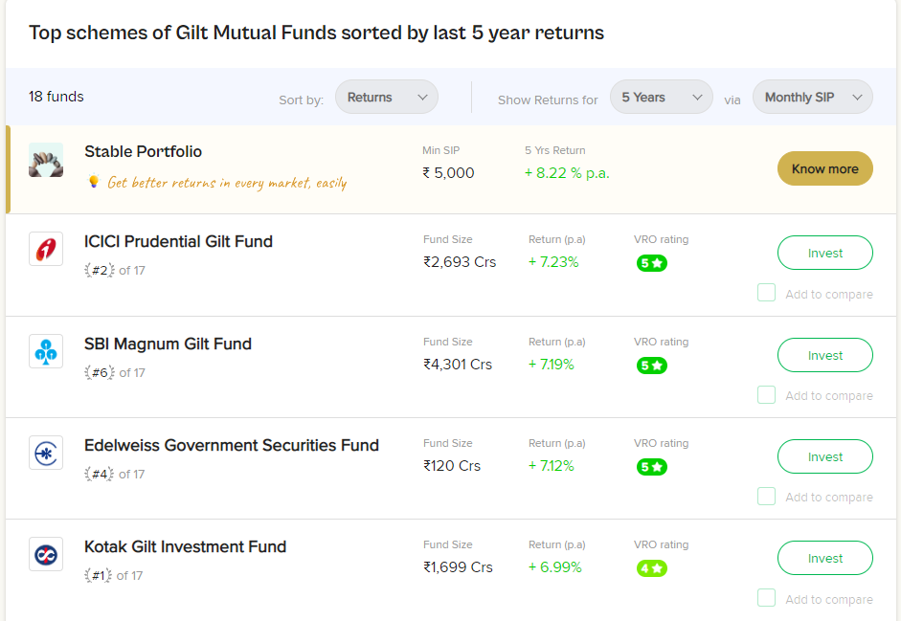
Fixed deposits |  |  |  |  | Debt mutual funds

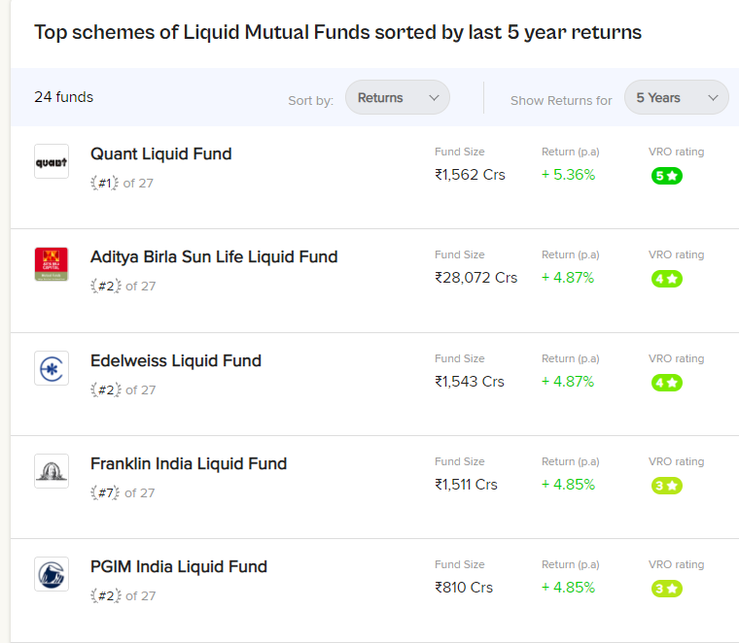
Private banks |  |  |  |  | Liquid funds
Bank Name | Interest Rates (% p.a.)
 | Highest slab | 1-year tenure | 3-year tenure | 5-year tenure
Axis Bank | 7.26 | 6.75 | 7 | 7
Federal Bank | 7.25 | 6.8 | 6.6 | 6.6
HDFC Bank | 7.1 | 6.6 | 7 | 7
ICICI Bank | 7.1 | 6.7 | 7 | 7
IDBI Bank | 7.25 | 6.75 | 6.25 | 6.25
IDFC First Bank | 7.75 | 6.75 | 7.75 | 7

Public sector banks
Bank Name | Interest Rates (% p.a.)
 | Highest slab | 1-year tenure | 3-year tenure | 5-year tenure
Bank of Baroda | 7.05 | 6.75 | 6.75 | 6.5
Bank of India | 7.05 | 6 | 6.5 | 6
Punjab National Bank | 7.25 | 6.8 | 7 | 6.5 | Medium Duration funds
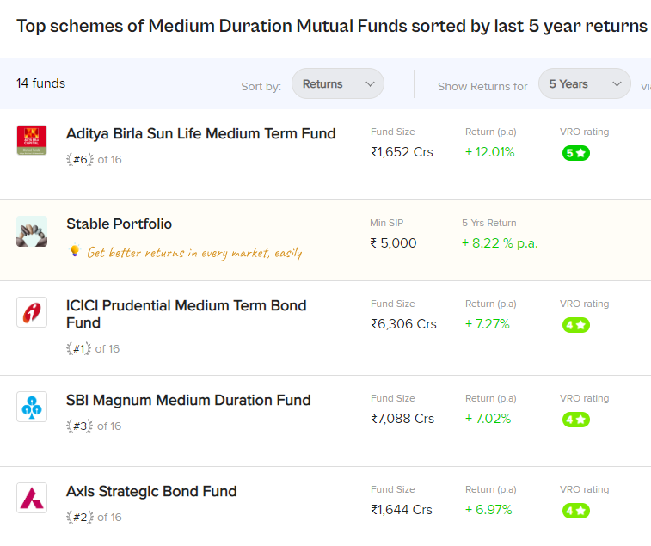
State Bank of India | 7.1 | 6.8 | 6.5 | 6.5

Small finance banks
Bank Name | Interest Rates (% p.a.)
 | Highest slab | 1-year tenure | 3-year tenure | 5-year tenure
Fincare Small Finance Bank | 8.41 | 7.5 | 8 | 8
Unity Small Finance Bank | 9 | 7.35 | 7.65 | 7.65
Suryoday Small Finance Bank | 8.51 | 6.85 | 7.25 | 7.5

 |  |  |  |  | Gilt funds

