OpenCart Bugs
Bug ID | Description/Summary | Steps to Reproduce | Expected Result | Actual Result | Severity | Priority | Screenshot
NOPCOMMERCE-BUG-1 | Registering an Account by providing an invalid email address into the Email field is showing the warning message at the wrong place. | 1. Click on 'Register' option in the header 2. Enter new account details into the Mandatory Fields (First name, Last name, Password, Confirm password) 3. Enter invalid email address into the E-Mail Field - <Refer Test Data> 4. Click on 'Register' button | Account should not be created, instead a warning message "Wrong email." should be diplayed below the Email field. | For email type 3 in test data, the account is not created but the "Wrong email" message is displayed bellow the Register heading. All messages for this error should be shown below the Email field. | Minor | P2(Low) | 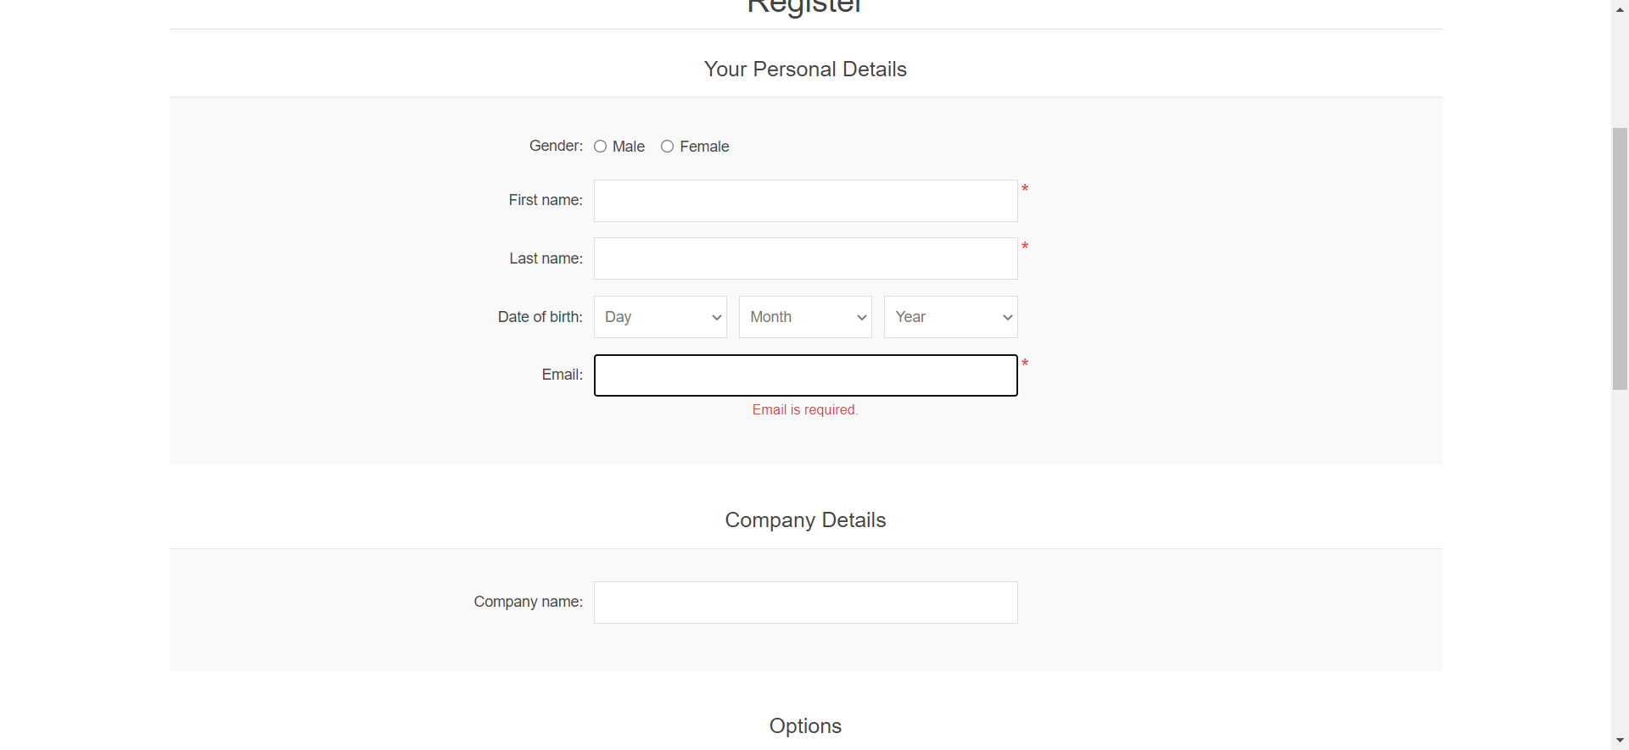
NOPCOMMERCE-BUG-2 | The Mandatory fields in the Register Account page are not accepting only spaces, but only the Email field is showing a warning. | 1. Click on 'Register' option in the header 2. Enter only spaces into the mandatory fields (First name, Last name, E-Mail, Password and Confirm password) 3. Click on 'Register' button | None of the fields should be accepting only spaces and warning messages should be displayed for these fields | When allmandatory fields have only spaces entered, none of the fields are accepting only spaces but only the email field is showing a warning message. All mandatory fields with this error should be showing a warning message. | Minor | P2(Low) | 