RATIO_IMG
 | RATIO IMAGES
The ratio images are generated with respect to the first on board LED image recorded on 2023-11-23
It is noticable that the variation of 255 nm image with time is more significant than 355 nm image.
An increase in throughput is noticed in the 255 nm image after baking, which then decreases with time.

 | 355 nm LED image Ratio | 255 nm LED image Ratio
Pre Baking (2024-04-22) | 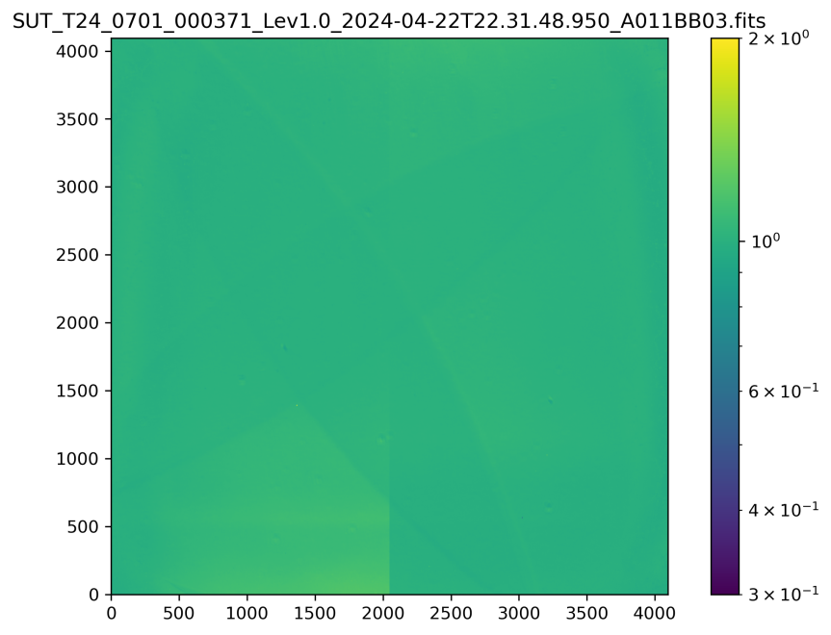 | 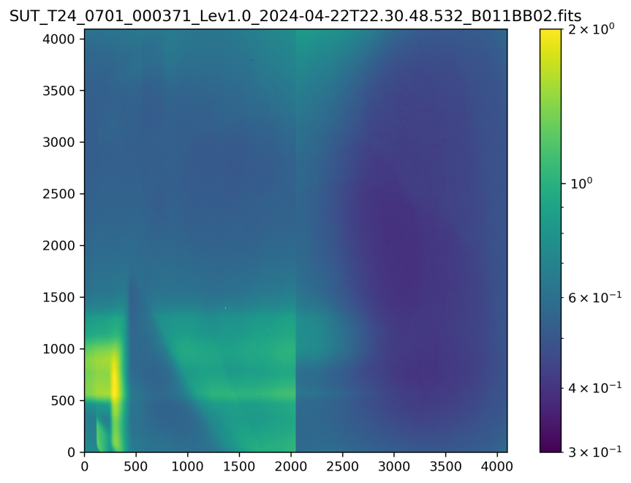
Post Baking (2024-05-17) | 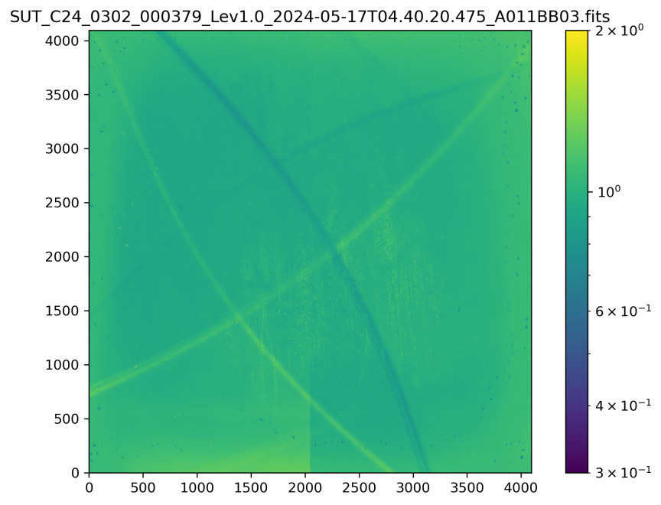 | 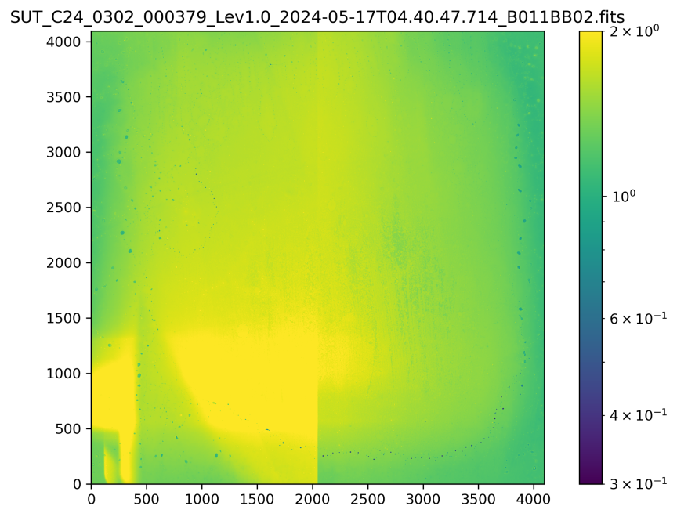
Recent (2024-07-09) | 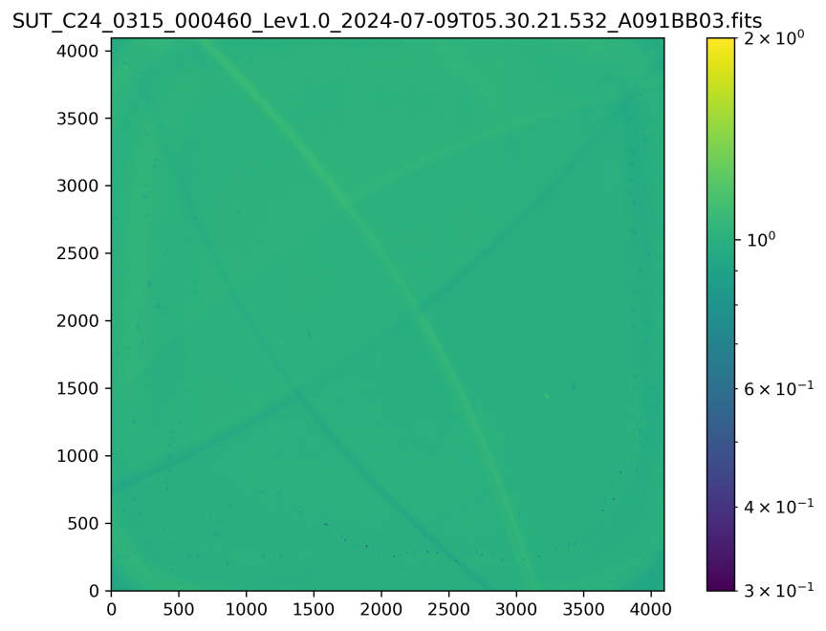 | 