2
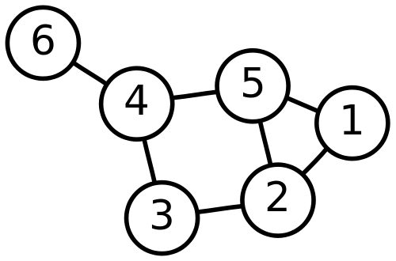
 | 1 | 2 | 3 | 4 | 5 | 6
1 | 0 | 1 | 0 | 0 | 1 | 0
2 | 1 | 0 | 1 | 0 | 1 | 0
3 | 0 | 1 | 0 | 1 | 0 | 0
4 | 0 | 0 | 1 | 0 | 1 | 1
5 | 1 | 1 | 0 | 1 | 0 | 0
6 | 0 | 0 | 0 | 1 | 0 | 0

1
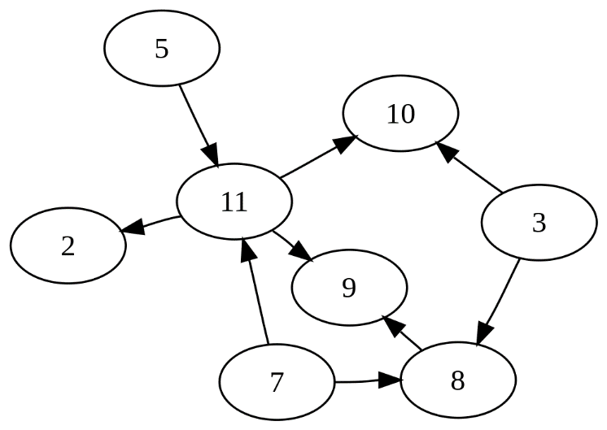
 | 2 | 3 | 5 | 7 | 8 | 9 | 10 | 11
2 | 0 | 0 | 0 | 0 | 0 | 0 | 0 | 0
3 | 0 | 0 | 0 | 0 | 1 | 0 | 1 | 0
5 | 0 | 0 | 0 | 0 | 0 | 0 | 0 | 1
7 | 0 | 0 | 0 | 0 | 1 | 0 | 0 | 1
8 | 0 | 0 | 0 | 0 | 0 | 1 | 0 | 0
9 | 0 | 0 | 0 | 0 | 0 | 0 | 0 | 0
10 | 0 | 0 | 0 | 0 | 0 | 0 | 0 | 0
11 | 1 | 0 | 0 | 0 | 0 | 1 | 1 | 0

