Calculator
Inflation-Indexed Bond Deflation Floor Calculator
The calculator determines the fair value of the principal deflation floor European put option embedded in inflation-indexed government bonds, guaranteed to repay the original face value multiplied by the greater of the inflation index ratio at maturity, or 1 (in other words, protecting against deflation), using a log-normal Black Scholes model (the assumption of a log-normal distribution fits well with the fact that inflation index ratios cannot be negative). Namely, the feature is offered by inflation-linked government bonds including:
United States - Treasury Inflation Protected Securities (TIPS)
France - OAT€i
Italy - BTP€i
Germany - Inflation-Linked Federal Securities
Spain - Obligación €i
Sweden - SGBi
Japan - JGBi

Please fill the input data in yellow cells

Settlement date: T+2 in European bond markets, calendar solution in QuantLib: TARGET (EU), UnitedStates.GovernmentBond (USA) for public holiday and weekends
Riskless rate: SOFR OIS swap curve for USD-denominated bonds, ESTR OIS swap curve for EUR-denominated bonds (continuously compounded)
Inflation swap rate: zero-coupon US CPI/Euro area HICPxT inflation swap rate (annually compounded) corresponding to the maturity date of the bond
Spot inflation index: reference inflation index ratio of the bond on the settlement date
RAW INPUT DATA
Settlement date | 2026-07-15
Maturity date | 2031-07-15
Notional ($) | $100.00
Riskless rate (%) | 4.00%
Inflation swap rate (%) | 3.00%
Spot inflation index | 1
Time to maturity: distinct daycount conventions apply for various instruments - the cell is pre-set to ACT/365, mirroring the Bloomberg zero-coupon SOFR curve settings; government bonds commonly follow ACT/ACT (ICMA), the inflation swaps and floors market adheres to the simple daycount (or 1/1); DO NOT use ACT/ACT in Excel, rather leverage ql.ActualActual.ISMA in QuantLib
Forward inflation index: the spot index value is "pushed" forward by the corresponding inflation swap rate; in the case of a divergence from the breakeven inflation rate implied directly by the bond market, given as π = [(1+n)^T]/[(1+r)^T]^(1/T)-1, where n is the YTM on a nominal STRIPS bond, r is the real YTM on a inflation-indexed principal STRIPS and T is the time until the matched maturity date in years (assumption: annual compounding), prefer the latter rate and overwrite the Inflation swap rate (%) argument accordingly

MODEL INPUT DATA
Time to maturity (years) | 5.002739726
Forward inflation index | 1.1593679596
Inflation index strike | 1
Inflation index strike rate (%) | 0.00%
Implied volatility (%) | 4.50%

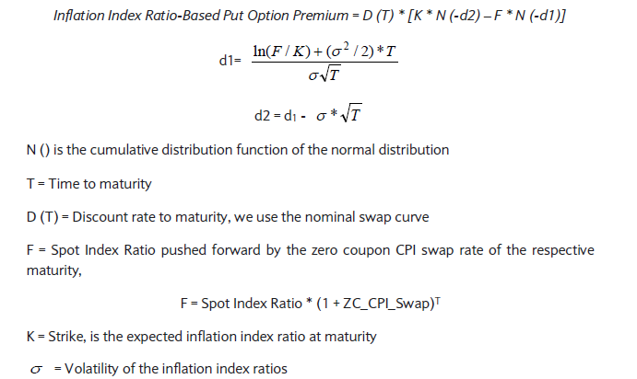
Retrieve the shifted-log-normal volatility implied by the zero-coupon inflation-indexed floor maturing in 5.0027397260274 years with an index option strike rate of 0 %.

LOG-NORMAL ('76) BLACK SCHOLES
Discount factor | 0.81864103408
d1 | 1.5195163565
N(-d1) | 0.064316287051
d2 | 1.4188657333
N(-d2) | 0.077969082076

OUTPUT |  | Source: Barclays
Put option premium ($) | $0.28
Probability of option exercise (%) | 7.80%

Sources
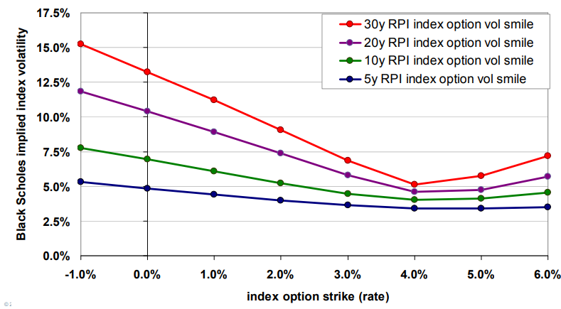
ZERO-COUPON IMPLIED INFLATION INDEX VOLATILITY SURFACE

 | Source: UK Society of Actuaries

ZERO-COUPON INFLATION SWAP CURVE
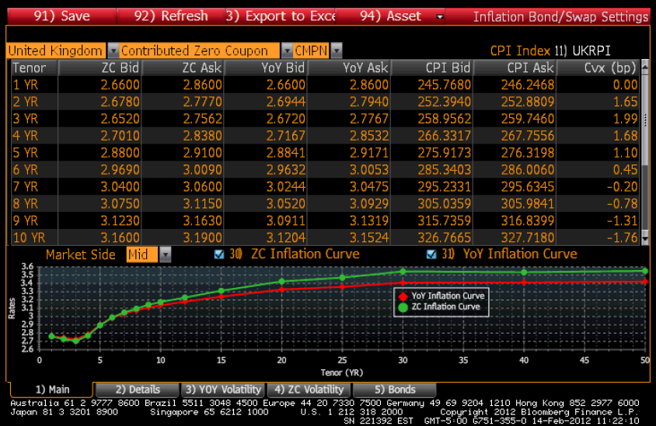

 | Source: Bloomberg Terminal

ZERO-COUPON INFLATION INDEX FLOORS
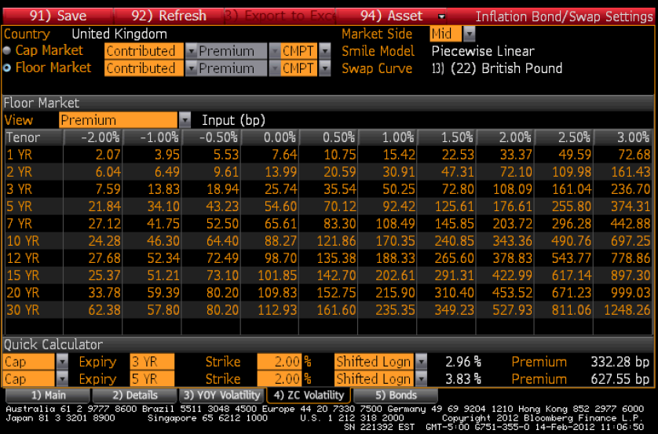

 | Source: Bloomberg Terminal

ZERO-COUPON USD SOFR CURVE

 |  | Source: Bloomberg Terminal

REFERENCES
Black Scholes '76:
Barclays Global Inflation-Linked Products: User's Guide
Inflation swaps, caps and floors:
Bloomberg Pricing Inflation Derivatives
OpenGamma Quantitative Research Inflation Caps and Floors
Society of Actuaries LPI Swaps: Pricing and Trading

