MENU
PROBLEM 1

INFLATION
LINKED
BONDS


SOLUTION 1

PROBLEM 2

SOLUTION 2

PROBLEM 3

SOLUTION 3

PROBLEM 4

SOLUTION 4

DAŇOVÁ
VSUVKA

Problem 1
BACK TO MENU

PROBLEM 1
Compute the both the dirty and the clean price of an inflation-linked German Federal bond maturing in 2030 (abstracting from bid-ask spread) on the settlement date. Consider the 2014 price level (multiply by an inflation coefficient of 1) and 2026 price level (multiply by an inflation coefficient of 1.29437)

Data source:
https://www.deutsche-finanzagentur.de/en/federal-securities/factsheet/isin/DE0001030559?cHash=f50ce7c312f099a9c4fb322168c0c5e3

FACTS
ISIN | DE0001030559
Daycount standard | ACT/ACT ICMA
Coupon payment frequency | Annual

DATA
Real coupon rate | 0.50%
Clean Price (2015) | 101.78 €
Face Value | 100.00 €
Trade date | 2026-03-19
Settlement date (T2) | 2026-03-23
Previous distribution date | 2025-04-15
Accrual period (days) | 342
Inflation coefficient (settlement date) | 1.29437

OUTPUT - REAL (2015)
Clean Price | 101.78 €
plus: Accrued Interest
Dirty Price

OUTPUT - NOMINAL (2026)
Clean Price | 131.74 €
plus: Accrued Interest
Dirty Price

Solution 1
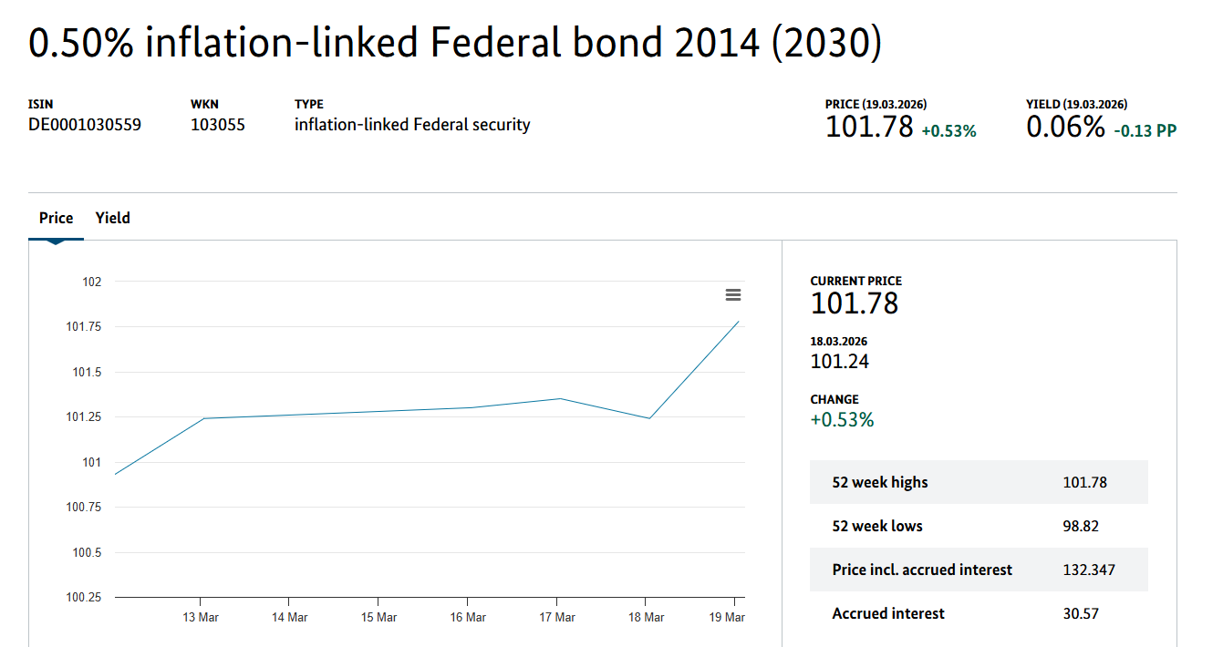
BACK TO MENU

PROBLEM 1
Below, we demonstrate the distinction between the price quoted by a broker, and the true amount to purchase an inflation-linked German Federal bond maturing in 2030 (abstracting from bid-ask spread) on the settlement date.

Data source:
https://www.deutsche-finanzagentur.de/en/federal-securities/factsheet/isin/DE0001030559?cHash=f50ce7c312f099a9c4fb322168c0c5e3

FACTS
ISIN | DE0001030559
Daycount standard | ACT/ACT ICMA
Inflation coefficient: reflects the inflation uplift = rise in consumer prices, measured by the cumulative change in the Harmonised Index of Consumer Prices (HICP) in the Euro Zone – all items excluding tobacco, since the base date of 10.4.2014 for our bond, the coefficient is retrieved from sheet coefficient
Base date: the first day of the inflation uplift calculation = inflation coefficent equal to 1 on the base date, traditionally set approx. one year before the first coupon payment (distributed on 15.4.2015 in the example)
Coupon rate: fixed in real (inflation-adjusted), but variable in nominal terms (see sheet ILB Price for an illustration)
Settlement date: EU-standard for fixed income T+2 business days, the function handles weekends, but does not control for German federal holiday (no trading)
Distribution date: function handles the upcoming change of the date in April
Accrual period: function controls for the current distribution date (accrued interest of 0 on the day of a coupon payment)
Coupon payment frequency | Annual

DATA
Real coupon rate | 0.50%
Clean Price (2015) | 101.78 €
Face Value | 100.00 €
Trade date | 2026-03-19
Settlement date (T2) | 2026-03-23
Previous distribution date | 2025-04-15
Accrual period (days) | 342
Inflation coefficient (settlement date) | 1.29437

Clean Price (real): reported by brokerages and data providers, assumes no change in the inflation coefficient since the base date = stated in the price level of April 2014 in case of our bond
OUTPUT - REAL (2015)
Clean Price | 101.78 €
plus: Accrued Interest | 0.47 €
Dirty Price | 102.25 €

Dirty Price (nominal): the amount necessary to actually purchase a bond with an original par value of 100 €, equals real dirty price times the inflation coefficient on the settlement date = the price of the bond is updated to reflect today's price level
OUTPUT - NOMINAL (2026)
Clean Price | 131.74 €
plus: Accrued Interest | 0.61 €
Dirty Price | 132.347 €

BACKTEST

Problem 2
BACK TO MENU

PROBLEM 2
Calculate the dirty price of the bond using both the 2014 and the 2026 (current) price level via the multiplication of cash flows by an inflation coefficient of 1 and 1.29437, respectively. Use the ACT/ACT convention.

Data source:
https://www.deutsche-finanzagentur.de/en/federal-securities/factsheet/isin/DE0001030559?cHash=f50ce7c312f099a9c4fb322168c0c5e3

FACTS
ISIN | DE0001030559
Daycount standard | ACT/ACT ICMA
Coupon payment frequency | Annual

DATA
Real yield-to-maturity | 0.0612%
Real coupon rate | 0.50%
Face Value | 100.00 €
Trade date | 2026-03-19
Settlement date (T2) | 2026-03-23
Last distribution date | 2025-04-15
Upcoming distribution date | 2026-04-15
Maturity date | 2030-04-15
Accrual Period (days) | 342
Inflation coefficient (settlement date) | 1.29437

CASH FLOW SCHEDULE - REAL 2014

Date | 2026-04-15 | 2027-04-15 | 2028-04-15 | 2029-04-15 | 2030-04-15
Coupon
Principal
Total Payment
Day count till next coupon
Day count factor
Discount factor
Present Value

Dirty Price (real)
Less: Accrued Interest (real)
Clean Price (real)

CASH FLOW SCHEDULE - REAL 2026

Date | 2026-04-15 | 2027-04-15 | 2028-04-15 | 2029-04-15 | 2030-04-15
Coupon
Principal
Total Payment
Day count till next coupon
Day count factor
Discount factor
Present Value

Dirty Price (real)
Less: Accrued Interest (real)
Clean Price (real)

Solution 2
BACK TO MENU

PROBLEM 2
Below, the essential property of an inflation-linked bond - the indexation of both the coupon distributions and the principal repayment - is demonstrated, relative to the real cash flow basis used to price the security by data providers.

Data source:
https://www.deutsche-finanzagentur.de/en/federal-securities/factsheet/isin/DE0001030559?cHash=f50ce7c312f099a9c4fb322168c0c5e3

DE0001030559 Issuance Prospectus:
https://www.deutsche-finanzagentur.de/fileadmin/user_upload/Institutionelle-investoren/emissionsbedingungen/en/Emissionsbedingungen_ILB_2013_en.pdf

FACTS
ISIN | DE0001030559
Daycount standard | ACT/ACT ICMA
Coupon payment frequency | Annual
Real YTM: total return of the bond after adjusting for inflation, assuming the coupons are reinvested at the same rate
ACT/ACT daycount factor: DayCountFactor = D_1/365 + D_2/365 + D_3/366 + ..., where D_1, D_2, D_3, ... is the number of days of bond ownership in each interest period (which is annual in our example)
Upcoming distribution date: exactly one year after the Last distribution date
DATA
Real yield-to-maturity | 0.0612%
Real coupon rate | 0.50%
Face Value | 100.00 €
Trade date | 2026-03-19
Settlement date (T2) | 2026-03-23
Last distribution date | 2025-04-15
Upcoming distribution date | 2026-04-15
Maturity date | 2030-04-15
Accrual Period (days) | 342
Inflation coefficient (settlement date) | 1.29437

CASH FLOW SCHEDULE - REAL 2014
Total payment: the payments are expressed in price level of the base date (see sheet Solution 1) = assumption of zero price level growth since 2014; we do not receive these amounts!
Date | 2026-04-15 | 2027-04-15 | 2028-04-15 | 2029-04-15 | 2030-04-15
Coupon | € 0.50 | € 0.50 | € 0.50 | € 0.50 | € 0.50
Principal |  |  |  |  | € 100.00
Total Payment | € 0.50 | € 0.50 | € 0.50 | € 0.50 | € 100.50
Day count till next coupon | 23 | 365 | 366 | 365 | 365
Day count factor | 0.06301369863 | 1.0630136986 | 2.0630136986 | 3.0630136986 | 4.0630136986
Discount factor | 0.99996144816 | 0.99934984605 | 0.99873861802 | 0.99812776382 | 0.99751728325
Present Value | € 0.50 | € 0.50 | € 0.50 | € 0.50 | € 100.25

Clean Price: this is the number quoted by data providers (see sheet Solution 1)
Dirty Price (real) | € 102.25
Less: Accrued Interest (real) | 0.47 €
Clean Price (real) | € 101.78

CASH FLOW SCHEDULE - REAL 2026
Total payment: the payments are expressed in price level of today's date (multiplication of the cash flows by the present inflation coefficient of 1.29437) = assumption of zero price level growth ever since today; we do not receive these amounts!
Date | 2026-04-15 | 2027-04-15 | 2028-04-15 | 2029-04-15 | 2030-04-15
Coupon | € 0.50 | € 0.50 | € 0.50 | € 0.50 | € 0.50
Principal |  |  |  |  | € 100.00
Total Payment | € 0.65 | € 0.65 | € 0.65 | € 0.65 | € 130.08
Day count till next coupon | 23 | 365 | 366 | 365 | 365
Day count factor | 0.06301369863 | 1.0630136986 | 2.0630136986 | 3.0630136986 | 4.0630136986
Discount factor | 0.99996144816 | 0.99934984605 | 0.99873861802 | 0.99812776382 | 0.99751728325
Present Value | € 0.65 | € 0.65 | € 0.65 | € 0.65 | € 129.76

Dirty Price (real) | € 132.347
Less: Accrued Interest (real) | 0.61 €
Clean Price (real) | € 131.74

ASSUMPTIONS
Inflation growth rate until first coupon | 0.126%
Annual inflation rate for years 2027-30 | 2%
Inflation coefficient at present | 1.29437

Inflation coefficient: reflects the cumulative expected inflation uplift at the end of each period
Real YTM: not applicable for discounting. Why? Cash flows in this case are nominal (not adjusted for inflation), whereas the discount rate/YTM is real (inflation-adjusted). Never mix and match cash flows and discount rates
INFLATION COEFFICIENT SCHEDULE

Date | 2026-04-15 | 2027-04-15 | 2028-04-15 | 2029-04-15 | 2030-04-15
Inflation coefficient | 1.29600 | 1.32192 | 1.34836 | 1.37533 | 1.40283

Coupon payments: although fixed in real terms, the nominal coupons vary due to the growth in the price level = real coupon is multiplied by the inflation coefficient for the given period
Principal repayment: at redemption, the principal repayment amount is the real par value ( in our example) multiplied by the coefficient on 15.04.2030 (maturity date) - in the event of deflation (coefficient dips below 1), the redemption amount is fixed at the original par value (100 €)
Total payments: this is the amount that is actually received granted that our inflation expectations are correct. In real life, we do not know the exact payments amount at the time of the bond purchase (ex-ante) as the future inflation rate is uncertain
CASH FLOW SCHEDULE - REAL 2026

Date | 2026-04-15 | 2027-04-15 | 2028-04-15 | 2029-04-15 | 2030-04-15
Coupon | € 0.65 | € 0.66 | € 0.67 | € 0.69 | € 0.70
Principal |  |  |  |  | € 140.28
Total Payment | € 0.84 | € 0.86 | € 0.87 | € 0.89 | € 182.49

Problem 3
BACK TO MENU

PROBLEM 3
Estimate the expected average inflation rate within the residual maturity timeframe using both the full and and the approximative version of the Fisher equation.

Data - nominal bond:
https://www.deutsche-finanzagentur.de/en/federal-securities/factsheet/isin/DE000BU25042?cHash=71de08140a6391064a6da45268238870

Data - real bond:
https://www.deutsche-finanzagentur.de/en/federal-securities/factsheet/isin/DE0001030559?cHash=f50ce7c312f099a9c4fb322168c0c5e3

FACTS - NOMINAL |  |  | FACTS - REAL
ISIN | DE000BU25042 |  | ISIN | DE0001030559
Nominal coupon rate | 0.024% |  | Real coupon rate | 0.50%
Nominal yield-to-maturity | 2.609% |  | Real yield-to-maturity | 0.0612%
Today | 2026-08-13 |  | Today | 2026-08-13
Maturity date | 2030-04-18 |  | Maturity date | 2030-04-15
Residual maturity | 3.6801752464 |  | Residual maturity | 3.6719605696
Coupon payment frequency | Annual |  | Coupon payment frequency | Annual

 |  | Expected inflation I

 |  | Expected inflation II

Solution 3
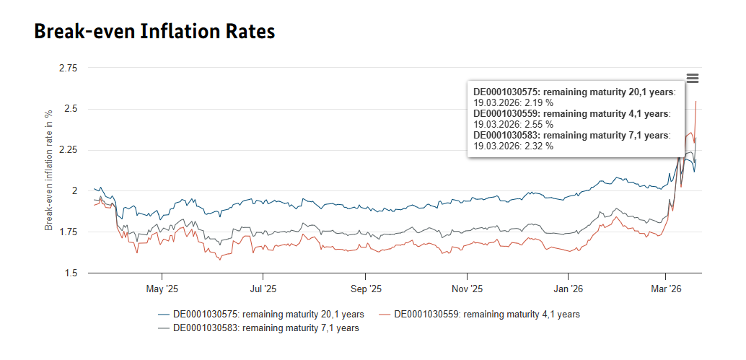
BACK TO MENU

PROBLEM 3
Inflation-linked bonds in conjuction with their nominal counterparts allow us to read off market expectations of average annual inflation rate in the period until bond the matures (abstracting from liquidity differentials and inflation permia). We compare the expected inflation estimated using the full version and the approximation of the Fisher formula

Data - nominal bond:
https://www.deutsche-finanzagentur.de/en/federal-securities/factsheet/isin/DE000BU25042?cHash=71de08140a6391064a6da45268238870

Data - real bond:
https://www.deutsche-finanzagentur.de/en/federal-securities/factsheet/isin/DE0001030559?cHash=f50ce7c312f099a9c4fb322168c0c5e3

FACTS - NOMINAL |  |  |  | FACTS - REAL
ISIN | DE000BU25042 |  |  | ISIN | DE0001030559
Nominal coupon rate | 0.024% |  |  | Real coupon rate | 0.50%
Nominal yield-to-maturity | 2.609% |  |  | Real yield-to-maturity | 0.0612%
Today | 2026-08-13 |  |  | Today | 2026-08-13
Maturity date | 2030-04-18 |  |  | Maturity date | 2030-04-15
Residual maturity | 3.6801752464 |  |  | Residual maturity | 3.6719605696
Coupon payment frequency | Annual |  |  | Coupon payment frequency | Annual

Fisher equation: the expected inflation is given by π = (1+i)/(1+r)-1, where i = nominal YTM, r = real YTM, notwithstanding the slight differential in maturity and duration

 |  | Expected inflation I | 2.55%
Fisher equation: the expected inflation is given by the approximation π = i - r, where i = nominal YTM, r = real YTM. The difference in the estimates of the expected inflation are negigible for low interest rates
 |  | Expected inflation II | 2.55%

BACKTEST

Problem 4
BACK TO MENU

PROBLEM 4
Imagine having a euro-denominated liability of 10.000 € (e.g. a purchase of a car in Germany 7 year from now), expressed in today's (2026) prices, positively correlated with the European area inflation rate (HICP) and payable with certainty in April 2033. What is the optimal instrument to match such an obligation? Below, calculate the amount to be set aside today (again, using the present price level) to cover the future payment

Data source:
https://www.deutsche-finanzagentur.de/en/federal-securities/factsheet/isin/DE0001030583?cHash=3fb624144258e6c73bb19de726a2edf6

FACTS
ISIN | DE0001030583
Daycount standard | ACT/ACT ICMA
Coupon payment frequency | Annual

DATA
Real yield-to-maturity | 0.6338%
Real coupon rate | 0.10%
Liability | 10,000.00 €
Trade date | 2026-03-26
Settlement date (T2) | 2026-03-30
Last distribution date | 2025-04-15
Upcoming distribution date | 2026-04-15
Maturity date | 2033-04-15
Accrual Period (days) | 349
Inflation coefficient (settlement date) | 1.22681

CASH FLOW SCHEDULE - REAL 2026

Date | 2026-04-15 | 2027-04-15 | 2028-04-15 | 2029-04-15 | 2030-04-15 | 2031-04-15 | 2032-04-15 | 2033-04-15
Total Payment | € 0.00 | € 0.00 | € 0.00 | € 0.00 | € 0.00 | € 0.00 | € 0.00 | € 10,000.00
Day count till next coupon
Day count factor
Discount factor
Present Value

Dirty Price (real)

Solution 4
BACK TO MENU

PROBLEM 4
Imagine having a euro-denominated liability of 10.000 € (e.g. a purchase of a car in Germany 7 year from now), expressed in today's (2026) prices, positively correlated with the European area inflation rate (HICP) and payable with certainty in April 2033. What is the optimal instrument to match such an obligation? Below, we calculate the amount to be set aside today (again, using the present price level) to cover the future payment

Data source:
https://www.deutsche-finanzagentur.de/en/federal-securities/factsheet/isin/DE0001030583?cHash=3fb624144258e6c73bb19de726a2edf6

FACTS
ISIN | DE0001030583
Daycount standard | ACT/ACT ICMA
Coupon payment frequency | Annual

Hedging: the inflation-indexed bond is a suitable instrument for hedging a real (inflation-indexed) obligation that must be met with certitude because
it is virtually free of any default risk (= the borrower going bust) - the German government treasury securities maintain the perfect AAA rating (essentially zero probability of bankruptcy for practical purposes)
the time horizon of the liability and the bond are matched (April 2033 for both)
it imposes almost no reinvestment risk - the final repayment (€ 10,000.00) in the cash flow schedule below assumes the reinvestment of each intermediary coupons at the prevailing real YTM (0.6338%), which could change in the future periods. However, due to the real coupon rate being close to zero, the risk is very much contained. Thus, the ideal instrument for such a hedge is a zero-coupon/discount bond.
DATA
Real yield-to-maturity | 0.6338%
Real coupon rate | 0.10%
Liability | 10,000.00 €
Trade date | 2026-03-26
Settlement date (T2) | 2026-03-30
Last distribution date | 2025-04-15
Upcoming distribution date | 2026-04-15
Maturity date | 2033-04-15
Accrual Period (days) | 349
Inflation coefficient (settlement date) | 1.22681

CASH FLOW SCHEDULE - REAL 2026

Date | 2026-04-15 | 2027-04-15 | 2028-04-15 | 2029-04-15 | 2030-04-15 | 2031-04-15 | 2032-04-15 | 2033-04-15
Total Payment | € 0.00 | € 0.00 | € 0.00 | € 0.00 | € 0.00 | € 0.00 | € 0.00 | € 10,000.00
Day count till next coupon | 16 | 365 | 366 | 365 | 365 | 365 | 366 | 365
Day count factor | 0.043835616438 | 1.0438356164 | 2.0438356164 | 3.0438356164 | 4.0438356164 | 5.0438356164 | 6.0438356164 | 7.0438356164
Discount factor | 0.99972308495 | 0.99342674623 | 0.98717006238 | 0.98095278364 | 0.97477466183 | 0.96863545035 | 0.96253490412 | 0.95647277965
Present Value | € 0.00 | € 0.00 | € 0.00 | € 0.00 | € 0.00 | € 0.00 | € 0.00 | € 9,564.73
Dirty Price: the actual amount to be allocated towards the inflation-linked bond today (consistent with the inflation coeffcient of 1.22681)
Dirty Price (real) | € 9,564.73

Daňová vsuvka
BACK TO MENU

Osvobození od zdanění
V rámci novely zákona č. 586/1992 o daních z příjmů, nabývajícího účinnosti dne 1.1.2021, jsou dle § 4, odst. 1 písm. x) výnosy dluhopisu podle zákona upravujícího dluhopisy a příjem plynoucí z práva na splacení dlouhopisů (při držbě do splatnosti) vydaných členským státem EU nebo EHP po tomto datu osvobozené od daně z příjmů, což odpovídá informacím poskytnutým Ministerstvem financí České republiky (2021) a interpretaci v Kotáb (2022), který zmiňuje, že "osvobození se po přijetí uvedené novelizace uplatňuje nejen ve vztahu ke státním dluhopisům vydávaným Českou republikou, ale též ke státním dluhopisům vydávaným jiným členským státem Evropské unie nebo státem tvořícím Evropský hospodářský prostor" (s. 58) a doplňuje, že "dále bylo osvobození rozšířeno z úrokových výnosů na všechny výnosy ze státních dluhopisů a zahrnuje tedy nově např. též výnos určený slosovatelnou nebo jinou prémií a příjem z rozdílu mezi jmenovitou hodnotou a emisním kurzem, resp. nabývací cenou dluhopisu" (s. 58-59). Výnosy z protiinflačních dluhopisů držené nerezidenty státu emise nejsou zatíženy srážkovou daní, což potvrzuje Agence France Trésor (b.r.) pro francouzské vládní dluhopisy a Euronext Securities (2023, s. 6) pro německé vládní dluhopisy.

Reference
Agence France Trésor. (b.r.). Tax treatment of government securities. https://www.aft.gouv.fr/en/tax-treatment-securities
Euronext Securities. (2023). Fiscal guide Germany. https://www.euronext.com/sites/default/files/2023-03/4397%20-%20Germany%20-%20Fiscal%20Operational%20Guide%202022.pdf
Kotáb, P. (2022). Vybrané problémy zdanění pasivních příjmů z dluhopisů. AUC Iuridica, 68(4), 53–66. https://doi.org/10.14712/23366478.2022.46
Ministerstvo financí České republiky. (2021). Emise 3.1.2022. Dluhopis Republiky.https://dluhopisy.gov.cz/cs/o-dluhopisech/urokove-sazby/dluhopis-republiky/emise-3-1-2022-1376
Zákon č. 586/1992 Sb. o daních z příjmu (v aktuálním znění), Sbírka zákonů ČR (2026). https://www.zakonyprolidi.cz/cs/1992-586#f7818927

