Cover
CONFLICT OF INTERESTS CHEKCLIST

Audit reference
Member State
Operational Programmeσ (CCI)

Objective: | To ensure compliance with the Article 61 of the Financial Regulation and the guidance issued on this by the Central Financial Service

Section 1.1 - Initial audit work
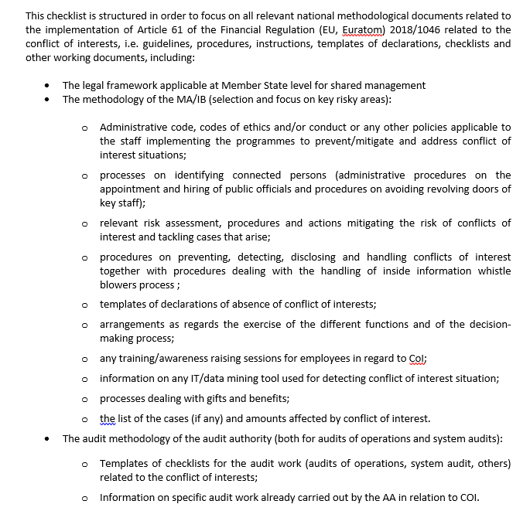

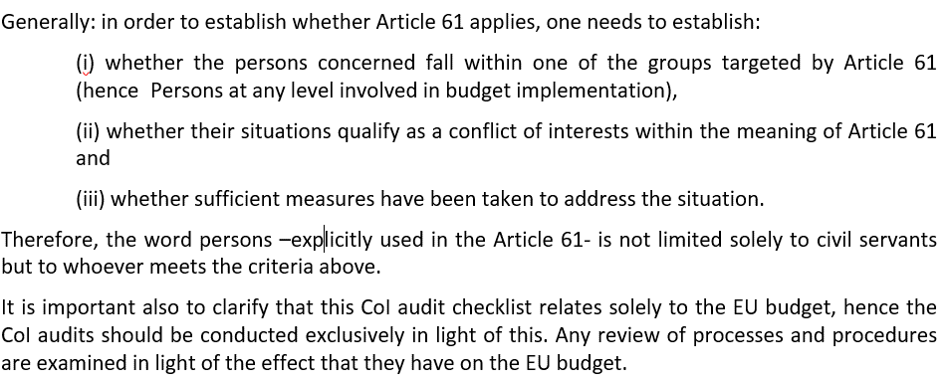

Structure of the checklist

The checklist contains testing related to four objectives.
Objective 1`: | To assess the overall control environment around Conflict of Interest. To obtain evidence that the high-risk functions and behaviors are addressed. (Article 61 of Financial Regulation)

Objective 2: | To obtain evidence that financial and non-financial actors including national authorities at any level, shall not take any action which may bring their own interests into conflict with those of the Union. Most of the tests below target the MAs / IBs but are also to be extended at the level of the beneficiary (if applicable).

Objective 3: | To obtain evidence that there are appropriate mechanisms in place preventing and detecting cases of Conflict of Interest.

Objective 4: | To obtain evidence that there are sufficient Conflict of Interest detecting tools in place and are properly used

For the testing perofrmed in relation to each objective, please refer to the respective worksheet tabs

Overall conclusion:

