mongo schema
Table : | episode_reference | Table : | episode_content
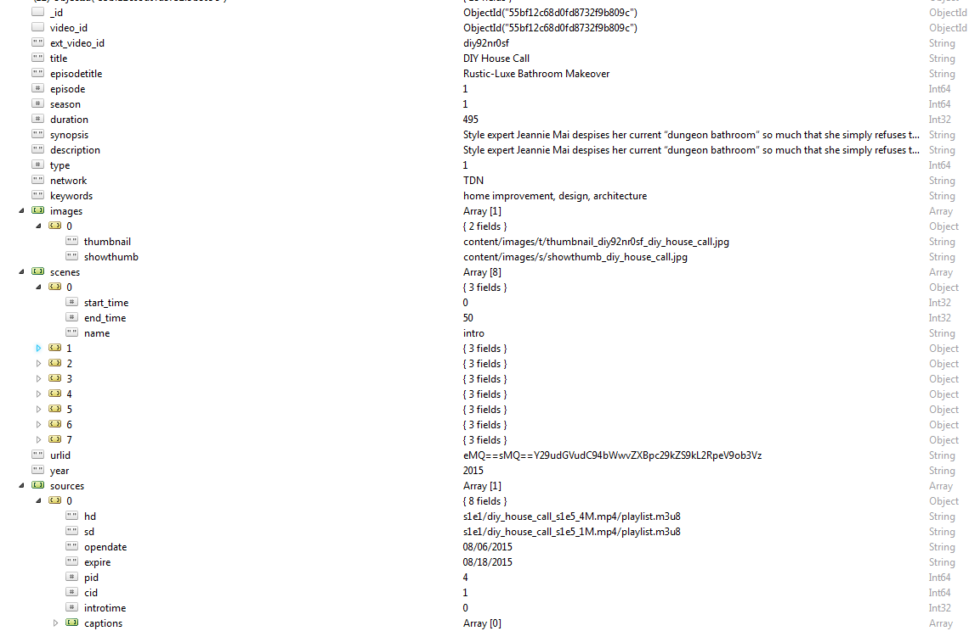
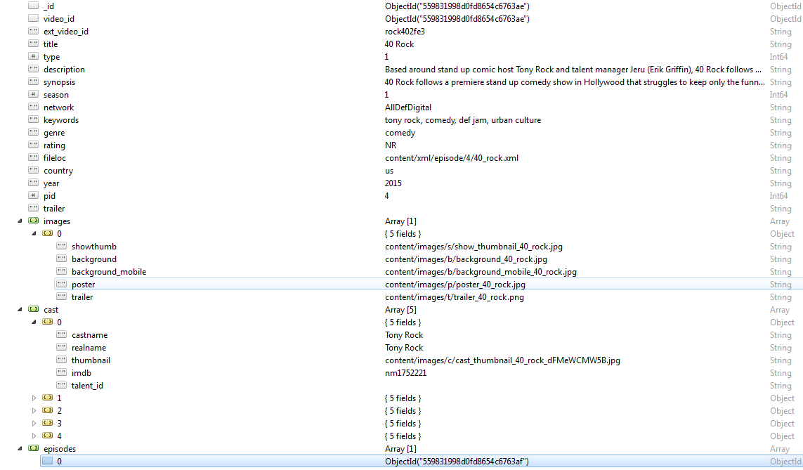

Table : | talent_reference

Table : | analytics_repository

Table : | groups | Table : | panels
Each show displayed in the app is a focus group, this is where groups are defined |  | The question / answer set that can be applied to a group
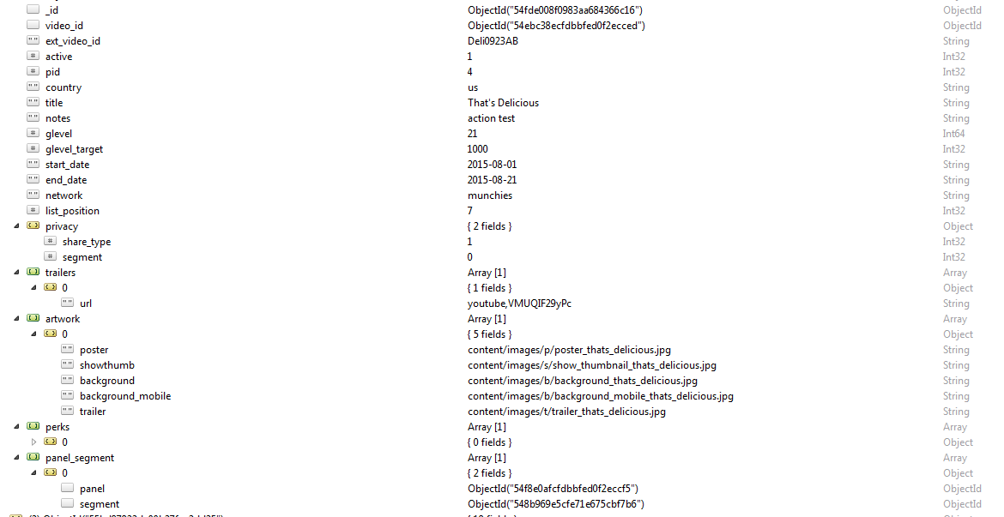
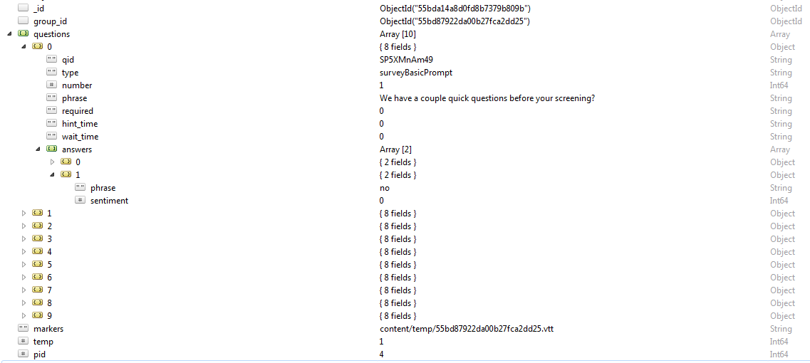

Table : | segmentation | Table : | panel_responses
attributes that define a segment that can be applied to a group of users |  | For every answer a user gives, we create a new panel response entry with the identifiers we need to process their feedback

Table : | user_segmentation
assigns users to the segments that have been applied to their cohort

Table : | featured_content
Manages the content features on our landing page and in the primary slot on the mobile app

