price_rooms_relation
Clear linear relation between rooms and log(price)
Number of rooms | Average of price (rupees) | Log of Average of price
1 | 6,277,059.28 | 6.80
2 | 13,239,565.18 | 7.12
3 | 27,044,115.76 | 7.43
4 | 53,533,248.35 | 7.73
5 | 103,426,402.64 | 8.01
6 | 102,483,108.11 | 8.01
7 | 158,337,500.00 | 8.20
8 | 246,062,500.00 | 8.39
9 | 306,260,000.00 | 8.49
10 | 415,000,000.00 | 8.62

expensiveVSaffordable
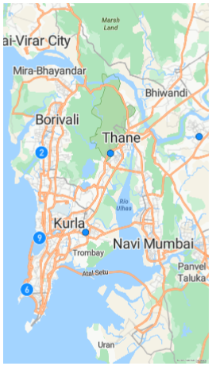
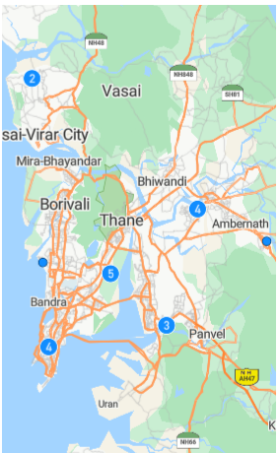
Top 20 most expensive localities in Mumbai | AVG Price (Rupees) |  |  | Top 20 most affordable localities in Mumbai | AVG Price (Rupees)
Anchor Daewoo South Ridge | 600,000,000.00 |  |  | Sai Ganesh Jagannath Sai Park | 550,000.00
Indiabulls Blu Tower C | 505,000,000.00 |  |  | Divine Group Vadodara Divine Homes Oak | 650,000.00
Lodha Costiera | 450,000,000.00 |  |  | Shree Ganesh Arjun Darshan | 700,000.00
Reputed Builder Ram Niwas | 360,000,000.00 |  |  | Lok Prabhat | 850,000.00
Provenance Four Seasons Private Residences | 350,000,000.00 |  |  | Reputed Builder Govind Vikas Apartment | 900,000.00
Sunteck Signature Island | 350,000,000.00 |  |  | Reputed Builder Shubh Griha Tata Housing | 900,000.00
Arkade Rise | 350,000,000.00 |  |  | Reputed Builder Madhavi Apartment | 900,000.00
Reputed Builder Avighna | 350,000,000.00 |  |  | Poddar Navjeevan | 989,000.00
Emgee Vikas Park | 335,000,000.00 |  |  | Swaraj Homes Kalyan Dipti CHS | 1,000,000.00
Reputed Builder Varsha Apartments | 335,000,000.00 |  |  | Mahindra Happinest Palghar Project 1 Phase III | 1,000,000.00
Wadhwa Juhu Anmol Chs | 320,000,000.00 |  |  | HG Sai Tulip | 1,000,000.00
Sandhu Palace A Wing | 300,000,000.00 |  |  | Reputed Builder Sai Nirman | 1,015,000.00
Ahuja Pali Hill | 300,000,000.00 |  |  | Shree Samarth Crown Phase 1 | 1,080,000.00
Reputed Builder Raj Mahal Apartments | 300,000,000.00 |  |  | Mahindra Happinest Palghar Project 1 Phase II | 1,093,000.00
Residence | 300,000,000.00 |  |  | Reputed Builder Gardenia | 1,099,000.00
Ahuja Tower | 290,000,000.00 |  |  | Shubham Aarsh Residency | 1,199,000.00
K Raheja Artesia Residential Wing Constructed On Part Of The Project Land | 275,714,285.71 |  |  | Reputed Builder Komal Apartment | 1,210,000.00
Reputed Builder Sangeeta Apartments | 270,000,000.00 |  |  | Ashiana LA Arihant Harmony | 1,215,500.00
Sunny Splendour | 264,000,000.00 |  |  | Skyway Radha Krishna Arcade | 1,237,500.00
SD The Imperial Edge | 260,000,000.00 |  |  | Elegance Apartment | 1,250,000.00

 |  | Top 20 most expensive localities | Top 20 most affordable localities

most_demanded
Where does the price match with the demand?
 | AVG Demand Indicator (1-10) | Average price (rupees)
1 | 7.99 | 6375434.1533
2 | 7.98 | 13248847.543
3 | 8.01 | 27002903.63
4 | 7.98 | 53061703.521
5 | 8.04 | 97268239.564
6 | 8.12 | 99550354.61
7 | 7.55 | 145560000
8 | 8.06 | 246062500
9 | 7.40 | 306260000
10 | 8.50 | 415000000
1 | 6.92 | 4541277.7778
2 | 7.11 | 5435555.5556
3 | 6.55 | 36038095.238
4 | 7.07 | 76116666.667
5 | 6.68 | 61033333.333
6 | 6.75 | 182750000
3 | 5.60 | 25000000
4 | 7.35 | 32500000
1 | 7.43 | 3544388.8889
2 | 7.58 | 6634833.3333
3 | 7.50 | 33312857.143
4 | 7.36 | 80984482.759
5 | 7.45 | 185484782.61
6 | 7.20 | 133300000
7 | 7.40 | 350000000
Category | AVG Demand Indicator (1-10) | Average price (rupees)
Apartment
1 | 7.99 | 6375434.1533
2 | 7.98 | 13248847.543
3 | 8.01 | 27002903.63
4 | 7.98 | 53061703.521
5 | 8.04 | 97268239.564
6 | 8.12 | 99550354.61
7 | 7.55 | 145560000
8 | 8.06 | 246062500
9 | 7.40 | 306260000
10 | 8.50 | 415000000
Independent House
1 | 6.92 | 4541277.7778
2 | 7.11 | 5435555.5556
3 | 6.55 | 36038095.238
4 | 7.07 | 76116666.667
5 | 6.68 | 61033333.333
6 | 6.75 | 182750000
Penthouse
3 | 5.60 | 25000000
4 | 7.35 | 32500000
Villa
1 | 7.43 | 3544388.8889
2 | 7.58 | 6634833.3333
3 | 7.50 | 33312857.143
4 | 7.36 | 80984482.759
5 | 7.45 | 185484782.61
6 | 7.20 | 133300000
7 | 7.40 | 350000000
Grand Total | 7.99 | 16995648.105

age_status_price_relation
 | Average Price (rupees) | AVG Demand Indicator (1-10)
Ready to move | 15612621.41 | 7.98
Under Construction | 14311104.84 | 7.99
Ready to move | 16851718.66 | 7.98
Under Construction | 14080760.32 | 7.99
Category | Average Price (rupees) | AVG Demand Indicator (1-10)
New
Ready to move | 15612621.41 | 7.98
Under Construction | 14311104.84 | 7.99
Resale
Ready to move | 16851718.66 | 7.98
Under Construction | 14080760.32 | 7.99
Grand Total | 15498377.79 | 7.98

