WELSPECS
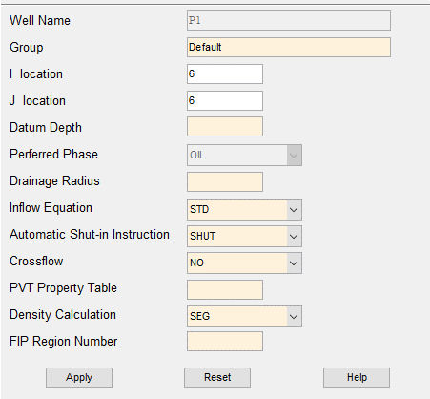
Well Name | Group | I Location | J Location | Datum Depth | Perferrde Phase | Drainage Radius | Inflow Equation | Automatic Shut-in | Crossflow | PVT Table | Denstiy Calculaiton | FIP Region | 必填项 | 选填项 | 表头勿动
P1 | Default | 6 | 6 | NaN | OIL | 0 | STD | SHUT | NO | 0 | SEG | 0
P2 | Default | 12 | 6 | NaN | OIL | 0 | STD | SHUT | NO | 0 | SEG | 0
P3 | Default | 18 | 6 | NaN | OIL | 0 | STD | SHUT | NO | 0 | SEG | 0
P4 | Default | 24 | 6 | NaN | OIL | 0 | STD | SHUT | NO | 0 | SEG | 0
P5 | Default | 30 | 6 | NaN | OIL | 0 | STD | SHUT | NO | 0 | SEG | 0
P6 | Default | 36 | 6 | NaN | OIL | 0 | STD | SHUT | NO | 0 | SEG | 0
P7 | Default | 42 | 6 | NaN | OIL | 0 | STD | SHUT | NO | 0 | SEG | 0
P8 | Default | 48 | 6 | NaN | OIL | 0 | STD | SHUT | NO | 0 | SEG | 0
P9 | Default | 54 | 6 | NaN | OIL | 0 | STD | SHUT | NO | 0 | SEG | 0
P10 | Default | 60 | 6 | NaN | OIL | 0 | STD | SHUT | NO | 0 | SEG | 0
I1 | Default | 6 | 28 | NaN | WATER | 0 | STD | SHUT | NO | 0 | SEG | 0
I2 | Default | 12 | 28 | NaN | WATER | 0 | STD | SHUT | NO | 0 | SEG | 0
I3 | Default | 18 | 28 | NaN | WATER | 0 | STD | SHUT | NO | 0 | SEG | 0
I4 | Default | 24 | 28 | NaN | WATER | 0 | STD | SHUT | NO | 0 | SEG | 0
I5 | Default | 30 | 28 | NaN | WATER | 0 | STD | SHUT | NO | 0 | SEG | 0
I6 | Default | 36 | 28 | NaN | WATER | 0 | STD | SHUT | NO | 0 | SEG | 0
I7 | Default | 42 | 28 | NaN | WATER | 0 | STD | SHUT | NO | 0 | SEG | 0
I8 | Default | 48 | 28 | NaN | WATER | 0 | STD | SHUT | NO | 0 | SEG | 0
I9 | Default | 54 | 28 | NaN | WATER | 0 | STD | SHUT | NO | 0 | SEG | 0
I10 | Default | 60 | 28 | NaN | WATER | 0 | STD | SHUT | NO | 0 | SEG | 0

COMPDAT
Well Name | I Location | J Location | K Upper | K Lower | OPEN/SHUT Flag | Saturation Table | Transmissibility | Well Bore ID | Effective Kh | Skin Factor | D Factor | Direction | Pressure Equ Radius | 必填项 | 选填项 | 表头勿动
P1 | 6 | 6 | 1 | 6 | OPEN | -1 | -1 | 0.2 | -1 | 0 | Default | Z | -1 | 井号顺序与WELSPCES一一对应
P2 | 12 | 6 | 1 | 6 | OPEN | -1 | -1 | 0.2 | -1 | 0 | Default | Z | -1
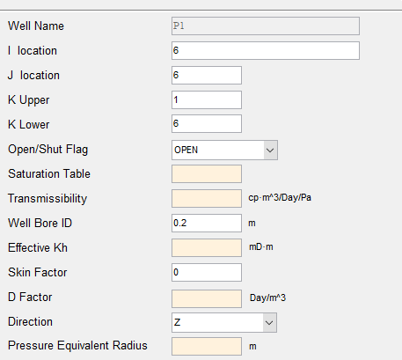
P3 | 18 | 6 | 1 | 6 | OPEN | -1 | -1 | 0.2 | -1 | 0 | Default | Z | -1
P4 | 24 | 6 | 1 | 6 | OPEN | -1 | -1 | 0.2 | -1 | 0 | Default | Z | -1
P5 | 30 | 6 | 1 | 6 | OPEN | -1 | -1 | 0.2 | -1 | 0 | Default | Z | -1
P6 | 36 | 6 | 1 | 6 | OPEN | -1 | -1 | 0.2 | -1 | 0 | Default | Z | -1
P7 | 42 | 6 | 1 | 6 | OPEN | -1 | -1 | 0.2 | -1 | 0 | Default | Z | -1
P8 | 48 | 6 | 1 | 6 | OPEN | -1 | -1 | 0.2 | -1 | 0 | Default | Z | -1
P9 | 54 | 6 | 1 | 6 | OPEN | -1 | -1 | 0.2 | -1 | 0 | Default | Z | -1
P10 | 60 | 6 | 1 | 6 | OPEN | -1 | -1 | 0.2 | -1 | 0 | Default | Z | -1
I1 | 6 | 28 | 1 | 6 | OPEN | -1 | -1 | 0.2 | -1 | 0 | Default | Z | -1
I2 | 12 | 28 | 1 | 6 | OPEN | -1 | -1 | 0.2 | -1 | 0 | Default | Z | -1
I3 | 18 | 28 | 1 | 6 | OPEN | -1 | -1 | 0.2 | -1 | 0 | Default | Z | -1
I4 | 24 | 28 | 1 | 6 | OPEN | -1 | -1 | 0.2 | -1 | 0 | Default | Z | -1
I5 | 30 | 28 | 1 | 6 | OPEN | -1 | -1 | 0.2 | -1 | 0 | Default | Z | -1
I6 | 36 | 28 | 1 | 6 | OPEN | -1 | -1 | 0.2 | -1 | 0 | Default | Z | -1
I7 | 42 | 28 | 1 | 6 | OPEN | -1 | -1 | 0.2 | -1 | 0 | Default | Z | -1
I8 | 48 | 28 | 1 | 6 | OPEN | -1 | -1 | 0.2 | -1 | 0 | Default | Z | -1
I9 | 54 | 28 | 1 | 6 | OPEN | -1 | -1 | 0.2 | -1 | 0 | Default | Z | -1
I10 | 60 | 28 | 1 | 6 | OPEN | -1 | -1 | 0.2 | -1 | 0 | Default | Z | -1

WCONINJE
Well Name | Injector Type | OPEN/SHUT Flag | Contorl Mode | Liquid Surface Rate | Gas Surface Rate | Reservoir Volume Rate | BHP Target | THP Target | VFP Table | Oil Vapour | SVP of Oil | SVP of Water | SVP of Gas | 必填项 | 选填项 | 二选一项 | 表头勿动
P1 | PRODUER | OPEN | RATE | Inf | Inf | NaN | Inf | 0 | 0 | 0 | 0 | 0 | 0 | Control Mode 为 Rate, 设置Liquid Surface Rate为注入量，BHP Target为Inf
P2 | PRODUER | OPEN | RATE | Inf | Inf | NaN | Inf | 0 | 0 | 0 | 0 | 0 | 0 | Control Mode 为 BHP, 设置BHP Target 为注入压力，Liquid Surface Rate为Inf
P3 | PRODUER | OPEN | RATE | Inf | Inf | NaN | Inf | 0 | 0 | 0 | 0 | 0 | 0 | 井号顺序与WELSPCES一一对应
P4 | PRODUER | OPEN | RATE | Inf | Inf | NaN | Inf | 0 | 0 | 0 | 0 | 0 | 0 | 生产井Injector Type设置为PRODUER，其他不用动，只用设置注水井
P5 | PRODUER | OPEN | RATE | Inf | Inf | NaN | Inf | 0 | 0 | 0 | 0 | 0 | 0
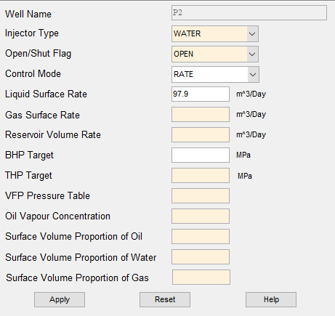
P6 | PRODUER | OPEN | RATE | Inf | Inf | NaN | Inf | 0 | 0 | 0 | 0 | 0 | 0
P7 | PRODUER | OPEN | RATE | Inf | Inf | NaN | Inf | 0 | 0 | 0 | 0 | 0 | 0
P8 | PRODUER | OPEN | RATE | Inf | Inf | NaN | Inf | 0 | 0 | 0 | 0 | 0 | 0
P9 | PRODUER | OPEN | RATE | Inf | Inf | NaN | Inf | 0 | 0 | 0 | 0 | 0 | 0
P10 | PRODUER | OPEN | RATE | Inf | Inf | NaN | Inf | 0 | 0 | 0 | 0 | 0 | 0
I1 | WATER | OPEN | RATE | 200 | Inf | NaN | Inf | 0 | 0 | 0 | 0 | 0 | 0
I2 | WATER | OPEN | RATE | 200 | Inf | NaN | Inf | 0 | 0 | 0 | 0 | 0 | 0
I3 | WATER | OPEN | RATE | 200 | Inf | NaN | Inf | 0 | 0 | 0 | 0 | 0 | 0
I4 | WATER | OPEN | RATE | 200 | Inf | NaN | Inf | 0 | 0 | 0 | 0 | 0 | 0
I5 | WATER | OPEN | BHP | Inf | Inf | NaN | 30 | 0 | 0 | 0 | 0 | 0 | 0
I6 | WATER | OPEN | BHP | Inf | Inf | NaN | 30 | 0 | 0 | 0 | 0 | 0 | 0
I7 | WATER | OPEN | BHP | Inf | Inf | NaN | 30 | 0 | 0 | 0 | 0 | 0 | 0
I8 | WATER | OPEN | BHP | Inf | Inf | NaN | 30 | 0 | 0 | 0 | 0 | 0 | 0
I9 | WATER | OPEN | BHP | Inf | Inf | NaN | 30 | 0 | 0 | 0 | 0 | 0 | 0
I10 | WATER | OPEN | BHP | Inf | Inf | NaN | 30 | 0 | 0 | 0 | 0 | 0 | 0

WCONPROD
Well Name | OPEN/SHUT Flag | Contorl Mode | Oil Rate | Water Rate | Gas Rate | Liquid Rate | Reservoir Volume Rate | BHP Target | THP Target | VFP Table | Artifical Lift | 必填项 | 选填项 | 三选一项 | 表头勿动
P1 | OPEN | LRAT | Inf | Inf | Inf | 100 | Inf | NaN | 0 | 0 | 0 | Control Mode 为 LRAT, 设置Liquid Rate为产液量，Oil Rate为Inf，BHP Target为NaN
P2 | OPEN | ORAT | 50 | Inf | Inf | Inf | Inf | NaN | 0 | 0 | 0 | Control Mode 为 ORAT, 设置Oil Rate为产油量，Liquid Rate为Inf，BHP Target为NaN
P3 | OPEN | BHP | Inf | Inf | Inf | Inf | Inf | 5 | 0 | 0 | 0 | Control Mode 为 BHP, 设置BHP Target为生产压力，Liquid Rate为Inf，Oil Rate为Inf
P4 | OPEN | BHP | Inf | Inf | Inf | Inf | Inf | 5 | 0 | 0 | 0 | 井号顺序与WELSPCES一一对应
P5 | OPEN | BHP | Inf | Inf | Inf | Inf | Inf | 5 | 0 | 0 | 0 | 注水井OPEN/SHUT Flag设置为INJECTOR，其他不用动，只用设置生产井
P6 | OPEN | BHP | Inf | Inf | Inf | Inf | Inf | 5 | 0 | 0 | 0
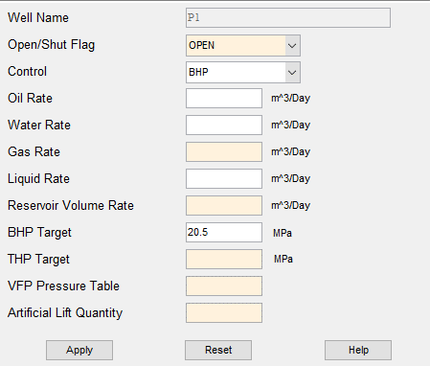
P7 | OPEN | BHP | Inf | Inf | Inf | Inf | Inf | 5 | 0 | 0 | 0
P8 | OPEN | BHP | Inf | Inf | Inf | Inf | Inf | 5 | 0 | 0 | 0
P9 | OPEN | BHP | Inf | Inf | Inf | Inf | Inf | 5 | 0 | 0 | 0
P10 | OPEN | BHP | Inf | Inf | Inf | Inf | Inf | 5 | 0 | 0 | 0
I1 | INJECTOR | BHP | Inf | Inf | Inf | Inf | Inf | NaN | 0 | 0 | 0
I2 | INJECTOR | BHP | Inf | Inf | Inf | Inf | Inf | NaN | 0 | 0 | 0
I3 | INJECTOR | BHP | Inf | Inf | Inf | Inf | Inf | NaN | 0 | 0 | 0
I4 | INJECTOR | BHP | Inf | Inf | Inf | Inf | Inf | NaN | 0 | 0 | 0
I5 | INJECTOR | BHP | Inf | Inf | Inf | Inf | Inf | NaN | 0 | 0 | 0
I6 | INJECTOR | BHP | Inf | Inf | Inf | Inf | Inf | NaN | 0 | 0 | 0
I7 | INJECTOR | BHP | Inf | Inf | Inf | Inf | Inf | NaN | 0 | 0 | 0
I8 | INJECTOR | BHP | Inf | Inf | Inf | Inf | Inf | NaN | 0 | 0 | 0
I9 | INJECTOR | BHP | Inf | Inf | Inf | Inf | Inf | NaN | 0 | 0 | 0
I10 | INJECTOR | BHP | Inf | Inf | Inf | Inf | Inf | NaN | 0 | 0 | 0

