Ark1
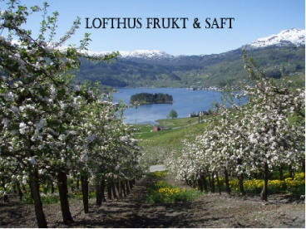 Lofthus frukt og saft | WEEK 1: PLANNING |  |  |  |  | WEEK 2: DESIGN |  |  |  |  | WEEK 3: BUILD |  |  |  |  | WEEK 4: FINISH/LAUNCH

 | Mon 26 Nov | Tue 27 Nov | Wed 28 Nov | Thu 29 Nov | Fri 20 Nov | Mon 3 Dec | Tue 4 Dec | Wed 5 Dec | Thu 6 Dec | Fri 7 Dec | Mon 10 Dec | Tue 11 Dec | Wed 12 Dec | Thu 13 Dec | Fri 14 Dec | Mon 17 Dec | Tue 18 Dec | Wed 19 Dec | Thu 20 Dec | Fri 21 Dec

PROJECT MANAGER | PROJECT MANAGEMENT(keeping customer updated) |  |  |  |  | PROJECT MANAGEMENT(keeping customer updated) |  |  |  |  | PROJECT MANAGEMENT(keeping customer updated) |  |  |  |  | PROJECT MANAGEMENT(keeping customer updated)

PROJECT MANAGER CONTENT DEVELOPER DESIGNER FRONT END DEVELOPER | START: Init/Customer meeting

PROJECT MANAGER CONTENT DEVELOPER DESIGNER | PLAN PROJECT

CONTENT DEVELOPER DESIGNER |  | RESEARCH

CONTENT DEVELOPER DESIGNER |  |  | PLAN CONTENT

CONTENT DEVELOPER DESIGNER FRONT END DEVELOPER |  |  |  |  | OUTLINE OF SITE | STRUCTURE OF SITE

DESIGNER |  |  |  |  |  |  |  | STYLETILE/MOODBOARD |  |  | WIREFRAMES

CONTENT DEVELOPER |  |  |  |  |  |  |  | DEVELOP TEXT CONTENT

PHOTOGRAPHER DESIGNER |  |  |  |  |  |  |  | PHOTOS: Products |  |  | PHOTOS: Employees

CONTENT DEVELOPER DESIGNER |  |  |  |  |  |  |  |  |  |  |  | PLANNING AND TESTING UX/UI |  |  |  | TESTING UX/UI

FRONT END DEVELOPER |  |  |  |  |  |  |  |  |  |  | BUILD SITE (Html & CSS) |  |  |  |  | BUILD SITE(Html & CSS)

FRONT END DEVELOPER |  |  |  |  |  |  |  |  |  |  |  |  |  |  |  |  | TEST ON DIFFERENT BROWSERS AND PLATFORMS

FRONT END DEVELOPER |  |  |  |  |  |  |  |  |  |  |  |  |  |  |  |  | VALIDATE

CONTENT DEVELOPER DESIGNER FRONT END DEVELOPER |  |  |  |  |  |  |  |  |  |  |  |  |  |  |  |  |  | ADJUSTMENTS

PROJECT MANAGER CONTEND DEVELOPER DESIGNER FRONT END DEVELOPER |  |  |  |  |  |  |  |  |  |  |  |  |  |  |  |  |  |  |  | LAST MEETING/WEBSITE LAUNCH

