album view 1
1 | Karnivool
2
3 | Sound Awake (2009)
4
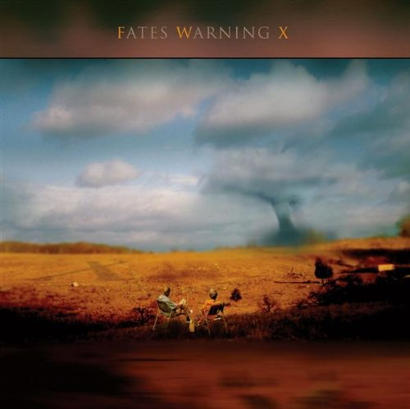
5 |  | 01. Simple Boy |  | 5:47:00
6 |  | 02. Goliath |  | 4:38:00
7 |  | 03. New Day |  | 8:21:00
8 |  | 04. Set Fire To The Hive |  | 4:28:00
9 |  | 05. Umbra |  | 7:51:00
10 |  | 06. All I Know |  | 4:54:00
11 |  | 07. The Medicine Wears Off |  | 1:50:00
12 |  | 08. The Caudal Lure |  | 6:16:00
13 |  | 09. Illumine |  | 5:13:00
14 |  | 10. Deadman |  | 12:04:00
15 |  | 11. Change |  | 10:47:00
16 | 72:09, 138 MB, mp3, 265 kbps

1 |  |  | Karnivool
2
3 |  |  | Sound Awake (2009)
4
5
6 |  |  | 01. Simple Boy |  | 5:47:00
7 |  |  | 02. Goliath |  | 4:38:00
8 |  |  | 03. New Day |  | 8:21:00
9 |  |  | 04. Set Fire To The Hive |  | 4:28:00
10 |  |  | 05. Umbra |  | 7:51:00
11 |  |  | 06. All I Know |  | 4:54:00
12 |  |  | 07. The Medicine Wears Off |  | 1:50:00
13 |  |  | 08. The Caudal Lure |  | 6:16:00
14 |  |  | 09. Illumine |  | 5:13:00
15 |  |  | 10. Deadman |  | 12:04:00
16 |  |  | 11. Change |  | 10:47:00
17 |  |  |  |  | 72:09, 138 MB, mp3, 265 kbps

