Dashboard
Household Financial Dashboard

Annual Income | Annual Spending | Net Cash Flow |  | Custom Health Score
$174,923.04 | $371,758.32 | $(196,835.28) |  | 40
 |  |  |  | * custom project metric (not industry-standard score)

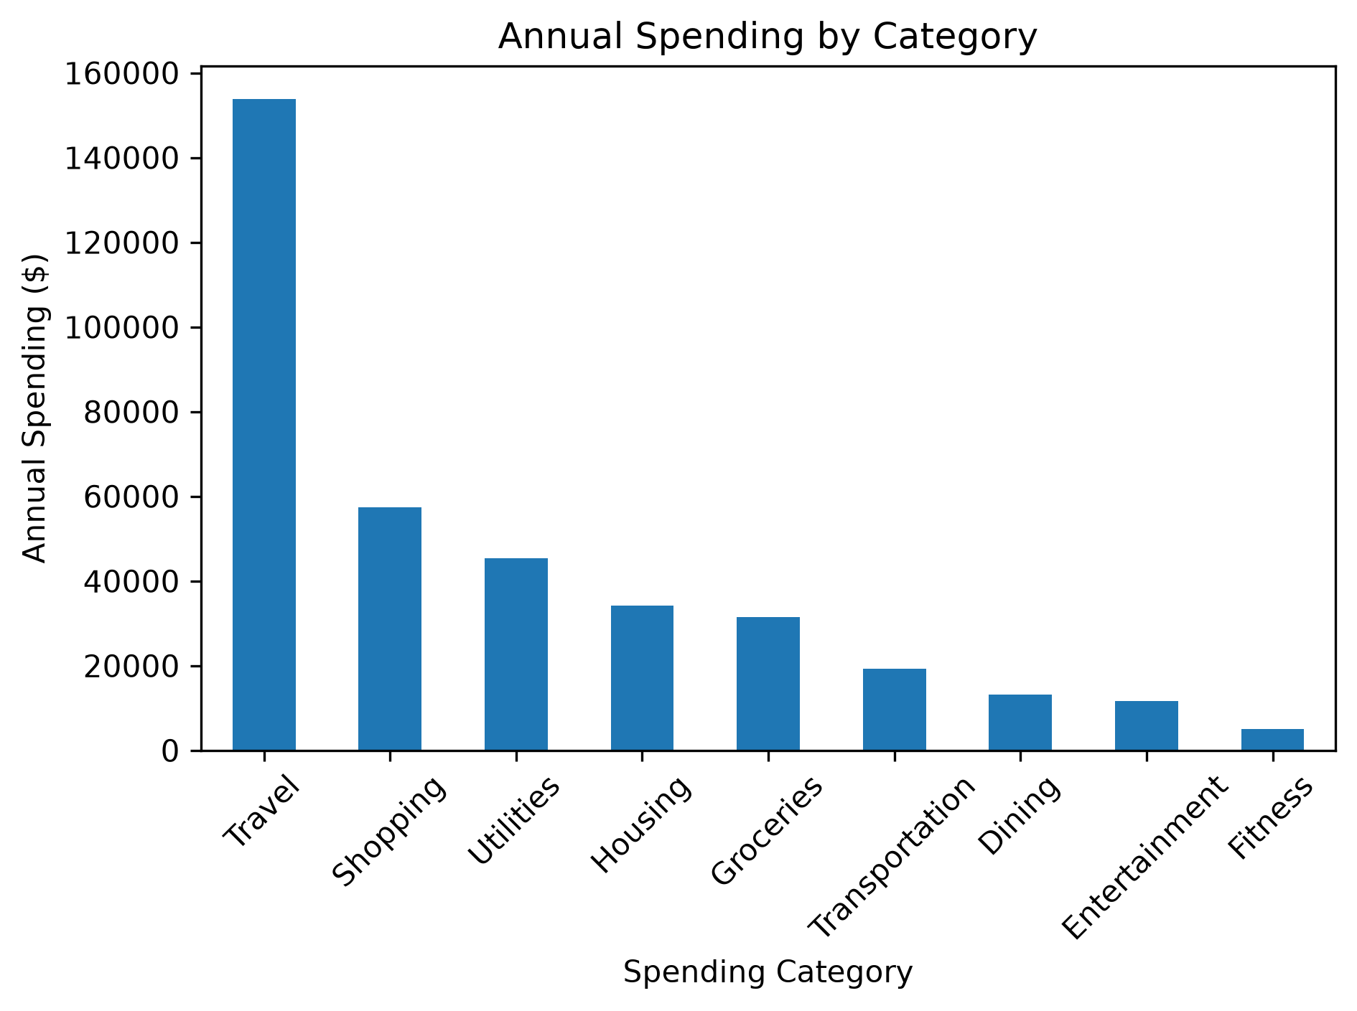
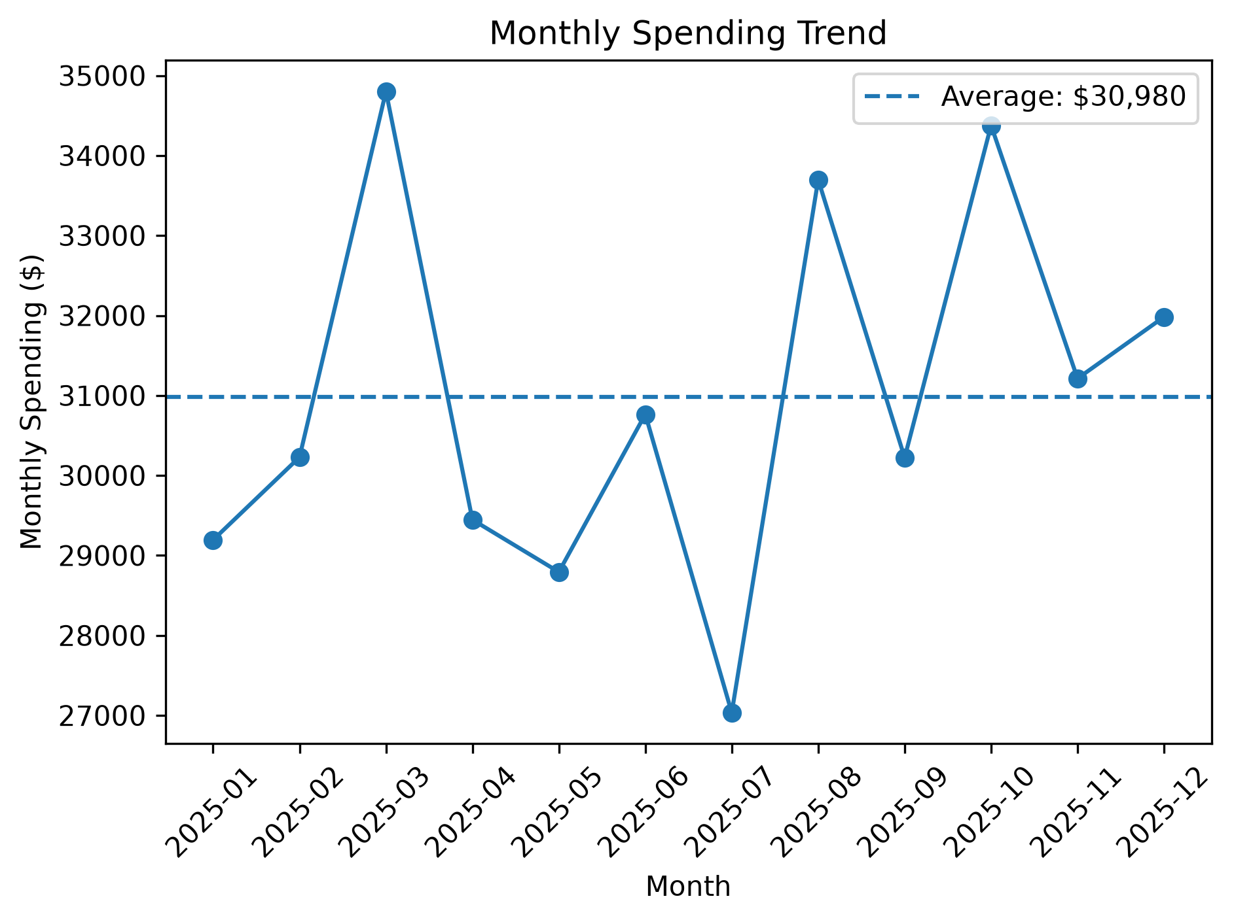
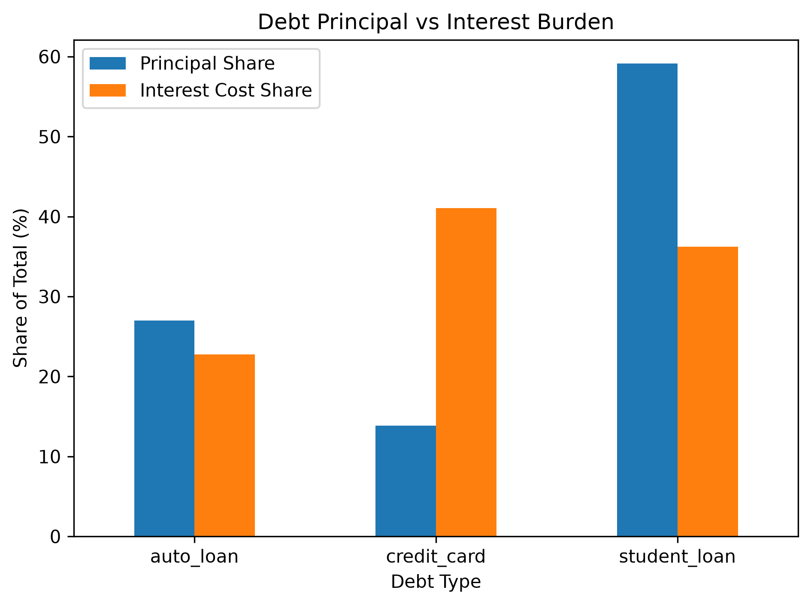

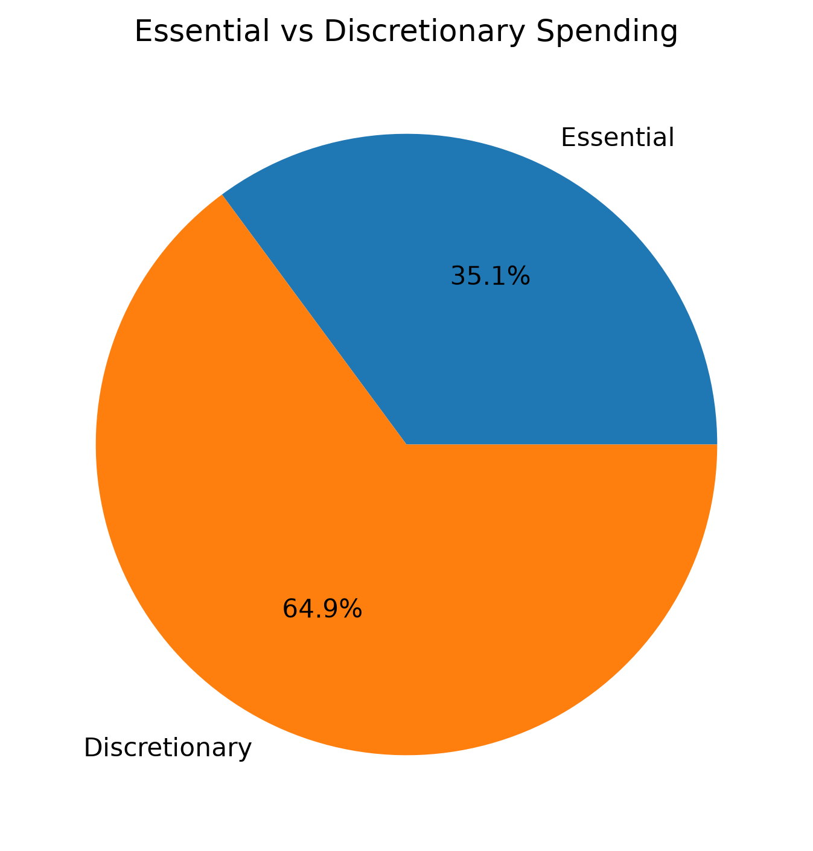
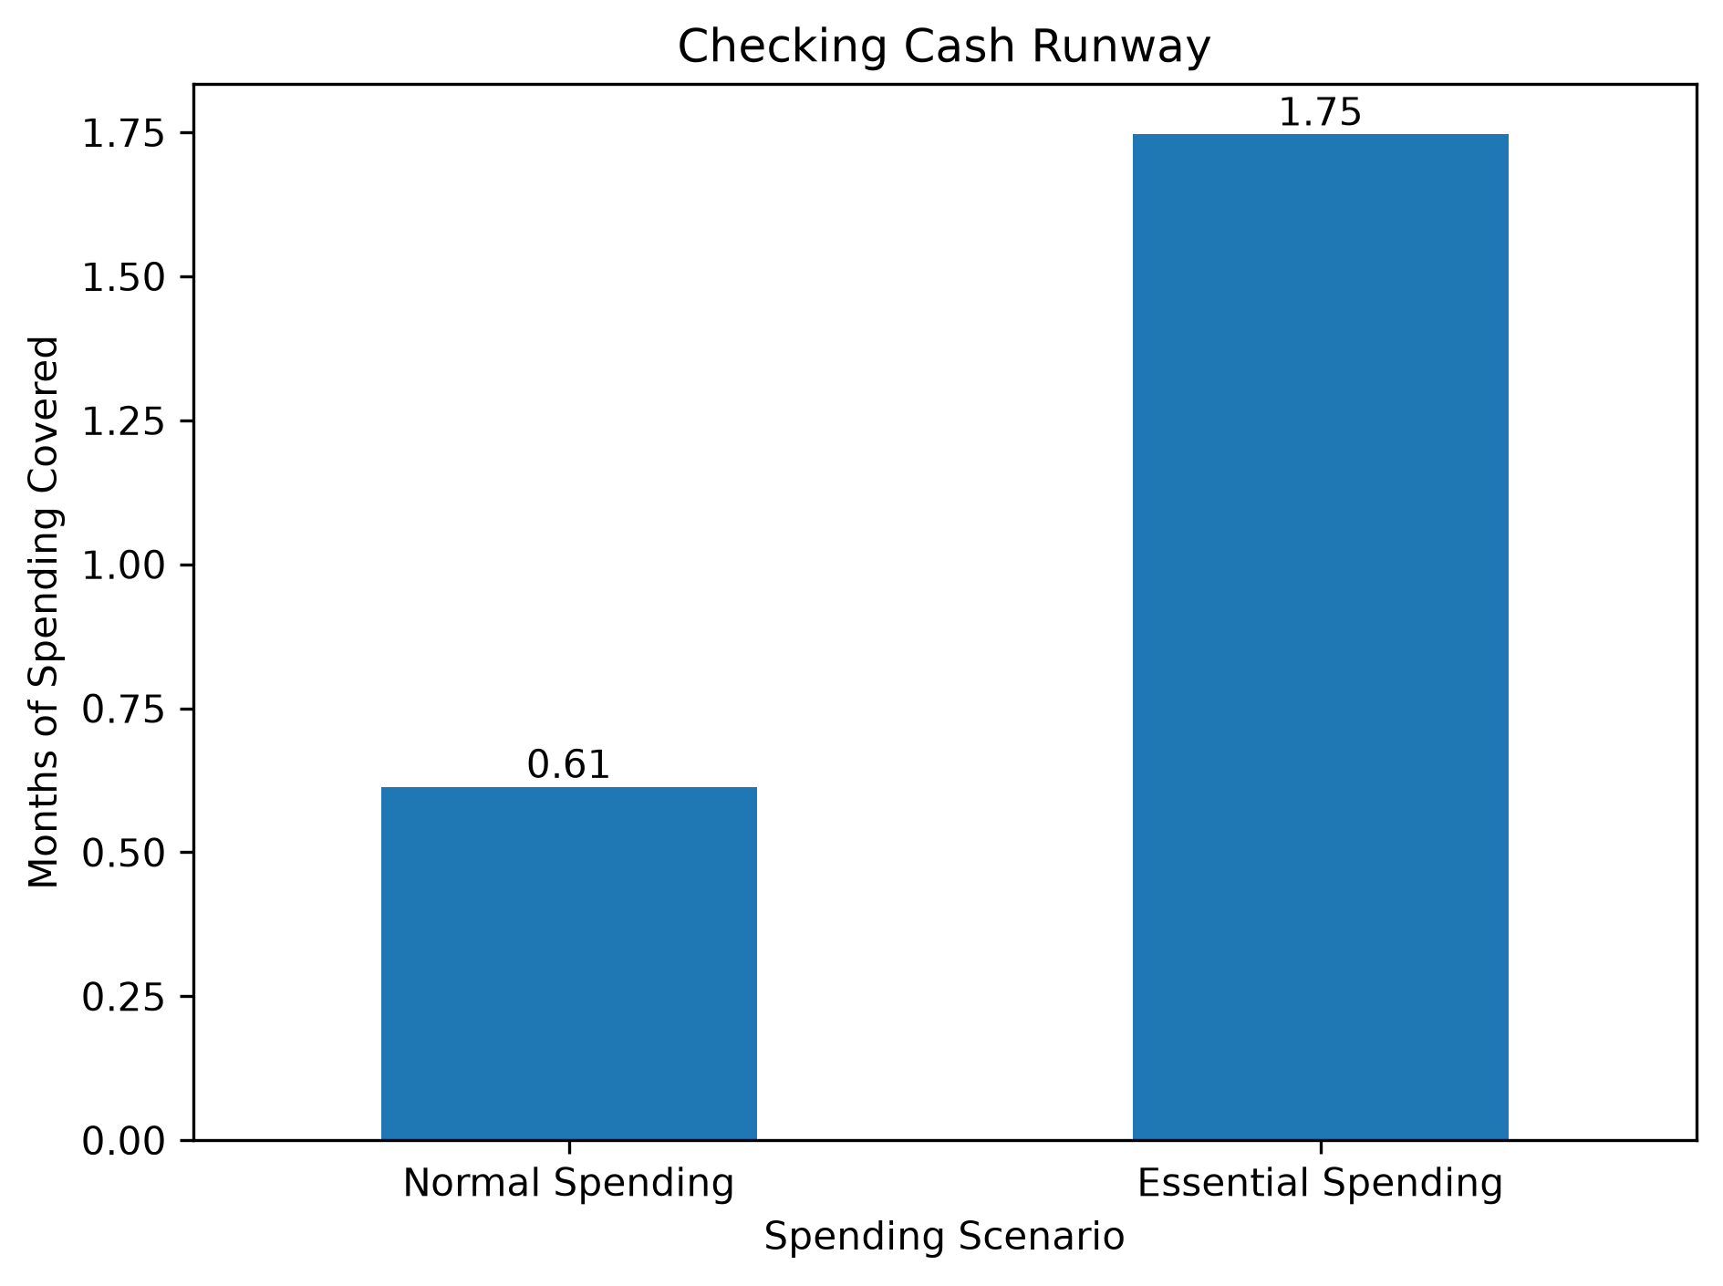
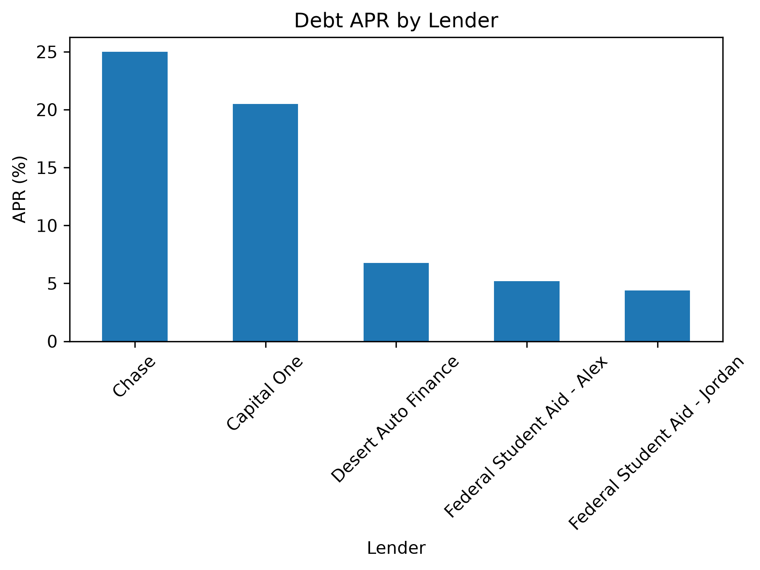

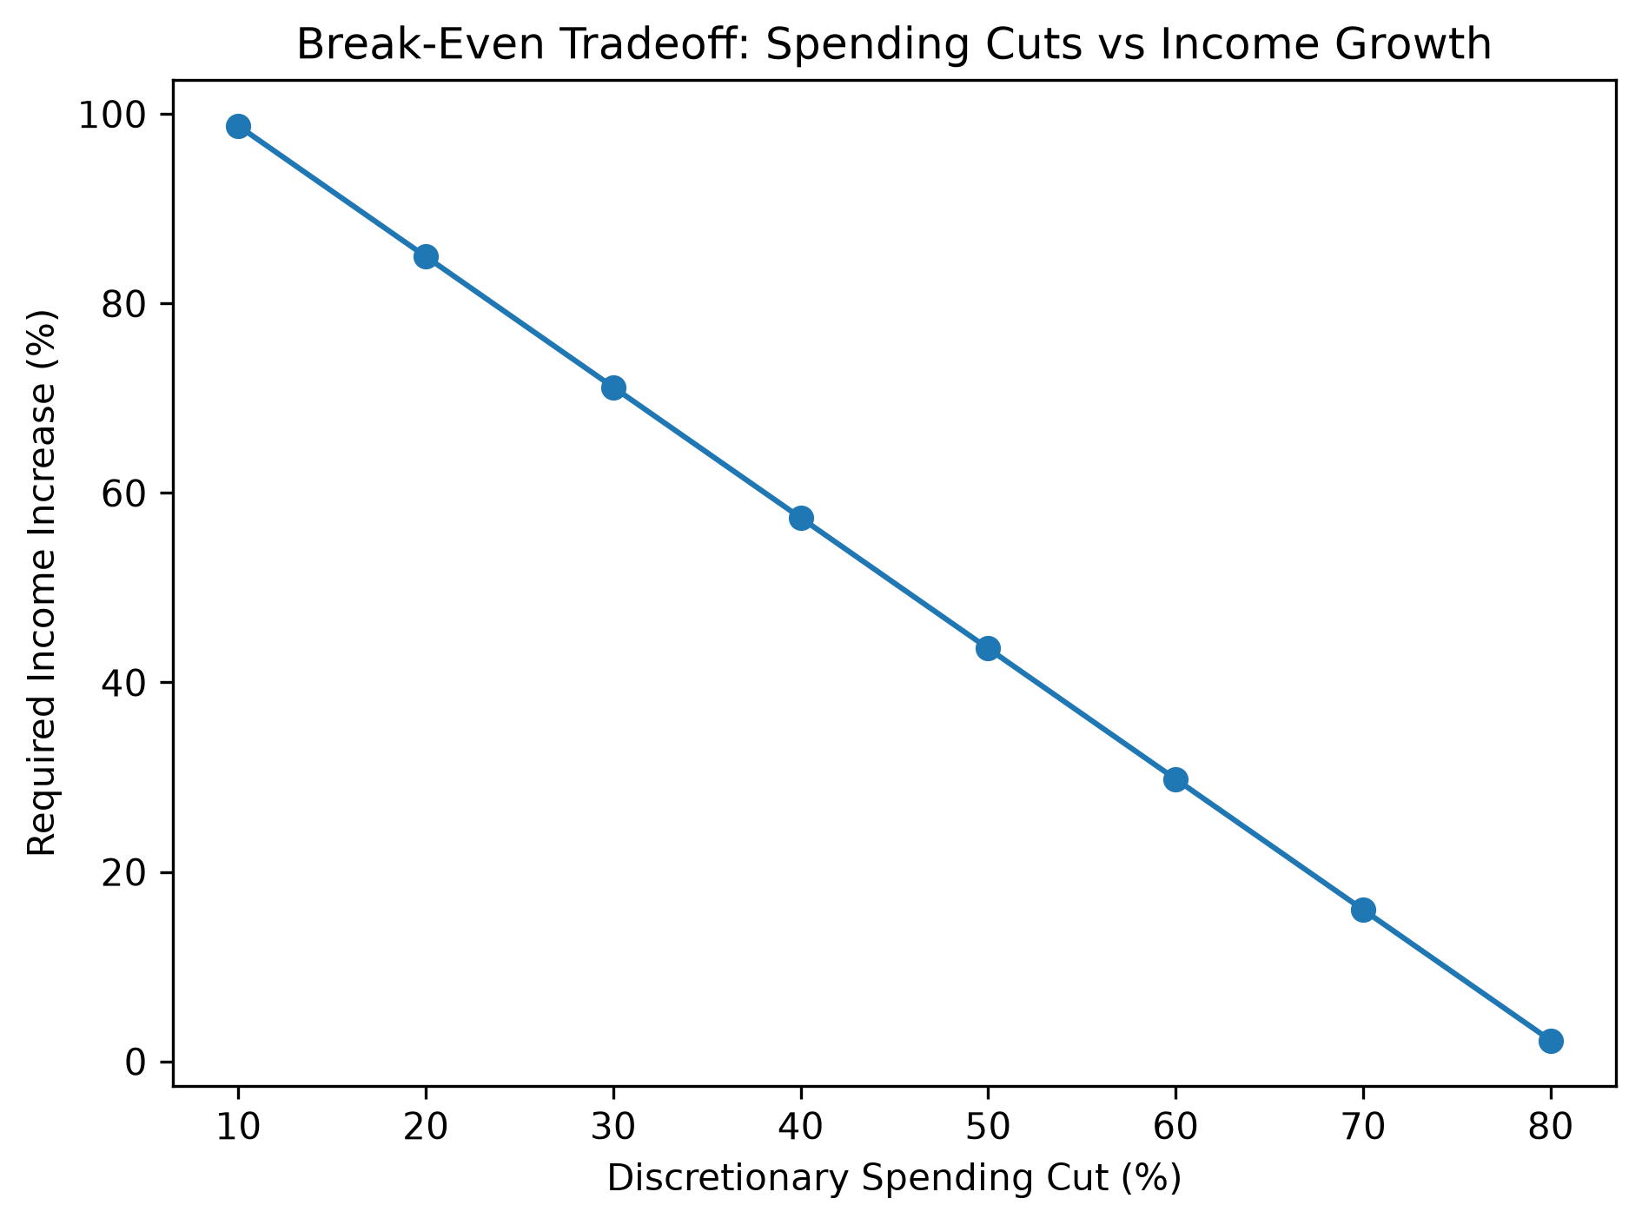

 |  |  | Key Insights
 |  |  | • Travel is the largest spending category, accounting for about 41.4% of annual spending.
 |  |  | • March and October were the highest-spending months relative to the monthly average.
 |  |  | • Credit cards represent a relatively small share of debt principal but a disproportionately high share of estimated interest cost.
 |  |  | • The household has negative annual cash flow and would require major discretionary spending cuts, income growth, or both to reach break-even.

