1st step Primer
PCR1 | Forward Universal Tail | Shift | Forward fwhF2
 | ACACTCTTTCCCTACACGACGCTCTTCCGATCT |  | GGDACWGGWTGAACWGTWTAYCCHCC
 | Reverse Universal Tail | Shift | Reverse EPTDr2n
 | GTGACTGGAGTTCAGACGTGTGCTCTTCCGATCT |  | CAAACAAATARDGGTATTCGDTY
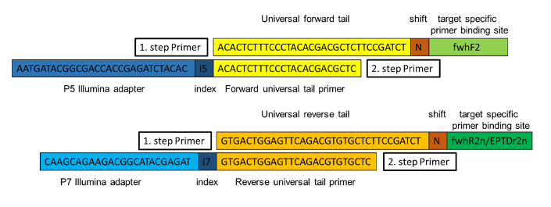

freshwater2 --> makroinvertebrates
fwhF2_1 | ACACTCTTTCCCTACACGACGCTCTTCCGATCTGGDACWGGWTGAACWGTWTAYCCHCC
fwhF2_2 | ACACTCTTTCCCTACACGACGCTCTTCCGATCTNGGDACWGGWTGAACWGTWTAYCCHCC
fwhF2_3 | ACACTCTTTCCCTACACGACGCTCTTCCGATCTNNGGDACWGGWTGAACWGTWTAYCCHCC
fwhF2_4 | ACACTCTTTCCCTACACGACGCTCTTCCGATCTNNNGGDACWGGWTGAACWGTWTAYCCHCC

EPTDr2n --> makroinvertebrates
EPTDr2n_1 | GTGACTGGAGTTCAGACGTGTGCTCTTCCGATCTCAAACAAATARDGGTATTCGDTY
EPTDr2n_2 | GTGACTGGAGTTCAGACGTGTGCTCTTCCGATCTNCAAACAAATARDGGTATTCGDTY
EPTDr2n_3 | GTGACTGGAGTTCAGACGTGTGCTCTTCCGATCTNNCAAACAAATARDGGTATTCGDTY
EPTDr2n_4 | GTGACTGGAGTTCAGACGTGTGCTCTTCCGATCTNNNCAAACAAATARDGGTATTCGDTY

