Score
Version 5.0
Last updated: 9/29/2015, 3:45 PM (PST)
Type/Select values in BLUE areas. Do not edit the content of RED areas. Please READ ALL THE CONTENT ON MILKENKNIGHTS.COM/FLL2015 BEFORE PROCEEDING
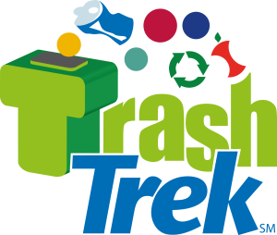 |  |  | Sign up for updates | SEPTEMBER PDF Score Sheet for practice rounds | OCTOBER PDF Score Sheet for practice rounds | Get Google Sheets Version
 |  | Total Score: | 0

Using Recycled Material
Green Bins containing at least one matching Yellow or Blue Bar, all from the other team, is completely in your Safety. | Number of bins in either safety
 |  | 0 | (maximum 4 — 2 from each team)

Methane
Methane is in the Truck’s engine compartment, and/or the Factory’s Power Station. | Number of methane placed
 |  | 0

Transport
The Truck supports all of the Yellow Bin’s weight. AND/OR Yellow Bin is completely east of the Truck’s Guide. | Select one |  |  |  | 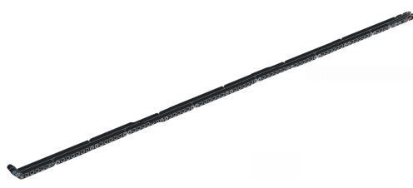
 |  | 0

Sorting
# of Yellow/Blue bars in their matching green bin AND the bin…
 | Is in the other team's safety, by way of west transfer | See "Using Recycled Material"
 | Is in or on your west transfer |  | 0
 | Was never in your west transfer area |  | 0
# of black bars that are…
 | Directly inside of a scoring Flower Box OR in the setup position |  | 0
 | In their matching green bin OR in the landfill bin |  | 0
 | Anywhere else |  | 0

Careers
At least one person is completely in the sorter area | Yes or No?
 |  | 0

Scrap Cars
The Engine/Windshield unit is installed in the unfolded Car in the proper space and direction. OR The Car is completely folded and completely in the East Transfer Area. | Select one
 |  | 0

Cleanup
(See Below)

 | # of plastic bags are completely in safety |  | 0
 | # of animals in large circles, without plastic bags |  | 0
 | Is the chicken in the small circle? |  | 0

Composting
The Compost is ejected, but not completely in Safety or the Compost is completely in Safety.
 | Select one
 |  | 0

Salvage
The Valuables are completely in Safety. | Yes or No?
 |  | 0

Demolition
None of the Building’s twelve beams is left standing in Setup position. | Yes or No?
 |  | 0

Purchasing Decisions
Toy Planes are completely in Safety | How many planes are in safety?
 |  | 0

Repurposing
The Compost is perfectly nested inside one of the Packages from which a Toy Plane has been removed. The Package is in original condition. | Yes or No?
 |  | 0

Penalties | How many? Maximum 4.
(Described in rule D09) |  | 0
Note that points will also be taken off for black bars left anywhere on the board per the "Sorting" mission. This means that you should not count penalties in both places. Once the official score card is released from FIRST, this may be removed.

Thank you to the following people who helped with updates: Marcus B, Austin S, Mark M, Marco C, Wayne R, Carla S, and Sean G!
Good luck! Please read the rules! If you have any questions or suggestions, email Jared at jhasenklein@gmail.com.

FIRST®, FIRST® Robotics Competition, FRC®, FIRST® Tech Challenge, and FTC®, are registered trademarks of FIRST® (www.usfirst.org) which is not overseeing, involved with, or responsible for this activity, product, or service.

FLL® and Jr.FLL® are jointly held trademarks of FIRST® (www.usfirst.org) and The LEGO Group, neither of which is overseeing, involved with, or responsible for this activity, product, or service.

LEGO®, the LEGO® logo, MINDSTORMS®, the MINDSTORMS® NXT logo, the Minifigure, and the Brick and Knob configurations are trademarks of The LEGO Group which is not overseeing, involved with, or responsible for this activity, product, or service.

