uC
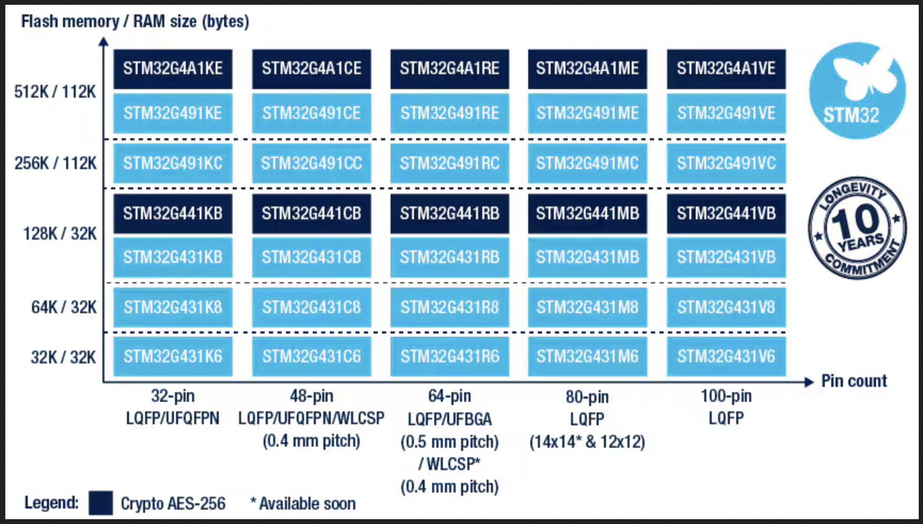
 | STM32G431CBU6 | STM32G431KBU3 | STM32G473RCT6
 | 128KB 1.71V~3.6V 32KB 170MHz FLASH 42 UFQFPN-48(7x7) Microcontrollers (MCU/MPU/SOC) ROHS | 128KB 1.71V~3.6V ARM-M4 32KB 170MHz FLASH 26 UFQFPN-32(5x5) Microcontrollers (MCU/MPU/SOC) ROHS | 256KB 1.71V~3.6V ARM-M4 128KB 170MHz FLASH 52 LQFP-64(10x10) Microcontrollers (MCU/MPU/SOC) ROHS
 | $1.26 | $1.74 | $2.18
flash | 128KB | 128KB | 256KB
ram | 32KB | 32KB | 128KB
package | 42 UFQFPN-48(7x7) | 26 UFQFPN-32(5x5) | 52 LQFP-64(10x10)
JLC PN | C529356

USB PD1
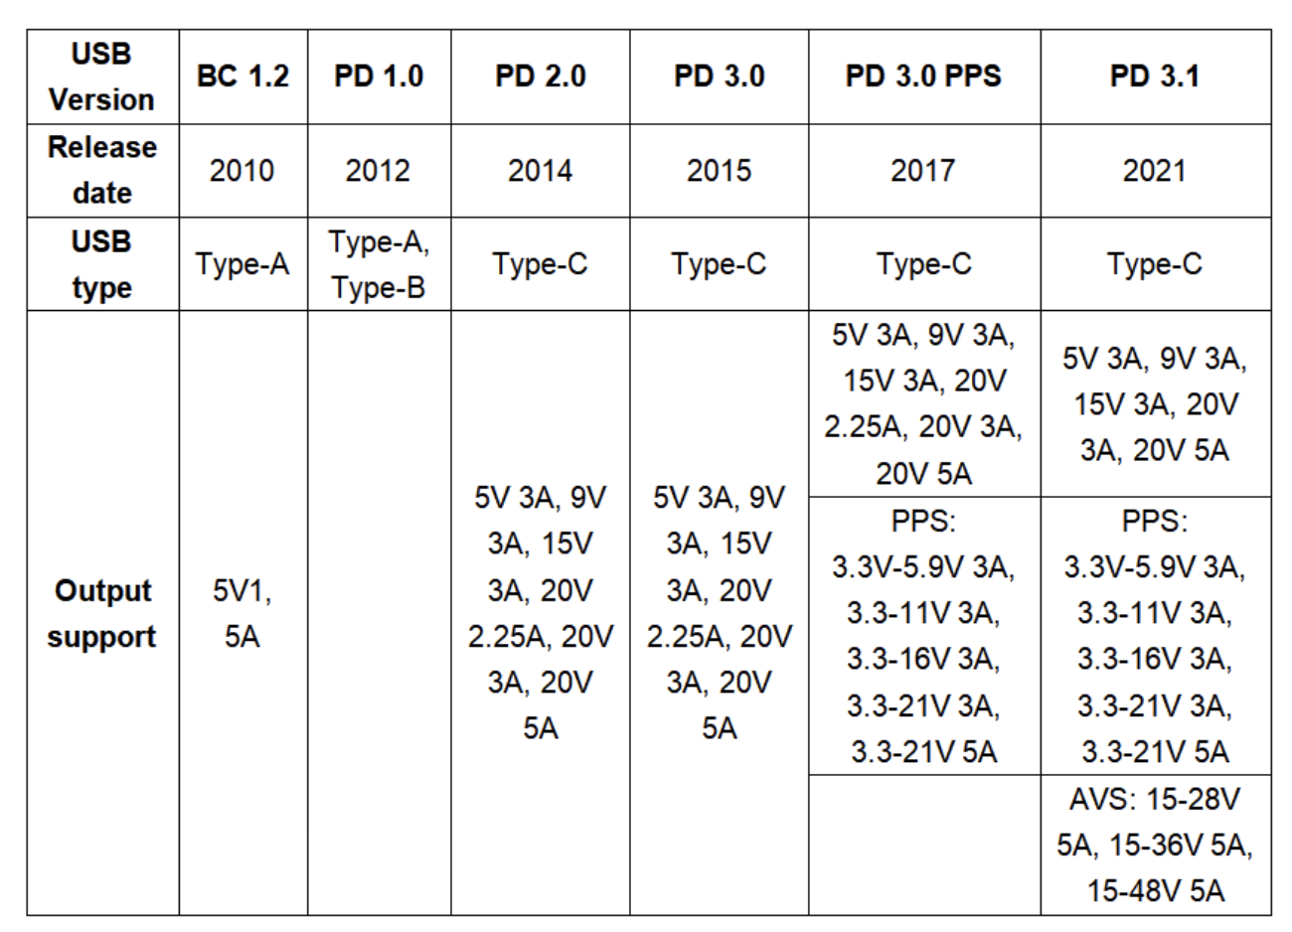
 | AP33772S | FUSB302 | HUSB238 | STM32G4
on jlc? | no | 955 | 856
has library | yes | https://github.com/ryan-ma/PD_Micro | adafruit
Supports PPS | yes (used on pocketPD | yes, used on PD_Micro | not in library | USB-PD_Consumer_1port example from https://www.st.com/en/embedded-software/stm32cubeg4.html#
USB PD version | 3.1 | 2 | 3 | 3
cost | $1 | $0.50 | $0.50 | free
has efuse ckt | yes | no | no current sense
JLC PN |  | C442699 | C7471904

