General Outlook
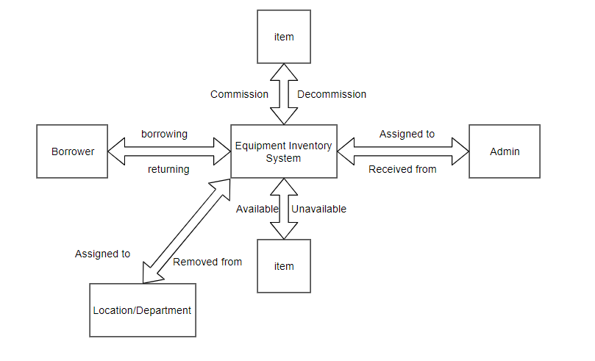
Project: | Construction Inventory System
Design Level: | 2 | Date Created: | 23-Nov-19
Design Title: | System Structure Design for "Equipment Inventory Sub-System" | Date Completed:
Overview: | Overall Design for "Equipment Inventory Sub-System" | Created By: | Jasper Arvin L. Abella
Objective: | To have a detailed look of the design and functionalities of the "Equipment Inventory Sub-System" | Programing Language: | .NET CORE 3

Tab
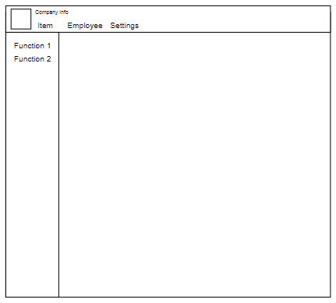
Equipment Inventory System
Tab |  | SideBar | Functions
1 | Item
 |  | Manage Item
 |  |  | Add/Commission Item
 |  |  | Remove/decommission Item
 |  | Department
 |  |  | Assigned to
 |  |  | Unassigned from
 |  |  | Damage Item -> Department
 |  |  | Lost Item->Department
 |  | Employee
 |  |  | Borrowed
 |  |  | Returned
 |  |  | Damage Item->employee
 |  |  | Lost Item->Employee
2 | Employee
 |  | Manage Employee
 |  |  | Newly Hired Employee
 |  |  | Employee Leaving
 |  |  | Employee Reinstatement
 |  |  | Request update employee information
 |  | Department
 |  |  | Employee Assigned to Department
 |  |  | Employee Unassigned from Department
3 | Settings
 |  | Department
 |  |  | Create Department
 |  |  | Edit Department
 |  |  | De-activate Department
 |  |  | Re-activate Department
 |  | Admin Settings | Assigned Employee As Admin
 |  |  | Un-assign Employee As Admin
 |  |  | Password Settings

